DetailedMapping
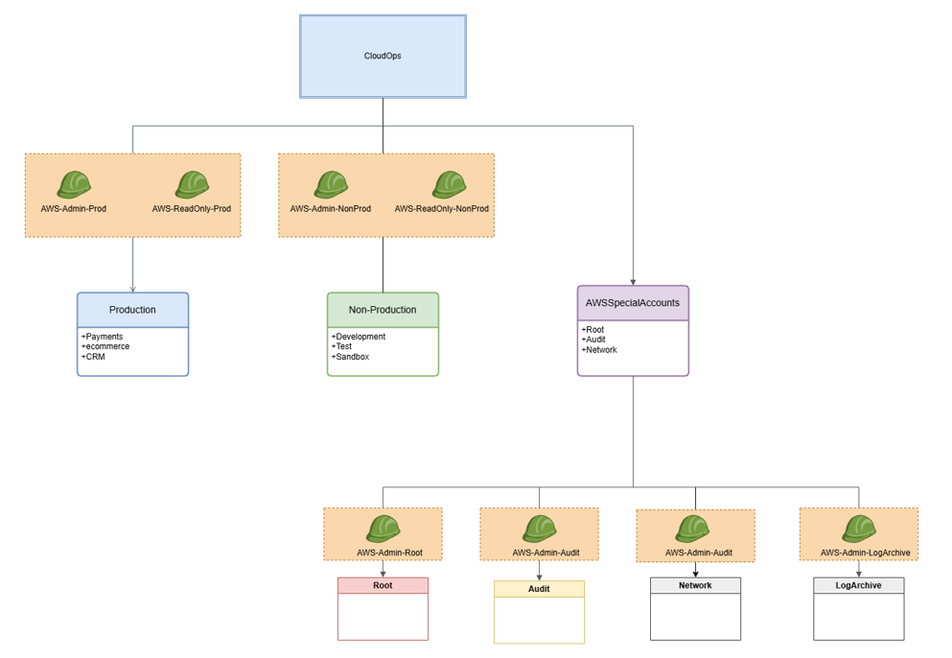
Department | Account Type | Account Name | Roles
Cloudops | ProdAccounts | Payments,CRM,CustomerPlatform,ecommerce | AWS-Admin-Prod
 |  |  | AWS-ReadOnly-Prod
 | NonProdAccounts | Development,Testing,Sandbox | AWS-Admin-NonProd
 |  |  | AWS-ReadOnly-NonProd
 | SpecialAWSAccounts | Root | AWS-Admin-Root
 |  | Network | AWS-Admin-Network
 |  | Audit | AWS-Admin-Audit
 |  | LogArchive | AWS-Admin-LogArchive

