Assets
 |  | Colors |  | Text Colors
 |  |  | Background |  | Headings
 |  |  | Highlight |  | Labels
 |  |  | Highlight 2 |  | Tables
 |  |  | Chart Color (guages) |  | Color1
 |  |  | Faded |  | Color2
 |  |  |  |  | Color3
 |  |  |  |  | Highlight
TITLE
 |  | SAMPLE TILE
KPI Value
SALES
$21.70 m

COST
$6.68 m

PROFIT
$15.02 m

Maps from | https://github.com/djaiss/mapsicon

Image | Country
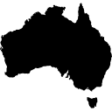 | Australia
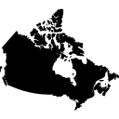 | Canada
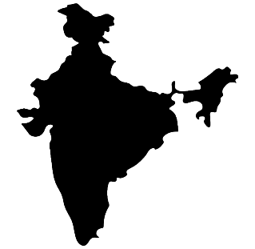 | India
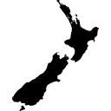 | New Zealand
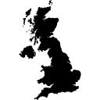 | UK
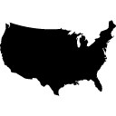 | USA

Dashboard
Chocolate Sales

Bars◉
Bites
Other
 |  | Selected Team
1 | 2 | 2
2 | 2 | 2
1 | 1 | 1
2 | 1 | 1
 | 100.00%
 | 68.97%
 | 31.03%
 | 100.00%
 | 60.27%
 | 39.73%
 | 100.00%
 | 86.22%
 | 13.78%
MoM %
COUNTRY PROFIT %

SALES
$21.70 m
Sales & Profit by TEAM
$10.74 m
$10.74 / $7.41 m
$7.08 / $4.27 m
$3.88 / $3.34 m
64% |  | USA
64% |  | 70.6%
 |  | 69.4%

BOXES
1,344.6 k
680.4 k
110% |  | India
110% |  | 69.9% |  |  |  |  |  | Product | Sales | Boxes | Shipments | Profit | profit | Boxes
 |  | 68.5% |  |  |  |  |  | Caramel Stuffed Bars | $994,021 | 48730 | 175 | $950,213 | 96%
 |  |  |  |  |  |  |  | 85% Dark Bars | $1,015,994 | 66004 | 174 | $970,068 | 95%
SHIPMENTS
 |  | UK |  |  |  |  |  | Milk Bars | $942,921 | 37635 | 170 | $872,724 | 93%
3,791
53% |  | 69.9% |  |  |  |  |  | Fruit & Nut Bars | $943,551 | 74319 | 172 | $825,124 | 87%
53% |  | 69.9% |  |  |  |  |  | Mint Chip Choco | $889,056 | 50948 | 168 | $773,628 | 87%
1,897
LAST 28 DAYS
 |  |  |  |  |  |  |  | 99% Dark & Pure | $1,089,312 | 60878 | 179 | $805,669 | 74%
 |  |  |  |  |  |  |  | Smooth Sliky Salty | $990,794 | 61790 | 170 | $680,621 | 69%
 |  | Canada | Sales Person | Sales | Profit | Profit% ↓ | Shipped? | Raspberry Choco | $1,005,046 | 55688 | 173 | $665,444 | 66%
COST
 |  | 68.9% | Andria Kimpton | $867,510 | $633,092 | 73% |  | Baker's Choco Chips | $932,491 | 75226 | 173 | $475,034 | 51%
$6.68 m
51% |  | 68.0% | Beverie Moffet | $817,572 | $579,962 | 71% |  | Almond Choco | $995,050 | 52337 | 168 | $296,430 | 30%
51% |  |  | Madelene Upcott | $897,554 | $597,611 | 67% |  | Orange Choco | $946,099 | 96847 | 175 | $95,104 | 10%
$3.33 m
 |  |  | Oby Sorrel | $860,083 | $572,484 | 67% |  | White Choc | $979,188 | 87237 | 177 | $958,208 | 98%
 |  |  | Brien Boise | $794,920 | $529,082 | 67% |  | Organic Choco Syrup | $1,047,011 | 45761 | 178 | $966,357 | 92%
PROFIT
 |  | Australia |  |  |  |  |  | Drinking Coco | $902,384 | 50098 | 167 | $778,271 | 86%
$15.02 m
69% |  | 68.4% |  |  |  |  |  | Eclairs | $992,271 | 64557 | 170 | $810,253 | 82%
69% |  | 69.4% |  |  |  |  |  | 50% Dark Bites | $1,030,323 | 86978 | 170 | $786,785 | 76%
$7.41 m
 |  |  |  |  |  |  |  | Peanut Butter Cubes | $987,525 | 50674 | 176 | $749,028 | 76%
 |  |  |  |  |  |  |  | After Nines | $1,027,054 | 39893 | 175 | $774,069 | 75%
PROFIT %
 |  |  |  |  |  |  |  | Manuka Honey Choco | $948,983 | 39124 | 175 | $640,252 | 67%
69.2%
3% |  | New Zealand |  |  |  |  |  | Spicy Special Slims | $1,029,490 | 58052 | 171 | $494,912 | 48%
3% |  | 67.6% |  |  |  |  |  | Choco Coated Almonds | $1,075,109 | 59624 | 172 | $391,293 | 36%
69.0%
 |  | 68.6% |  |  |  |  |  | 70% Dark Bites | $938,049 | 82174 | 163 | $260,697 | 28%

 | Sort By: | Profit % | Pick a Team | Jucies | Sort By |  | Profit% | Sort By | Profit% | Profit Icon |  |  | ON

