MS Snapshots
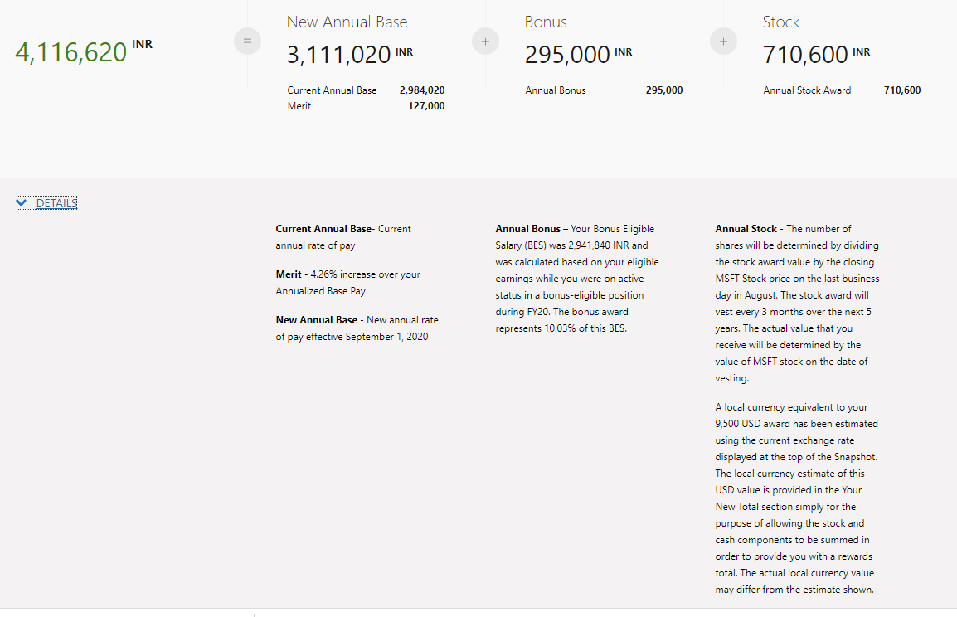
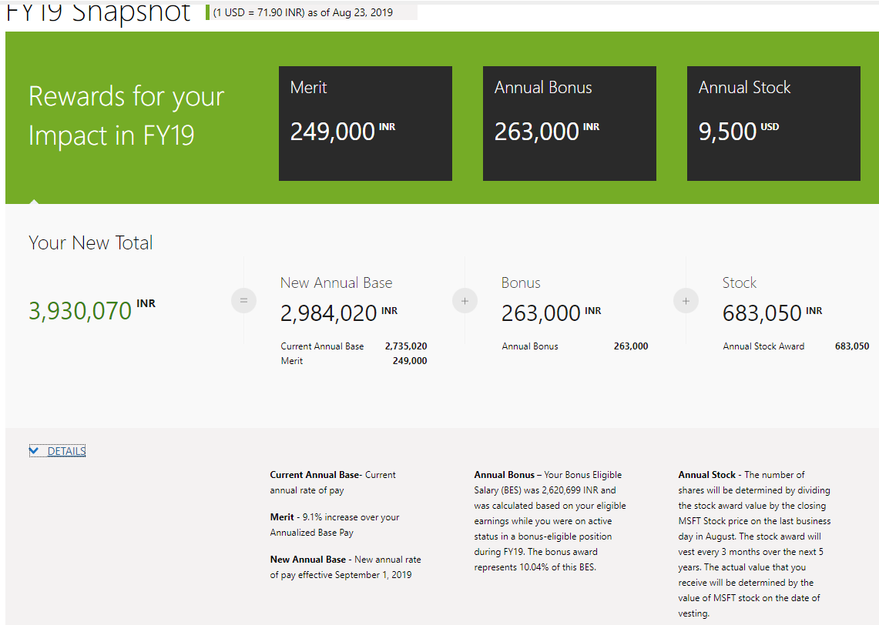

FISCAL YEAR | ACTIVITY DATE | ACTIVITY TYPE | AMOUNT | 12 MONTH FULL TIME SALARY | CURRENCY | LEVEL
FY19 | 1-Sep-19 | Merit | 249,000 | 2,984,020 | INR | 62
 | 1-Sep-19 | Bonus | 263,000 |  | INR
 | 30-Aug-19 | Stock-FY19 Annual SA | 9,500 |  | USD
FY18 | 1-Sep-18 | Promotion - change of pay | 433,020 | 2,735,020 | INR | 62
 | 1-Sep-18 | Merit | 240,000 | 2,735,020 | INR | 62
 | 1-Sep-18 | Change of Level |  | 2,735,020 | INR | 62
 | 1-Sep-18 | Bonus | 245,000 |  | INR
 | 31-Aug-18 | Stock-FY18 Annual SA | 6,600 |  | USD
FY17 | 1-Sep-17 | Merit | 146,000 | 2,062,000 | INR | 61
 | 1-Sep-17 | Bonus | 190,000 |  | INR
 | 31-Aug-17 | Stock-FY17 Annual SA | 5,500 |  | USD

