JobsFinalDem_SkillIntensity_e
OECD Science, Technology and Industry Scoreboard 2017 - © OECD 2017
Chapter 1. KNOWLEDGE ECONOMIES AND THE DIGITAL TRANSFORMATION | Graph 1.38 Business sector jobs sustained by foreign final demand, by skill intensity, 2014
Version PAC - Last updated: 25-Sep-2017
Disclaimer: http://oe.cd/disclaimer

FIGURE | 1.38
TITLE | Business sector jobs sustained by foreign final demand, by skill intensity, 2014
SUBTITLE | As a percentage of total business sector employment
SOURCE | OECD calculations based on the Inter-Country Input-Output (ICIO) Database, Annual National Accounts Database, Structural Analysis (STAN) Database and Trade in Employment (TiM); World Input-Output Database; European Labour Force Surveys, national Labour Force surveys and other national sources, June 2017.
NOTES | Yes
MORE DATA | No

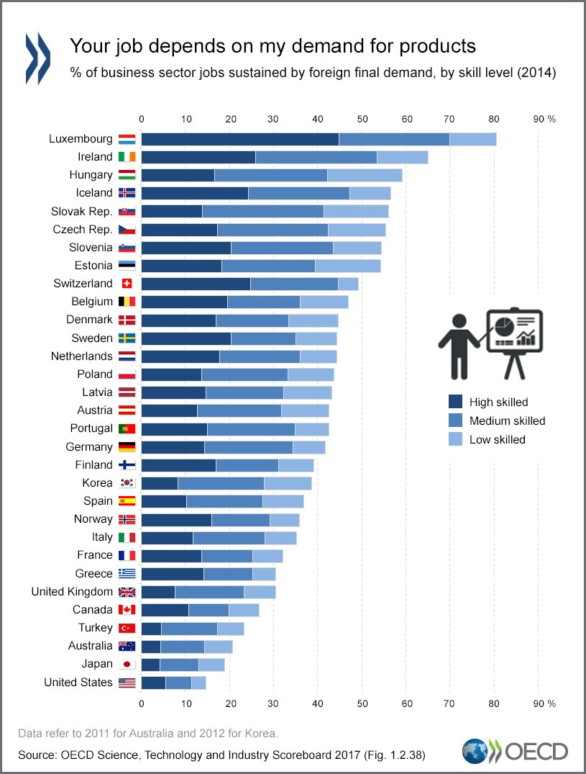
 |  | High skilled | Medium skilled | Low skilled | Total | Total business sector employment sustained by foreign demand, 2004
LUX | Luxembourg | 44.8 | 25.2 | 10.6 | 80.6 | 74.4
IRL | Ireland | 25.9 | 27.6 | 11.6 | 65.1 | 52.9
HUN | Hungary | 16.6 | 25.6 | 17.0 | 59.2 | 50.5
ISL | Iceland | 24.2 | 23.1 | 9.2 | 56.5 | 39.9
SVK | Slovak Republic | 13.8 | 27.6 | 14.7 | 56.1 | 53.4
CZE | Czech Republic | 17.3 | 25.1 | 13.1 | 55.5 | 48.1
SVN | Slovenia | 20.4 | 23.1 | 11.0 | 54.5 | 51.7
EST | Estonia | 18.2 | 21.2 | 14.9 | 54.3 | 54.2
CHE | Switzerland | 24.7 | 20.0 | 4.5 | 49.2 | 42.6
BEL | Belgium | 19.6 | 16.4 | 11.0 | 47.0 | 48.1
DNK | Denmark | 16.9 | 16.5 | 11.3 | 44.7 | 42.6
SWE | Sweden | 20.4 | 14.7 | 9.3 | 44.4 | 47.6
NLD | Netherlands | 17.8 | 18.3 | 8.2 | 44.3 | 37.5
POL | Poland | 13.6 | 19.7 | 10.4 | 43.7 | 37.0
LVA | Latvia | 14.7 | 17.5 | 11.0 | 43.2 | 35.4
AUT | Austria | 15.0 | 19.9 | 7.6 | 42.5 | 43.4
PRT | Portugal | 12.7 | 19.0 | 10.8 | 42.5 | 31.0
DEU | Germany | 14.4 | 20.0 | 7.3 | 41.7 | 35.1
FIN | Finland | 16.9 | 14.3 | 7.9 | 39.1 | 40.0 | Data
KOR | Korea (2012) | 8.3 | 19.6 | 10.8 | 38.7 | 34.5 | http://www.keepeek.com/Digital-Asset-Management/oecd/science-and-technology/oecd-science-technology-and-industry-scoreboard-2017/growth-jobs-and-the-digital-transformation_sti_scoreboard-2017-5-en#page10
ESP | Spain | 10.3 | 17.3 | 9.3 | 36.9 | 26.7 | Tweet
NOR | Norway | 16.0 | 13.2 | 6.6 | 35.8 | 37.9 | https://twitter.com/OECDStatistik/status/934005504283762688?ref_src=twsrc%5Etfw
ITA | Italy | 11.7 | 16.4 | 7.1 | 35.2 | 29.5
FRA | France | 13.7 | 11.6 | 6.8 | 32.1 | 30.0
GRC | Greece | 7.6 | 15.7 | 7.2 | 30.5 | 23.7
GBR | United Kingdom | 14.2 | 11.1 | 5.2 | 30.5 | 25.0
CAN | Canada | 10.7 | 9.2 | 6.9 | 26.8 | 33.0
TUR | Turkey | 4.5 | 12.8 | 6.0 | 23.3 | 24.7
AUS | Australia (2011) | 4.4 | 10.0 | 6.3 | 20.7 | 18.9
JPN | Japan | 4.3 | 8.8 | 5.8 | 18.9 | 15.1
USA | United States | 5.6 | 5.8 | 3.3 | 14.7 | 10.4

 | The business sector corresponds to ISIC Rev.3 Divisions 10 to 74: i.e. Total economy excluding Agriculture, forestry and fishing (Divisions 01-05), Public administration (75), Education (80), Health (85) and Other community, social and personal services (90-95).

 | Skill intensity is defined according to major groups of the International Standard Classification of Occupations 2008 (ISCO-08): High skilled occupations (ISCO-08 major groups 1 to 3), medium skilled (4 to 7) and low skilled (8 to 9).

 | Occupational employment data for the United States are sourced from the Current Population Survey. The conversion table for the occupational classification from SOC and Census to ISCO 2008 classifications is described in Eckardt and Squicciarini (2015).

 | Data refer to 2011 for Australia and to 2012 for Korea.

 |  |  |  |  |  |  | 50.0
 |  |  |  |  |  |  | Country | High skilled | Filler1 | Medium skilled | Filler2 | Low skilled | Filler3 | Total
 |  |  |  |  |  |  | Luxembourg | 10.6 | 39.4 | 25.2 | 24.8 | 44.8 | 5.2 | 80.6
 |  |  |  |  |  |  | Ireland | 11.6 | 38.4 | 27.6 | 22.4 | 25.9 | 24.1 | 65.1
 |  |  |  |  |  |  | Hungary | 17.0 | 33.0 | 25.6 | 24.4 | 16.6 | 33.4 | 59.2
 |  |  |  |  |  |  | Iceland | 9.2 | 40.8 | 23.1 | 26.9 | 24.2 | 25.8 | 56.5
 |  |  |  |  |  |  | Slovak Republic | 14.7 | 35.3 | 27.6 | 22.4 | 13.8 | 36.2 | 56.1
 |  |  |  |  |  |  | Czech Republic | 13.1 | 36.9 | 25.1 | 24.9 | 17.3 | 32.7 | 55.5
 |  |  |  |  |  |  | Slovenia | 11.0 | 39.0 | 23.1 | 26.9 | 20.4 | 29.6 | 54.5
 |  |  |  |  |  |  | Estonia | 14.9 | 35.1 | 21.2 | 28.8 | 18.2 | 31.8 | 54.3
 |  |  |  |  |  |  | Switzerland | 4.5 | 45.5 | 20.0 | 30.0 | 24.7 | 25.3 | 49.2
 |  |  |  |  |  |  | Belgium | 11.0 | 39.0 | 16.4 | 33.6 | 19.6 | 30.4 | 47.0
 |  |  |  |  |  |  | Denmark | 11.3 | 38.7 | 16.5 | 33.5 | 16.9 | 33.1 | 44.7
 |  |  |  |  |  |  | Sweden | 9.3 | 40.7 | 14.7 | 35.3 | 20.4 | 29.6 | 44.4
 |  |  |  |  |  |  | Netherlands | 8.2 | 41.8 | 18.3 | 31.7 | 17.8 | 32.2 | 44.3
 |  |  |  |  |  |  | Poland | 10.4 | 39.6 | 19.7 | 30.3 | 13.6 | 36.4 | 43.7
 |  |  |  |  |  |  | Latvia | 11.0 | 39.0 | 17.5 | 32.5 | 14.7 | 35.3 | 43.2
 |  |  |  |  |  |  | Austria | 7.6 | 42.4 | 19.9 | 30.1 | 15.0 | 35.0 | 42.5
 |  |  |  |  |  |  | Portugal | 10.8 | 39.2 | 19.0 | 31.0 | 12.7 | 37.3 | 42.5
 |  |  |  |  |  |  | Germany | 7.3 | 42.7 | 20.0 | 30.0 | 14.4 | 35.6 | 41.7
 |  |  |  |  |  |  | Finland | 7.9 | 42.1 | 14.3 | 35.7 | 16.9 | 33.1 | 39.1
 |  |  |  |  |  |  | Korea (2012) | 10.8 | 39.2 | 19.6 | 30.4 | 8.3 | 41.7 | 38.7
 |  |  |  |  |  |  | Spain | 9.3 | 40.7 | 17.3 | 32.7 | 10.3 | 39.7 | 36.9
 |  |  |  |  |  |  | Norway | 6.6 | 43.4 | 13.2 | 36.8 | 16.0 | 34.0 | 35.8
 |  |  |  |  |  |  | Italy | 7.1 | 42.9 | 16.4 | 33.6 | 11.7 | 38.3 | 35.2
 |  |  |  |  |  |  | France | 6.8 | 43.2 | 11.6 | 38.4 | 13.7 | 36.3 | 32.1
 |  |  |  |  |  |  | Greece | 7.2 | 42.8 | 15.7 | 34.3 | 7.6 | 42.4 | 30.5
 |  |  |  |  |  |  | United Kingdom | 5.2 | 44.8 | 11.1 | 38.9 | 14.2 | 35.8 | 30.5
 |  |  |  |  |  |  | Canada | 6.9 | 43.1 | 9.2 | 40.8 | 10.7 | 39.3 | 26.8
 |  |  |  |  |  |  | Turkey | 6.0 | 44.0 | 12.8 | 37.2 | 4.5 | 45.5 | 23.3
 |  |  |  |  |  |  | Australia (2011) | 6.3 | 43.7 | 10.0 | 40.0 | 4.4 | 45.6 | 20.7
 |  |  |  |  |  |  | Japan | 5.8 | 44.2 | 8.8 | 41.2 | 4.3 | 45.7 | 18.9
 |  |  |  |  |  |  | United States | 3.3 | 46.7 | 5.8 | 44.2 | 5.6 | 44.4 | 14.7

JobsFinalDem_SkillIntensity (2)
OECD Science, Technology and Industry Scoreboard 2017 - © OECD 2017
Chapter 1. KNOWLEDGE ECONOMIES AND THE DIGITAL TRANSFORMATION | Graph 1.38 Business sector jobs sustained by foreign final demand, by skill intensity, 2014
Version PAC - Last updated: 25-Sep-2017
Disclaimer: http://oe.cd/disclaimer

FIGURE | 1.38
TITLE | Business sector jobs sustained by foreign final demand, by skill intensity, 2014
SUBTITLE | As a percentage of total business sector employment
SOURCE | OECD calculations based on the Inter-Country Input-Output (ICIO) Database, Annual National Accounts Database, Structural Analysis (STAN) Database and Trade in Employment (TiM); World Input-Output Database; European Labour Force Surveys, national Labour Force surveys and other national sources, June 2017.
NOTES | Yes
MORE DATA | No

 |  | High skilled | Medium skilled | Low skilled | Total | Total business sector employment sustained by foreign demand, 2004
LUX | Luxembourg | 44.8 | 25.2 | 10.6 | 80.6 | 74.4
IRL | Ireland | 25.9 | 27.6 | 11.6 | 65.1 | 52.9
HUN | Hungary | 16.6 | 25.6 | 17.0 | 59.2 | 50.5
ISL | Iceland | 24.2 | 23.1 | 9.2 | 56.5 | 39.9
SVK | Slovak Republic | 13.8 | 27.6 | 14.7 | 56.1 | 53.4
CZE | Czech Republic | 17.3 | 25.1 | 13.1 | 55.5 | 48.1
SVN | Slovenia | 20.4 | 23.1 | 11.0 | 54.5 | 51.7
EST | Estonia | 18.2 | 21.2 | 14.9 | 54.3 | 54.2
CHE | Switzerland | 24.7 | 20.0 | 4.5 | 49.2 | 42.6
BEL | Belgium | 19.6 | 16.4 | 11.0 | 47.0 | 48.1
DNK | Denmark | 16.9 | 16.5 | 11.3 | 44.7 | 42.6
SWE | Sweden | 20.4 | 14.7 | 9.3 | 44.4 | 47.6
NLD | Netherlands | 17.8 | 18.3 | 8.2 | 44.3 | 37.5
POL | Poland | 13.6 | 19.7 | 10.4 | 43.7 | 37.0
LVA | Latvia | 14.7 | 17.5 | 11.0 | 43.2 | 35.4
AUT | Austria | 15.0 | 19.9 | 7.6 | 42.5 | 43.4
PRT | Portugal | 12.7 | 19.0 | 10.8 | 42.5 | 31.0
DEU | Germany | 14.4 | 20.0 | 7.3 | 41.7 | 35.1
FIN | Finland | 16.9 | 14.3 | 7.9 | 39.1 | 40.0 | Data
KOR | Korea (2012) | 8.3 | 19.6 | 10.8 | 38.7 | 34.5 | http://www.keepeek.com/Digital-Asset-Management/oecd/science-and-technology/oecd-science-technology-and-industry-scoreboard-2017/growth-jobs-and-the-digital-transformation_sti_scoreboard-2017-5-en#page10
ESP | Spain | 10.3 | 17.3 | 9.3 | 36.9 | 26.7 | Tweet
NOR | Norway | 16.0 | 13.2 | 6.6 | 35.8 | 37.9 | https://twitter.com/OECDStatistik/status/934005504283762688?ref_src=twsrc%5Etfw
ITA | Italy | 11.7 | 16.4 | 7.1 | 35.2 | 29.5
FRA | France | 13.7 | 11.6 | 6.8 | 32.1 | 30.0
GRC | Greece | 7.6 | 15.7 | 7.2 | 30.5 | 23.7
GBR | United Kingdom | 14.2 | 11.1 | 5.2 | 30.5 | 25.0
CAN | Canada | 10.7 | 9.2 | 6.9 | 26.8 | 33.0
TUR | Turkey | 4.5 | 12.8 | 6.0 | 23.3 | 24.7
AUS | Australia (2011) | 4.4 | 10.0 | 6.3 | 20.7 | 18.9
JPN | Japan | 4.3 | 8.8 | 5.8 | 18.9 | 15.1
USA | United States | 5.6 | 5.8 | 3.3 | 14.7 | 10.4

 | The business sector corresponds to ISIC Rev.3 Divisions 10 to 74: i.e. Total economy excluding Agriculture, forestry and fishing (Divisions 01-05), Public administration (75), Education (80), Health (85) and Other community, social and personal services (90-95).

 | Skill intensity is defined according to major groups of the International Standard Classification of Occupations 2008 (ISCO-08): High skilled occupations (ISCO-08 major groups 1 to 3), medium skilled (4 to 7) and low skilled (8 to 9).

 | Occupational employment data for the United States are sourced from the Current Population Survey. The conversion table for the occupational classification from SOC and Census to ISCO 2008 classifications is described in Eckardt and Squicciarini (2015).

 | Data refer to 2011 for Australia and to 2012 for Korea.

 |  |  |  |  |  |  | 50.0
 |  |  |  |  |  |  | Country | High skilled | Filler1 | Medium skilled | Filler2 | Low skilled | Filler3 | Total
 |  |  |  |  |  |  | Luxembourg | 10.6 | 39.4 | 25.2 | 24.8 | 44.8 | 5.2 | 80.6
 |  |  |  |  |  |  | Ireland | 11.6 | 38.4 | 27.6 | 22.4 | 25.9 | 24.1 | 65.1
 |  |  |  |  |  |  | Hungary | 17.0 | 33.0 | 25.6 | 24.4 | 16.6 | 33.4 | 59.2
 |  |  |  |  |  |  | Iceland | 9.2 | 40.8 | 23.1 | 26.9 | 24.2 | 25.8 | 56.5
 |  |  |  |  |  |  | Slovak Republic | 14.7 | 35.3 | 27.6 | 22.4 | 13.8 | 36.2 | 56.1
 |  |  |  |  |  |  | Czech Republic | 13.1 | 36.9 | 25.1 | 24.9 | 17.3 | 32.7 | 55.5
 |  |  |  |  |  |  | Slovenia | 11.0 | 39.0 | 23.1 | 26.9 | 20.4 | 29.6 | 54.5
 |  |  |  |  |  |  | Estonia | 14.9 | 35.1 | 21.2 | 28.8 | 18.2 | 31.8 | 54.3
 |  |  |  |  |  |  | Switzerland | 4.5 | 45.5 | 20.0 | 30.0 | 24.7 | 25.3 | 49.2
 |  |  |  |  |  |  | Belgium | 11.0 | 39.0 | 16.4 | 33.6 | 19.6 | 30.4 | 47.0
 |  |  |  |  |  |  | Denmark | 11.3 | 38.7 | 16.5 | 33.5 | 16.9 | 33.1 | 44.7
 |  |  |  |  |  |  | Sweden | 9.3 | 40.7 | 14.7 | 35.3 | 20.4 | 29.6 | 44.4
 |  |  |  |  |  |  | Netherlands | 8.2 | 41.8 | 18.3 | 31.7 | 17.8 | 32.2 | 44.3
 |  |  |  |  |  |  | Poland | 10.4 | 39.6 | 19.7 | 30.3 | 13.6 | 36.4 | 43.7
 |  |  |  |  |  |  | Latvia | 11.0 | 39.0 | 17.5 | 32.5 | 14.7 | 35.3 | 43.2
 |  |  |  |  |  |  | Austria | 7.6 | 42.4 | 19.9 | 30.1 | 15.0 | 35.0 | 42.5
 |  |  |  |  |  |  | Portugal | 10.8 | 39.2 | 19.0 | 31.0 | 12.7 | 37.3 | 42.5
 |  |  |  |  |  |  | Germany | 7.3 | 42.7 | 20.0 | 30.0 | 14.4 | 35.6 | 41.7
 |  |  |  |  |  |  | Finland | 7.9 | 42.1 | 14.3 | 35.7 | 16.9 | 33.1 | 39.1
 |  |  |  |  |  |  | Korea (2012) | 10.8 | 39.2 | 19.6 | 30.4 | 8.3 | 41.7 | 38.7
 |  |  |  |  |  |  | Spain | 9.3 | 40.7 | 17.3 | 32.7 | 10.3 | 39.7 | 36.9
 |  |  |  |  |  |  | Norway | 6.6 | 43.4 | 13.2 | 36.8 | 16.0 | 34.0 | 35.8
 |  |  |  |  |  |  | Italy | 7.1 | 42.9 | 16.4 | 33.6 | 11.7 | 38.3 | 35.2
 |  |  |  |  |  |  | France | 6.8 | 43.2 | 11.6 | 38.4 | 13.7 | 36.3 | 32.1
 |  |  |  |  |  |  | Greece | 7.2 | 42.8 | 15.7 | 34.3 | 7.6 | 42.4 | 30.5
 |  |  |  |  |  |  | United Kingdom | 5.2 | 44.8 | 11.1 | 38.9 | 14.2 | 35.8 | 30.5
 |  |  |  |  |  |  | Canada | 6.9 | 43.1 | 9.2 | 40.8 | 10.7 | 39.3 | 26.8
 |  |  |  |  |  |  | Turkey | 6.0 | 44.0 | 12.8 | 37.2 | 4.5 | 45.5 | 23.3
 |  |  |  |  |  |  | Australia (2011) | 6.3 | 43.7 | 10.0 | 40.0 | 4.4 | 45.6 | 20.7
 |  |  |  |  |  |  | Japan | 5.8 | 44.2 | 8.8 | 41.2 | 4.3 | 45.7 | 18.9
 |  |  |  |  |  |  | United States | 3.3 | 46.7 | 5.8 | 44.2 | 5.6 | 44.4 | 14.7

