Sheet1
NO | NAME | LOCATION(E,N,U)MM | DIAMETER(MM) | HIGHT | CAPACITY | REFERENCE | SIDE VIEW
1 | BLEACH HOT WATER TANK | 18720,-6004,-300 | 5020 | CALCULATE BY DIAMETER AND CAPACITY | 100 | 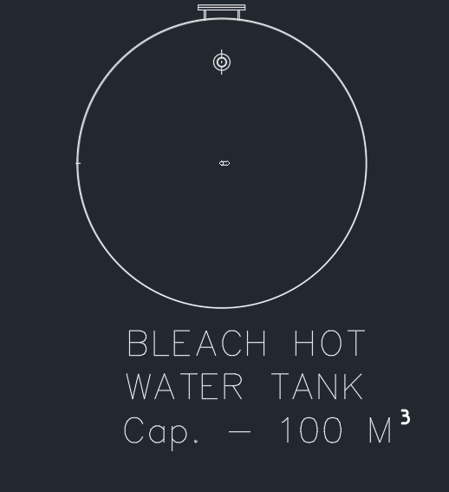 | NO REFERENCE
2 | BLOW TANK-1 | 27276,6034,-300 | 7300 | FTTD:CY:D3876 H2508;CONE:DT:3876 DD:7300 H2944;CY:D:7300 H:8753;CONE:DT:7300 DD:555 H:2636 | 380 | 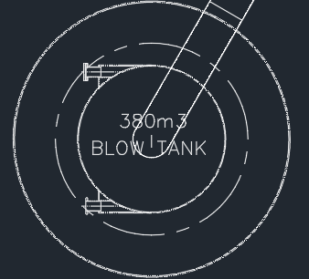
3 | BLOW TANK-2 | 27498,18002,-300 | 7300 | FTTD:CY:D3876 H2508;CONE:DT:3876 DB:7300 H:2944;CY:D:7300 H:8753;CONE:DT:7300 DD:555 H:2636 | 380 | 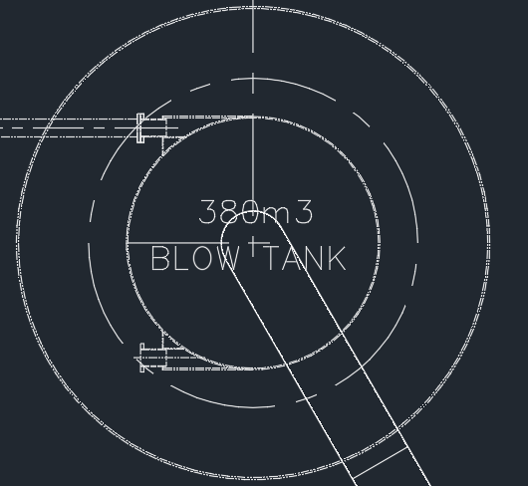
4 | WARM WATER TANK | 35894,-5970,-300 | 5700 | CALCULATE BY DIAMETER AND CAPACITY | 145 |  | NO REFERENCE
5 | BROWN HOT WATER TANK | 44004,-6002,-300 | 5714 | CALCULATE BY DIAMETER AND CAPACITY | 145 | 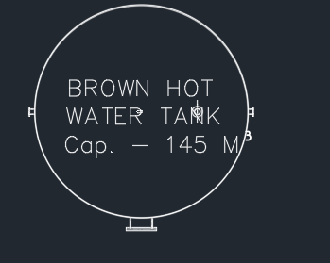 | NO REFERENCE
6 | JUNK TRAP-1 | 33635,8034,-300 | 1770 | Based on search knowledge and knowledge base calculations | NO REF. |  | NO REFERENCE
7 | JUNK TRAP-2 | 33635,15965,-300 | 1770 | Based on search knowledge and knowledge base calculations | NO REF. | 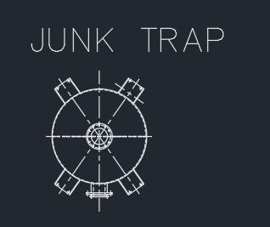 | NO REFERENCE
8 | ACCUMULATOR TANK | 44001,12002,-300 | 7023 | CALCULATE BY DIAMETER AND CAPACITY | 500 | 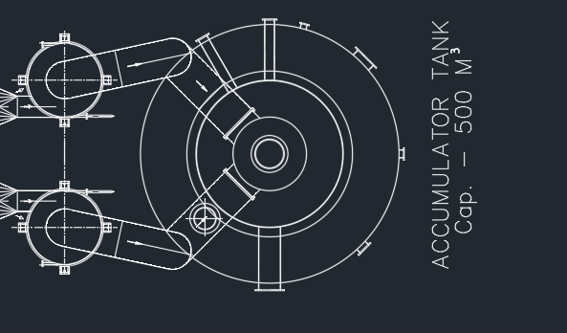 | NO REFERENCE
9 | ACCUMULATOR TANK AID-1 | 38433,10002,-300 | 2022 | Based on search knowledge and knowledge base calculations | NO REF. | 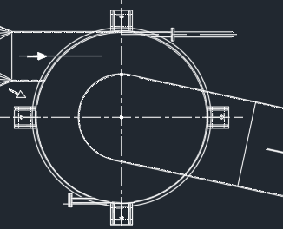 | NO REFERENCE
10 | ACCUMULATOR TANK AID-2 | 38433,14002,-300 | 2022 | Based on search knowledge and knowledge base calculations | NO REF. | 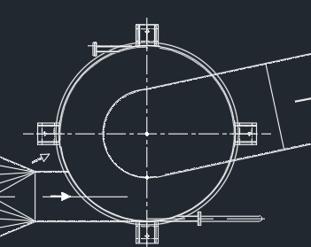 | NO REFERENCE
11 | W-L SERVICE TANK-1 | 44006,20002,-300 | 5000 | CALCULATE BY DIAMETER AND CAPACITY | 100 | 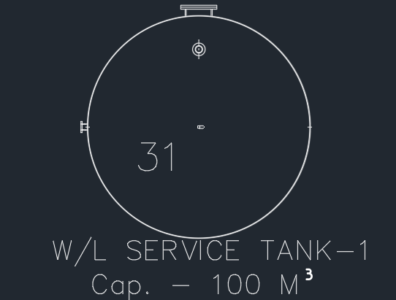 | NO REFERENCE
12 | W-L SERVICE TANK-2 | 44004,27801,-300 | 5000 | CALCULATE BY DIAMETER AND CAPACITY | 100 | 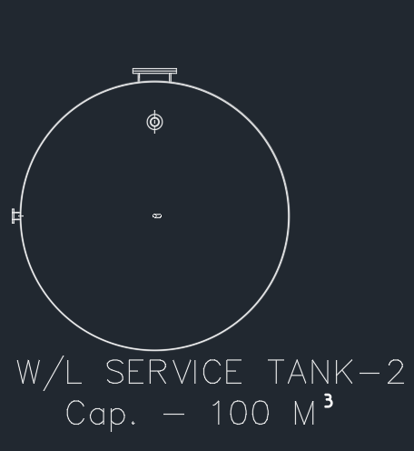 | NO REFERENCE
13 | MAIN CONDENSATE TANK | 28497,27796,-300 | NOT AN CYLINDER LIKE,REFEREN THE PICTURE AND BUILT,THE MAIN TANGLE PARAMETERS FROME TOP:LENTH:3400,WIDTH:2017 |  | 8 |  | NO REFERENCE
14 | SPENT LIQUOR TANK | 32502,27803,-300 | 3000 | CALCULATE BY DIAMETER AND CAPACITY | 10 |  | NO REFERENCE
15 | B-L TANK | 37501,27801,-300 | 5020 | CALCULATE BY DIAMETER AND CAPACITY | 100 |  | NO REFERENCE

