Dealer ISO PriceList
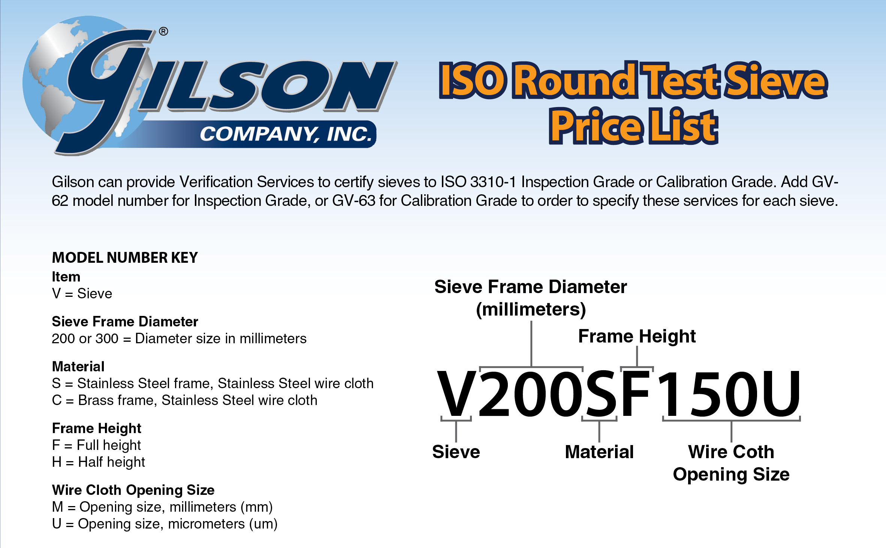

 | 200mm |  |  | 300mm
 | B | C | S | S
 | V200BF V200BH | V200CF V200CH | V200SF V200SH | V300SF V300SH
63M to 3.15M |  | 45.20 | 47.25 | 94.88
2.8M to 160U |  | 45.20 | 40.40 | 93.60
150U to 140U |  | 46.40 | 41.60 | 94.40
125U to 112U |  | 47.20 | 42.40 | 95.20
106U to 100U |  | 51.60 | 46.40 | 100.00
90U to 80U |  | 56.40 | 50.80 | 105.60
75U to 71U |  | 63.20 | 54.80 | 110.00
63U to 56U |  | 71.60 | 62.00 | 118.00
53U to 50U |  | 86.40 | 71.60 | 148.80
45U to 40U |  | 106.40 | 81.60 | 168.00
38U to 36U |  | 122.80 | 103.20 | 196.00
32U |  | 142.40 | 118.40 | 196.00
25U |  | 166.40 | 132.00 | 273.75
20U |  | 402.00 | 294.80 | 526.28
XPN Reg Pan | 16.13 |  | 29.20 | 70.00
XCV Reg Cover | 9.75 |  | 15.20 | 30.40

