Initial
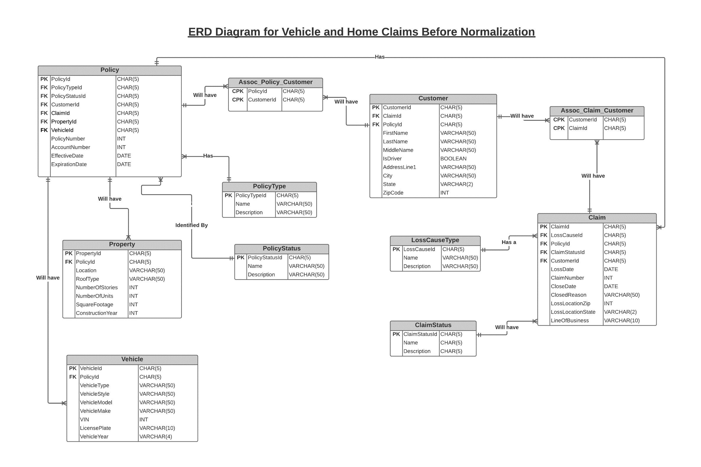
 |  |  |  |  |  |  |  |  |  | many to one | Loss Cause Type
 |  |  |  |  |  |  |  |  |  | many to one | Claim Status |  |  |  |  |  |  |  |  |  |  |  |  |  |  | one to many | claim |  |  | one to many | claim |  | one to many | policy |  | one to many | policy |  |  |  |  |  |  |  | many to one | policy
 |  |  |  |  |  |  |  |  |  |  |  |  |  |  |  |  |  |  |  |  |  |  |  |  |  |  |  |  |  |  |  |  |  |  |  |  |  |  |  |  |  |  |  |  |  |  |  |  |  |  |  |  |  | many to one
CPK | CPK | PK | FK | FK |  |  |  |  |  |  |  |  | CPK | CPK | PK | FK | FK | FK | FK |  |  |  |  |  |  | PK |  |  | PK |  |  | PK |  |  | PK |  |  | PK | FK |  |  |  |  |  |  | PK | FK |  |  |  |  |  |  |  | PK | FK | FK | FK | FK | FK | FK
PolicyId | CustomerId | CustomerId | ClaimId | PolicyId | FirstName | LastName | Middlename | IsDriver | AddressLine1 | City | State | ZipCode | CustomerId | ClaimId | ClaimId | LossCauseId | PolicyId | ClaimStatusId | CustomerId | LossDate | ClaimNumber | CloseDate | ClosedReason | LossLocationzip | LineOf Business | ClaimStatusId | ClaimStatusName | ClaimDescription | LossCauseId | LossCauseName | LossCauseDescription | PolicyTypeId | PolicyTypeName | PolicyTypeDescription | PolicyStatusId | PolicyStatusName | PolicyStatusDescription | PropertyId | PolicyId | Location | RoofType | NumberOf Stories | NumberOfUnits | Square_Footage | ConstructionYear | VehicleId | PolicyId | Vehicletype | VehicleStyle | VehicleModel | VehicleMake | VIN | LicensePlate | VehicleYear | PolicyId | PolicyTypeId | PolicyStatusId | CustomerId | ClaimId | PropertyId | VehicleId | PolicyNumber | AccountNumber | EffectiveDate | ExpirationDate
pc:001 | cu:008 | cu:008 | cl:004 | pc:001 | Julie | E | Tanyhill | no | 8519 Lofty Pnes | Richmond | TX | 77406-4634 | cu:008 | cl:004 | cl:004 | lc:002 | pc:001 | cs:001 | cu:008 | 2021-02-22 | 203000004 | (null) | (null) | Richmond, TX 77406-4634 | Property | cs:001 | Draft | Draft | lc:002 | EarthQuake | Earth Movement | pt:004 | HomeOwners | HomeOwners | ps:001 | In Force | Policies which are Active | pr:003 | pc:001 | 8519 Lofty Pnes, Richmond, TX 77406-4634 | Concrete/Cement-Fiber Tile | 1 | 5 | 4000 | 2020 |  | pc:001 |  |  |  |  |  |  |  | pc:001 | pt:004 | ps:001 | cu:008 | cl:004 | pr:003 | (null) | 193970361 | 4762472641 | 2021-02-03 | 2021-08-03
pc:001 | cu:008 | cu:008 | cl:005 | pc:001 | Julie | E | Tanyhill | no | 8519 Lofty Pnes | Richmond | TX | 77406-4634 | cu:008 | cl:005 | cl:005 | 2021-02-28 | 203000005 | 2021-03-28 | fulfilled | 2021-02-28 | 203000005 | 2021-03-28 | fulfilled | Plano, TX 77406-4634 | Auto | cs:003 | Closed | Closed | lc:001 | Collision | Collide with other vehicles/fixed objects | pt:001 | Personal Auto | Personal Auto | ps:001 | In Force | Policies which are Active |  |  |  |  |  |  |  |  | vh:001 | pc:001 | Car | Auto | BMW | 330 | 93TBG22K01U021791 | 126TUV | 2018 | pc:001 | pt:001 | ps:001 | cu:008 | cl:004 | pr:003 | (null) | 193970362 | 4762472641 | 2021-02-03 | 2021-08-03
pc:002 | cu:005 | cu:005 | cl:001 | pc:002 | Scott | R | Von Seggern | yes | 1800 E Imperial Hwy | Austin | TX | 78728 | cu:005 | cl:001 | cl:001 | lc:001 | pc:002 | cs:001 | cu:005 | 2021-04-21 | 203000001 | (null) | (null) | Austin, TX 78728 | Auto | cs:001 | Draft | Draft | lc:001 | Collision | Collide with other vehicles/fixed objects | pt:001 | Personal Auto | Personal Auto | ps:001 | In Force | Policies which are Active |  |  |  |  |  |  |  |  | vh:002 | pc:002 | Car | Auto | Mercedes Benz | E Class 4D 4Wd 350 | 4T1BG22K01U021791 | 127HAX | 2018 | pc:002 | pt:001 | ps:001 | cu:005 | cl:001 | (null) | vh:002 | 705602890 | 4720553281 | 2021-04-13 | 2021-10-13
pc:003 | cu:001 | cu:001 | cl:008 | pc:003 | Amy | (null) | Blalock | no | 3814 Mahogany St | West Covina | CA | 91792-2787 | cu:001 | cl:008 | cl:008 | lc:002 | pc:003 | cs:001 | cu:001 | 2021-02-12 | 203000008 | (null) | (null) | West Covina, CA 91792-2787 | Property | cs:003 | Closed | Closed | lc:002 | EarthQuake | Earth Movement | pt:005 | Commercial Property | Commercial Property | ps:001 | In Force | Policies which are Active | pr:008 | pc:003 | 3814 Mahogany St, West Covina, CA 91792-2787 | Asphalt Shingle | 2 | 8 | 1500 | 2014 |  | pc:003 |  |  |  |  |  |  |  | pc:003 | pt:005 | ps:001 | cu:001 | cl:008 | pr:008 | (null) | 139645436 | 4760836879 | 2021-01-26 | 2021-07-26
pc:004 | cu:004 | cu:004 | (null) | pc:004 | Emmett | (null) | Veatch | yes | 2351 Faraday Dr | Carlsbad | CA | 92008 | cu:004 | cl:009 | cl:009 |  |  |  |  | 2020-05-12 | 203000009 | (null) | (null) | West Covina, CA 91794 | Auto | cs:001 | Draft | Draft | lc:001 | Collision | Collide with other vehicles/fixed objects | pt:001 | Personal Auto | Personal Auto | ps:001 | In Force | Policies which are Active |  |  |  |  |  |  |  |  | vh:003 | pc:003 | Car | Auto | Jaguar | XJ | 57TBG22K01U021791 | 152GAX | 2019 | pc:003 | pt:001 | ps:001 | cu:004 | (null) | (null) | vh:014 | 139645437 | 4760836879 | 2021-01-26 | 2021-07-26
pc:003 | cu:001 | cu:001 | cl:009 | pc:003 | Amy | (null) | Blalock | no | 3814 Mahogany St | West Covina | CA | 91792-2787 | cu:001 | cl:010 | cl:010 | 2020-05-12 | 203000009 | (null) | fulfilled | 2020-08-12 | 203000010 | (null) | (null) | West Covina, CA 91795 | Auto | cs:003 | Closed | Closed | lc:001 | Collision | Collide with other vehicles/fixed objects | pt:001 | Personal Auto | Personal Auto | ps:001 | In Force | Policies which are Active |  |  |  |  |  |  |  |  | vh:004 | pc:003 | Car | Auto | Honda | Accord | 4B1BG22K01U021791 | 347JAX | 2020 | pc:003 | pt:001 | ps:001 | cu:001 | cl:008 | pr:008 | (null) | 139645437 | 4760836879 | 2021-01-26 | 2021-07-26
pc:003 | cu:001 | cu:001 | cl:010 | pc:003 | Amy | (null) | Blalock | no | 3814 Mahogany St | West Covina | CA | 91792-2787 | cu:001 | null | null | 2020-08-12 | 203000010 | (null) | fulfilled | null | null | null | null | null | null | null | null | null | null | null | null | pt:001 | Personal Auto | Personal Auto | ps:005 | Expired | Policies past end date |  |  |  |  |  |  |  |  |  | pc:004 |  |  |  |  |  |  |  | pc:004 | pt:001 | ps:001 | cu:001 | cl:008 | pr:008 | (null) | 166903831 | 4761760527 | 2021-01-17 | 2021-07-17
pc:006 | cu:027 | cu:027 | cl:011 | pc:006 | Chad | J | Calhoun | yes | 640 Century Pt | Lake Mary | FL | 32746 | cu:027 | cl:011 | cl:011 | lc:001 | pc:006 | cs:003 | cu:027 | 2021-01-21 | 203000011 | (null) | (null) | Lake Mary, FL 32746 | Auto | cs:003 | Closed | Closed | lc:001 | Collision | Collide with other vehicles/fixed objects | pt:001 | Personal Auto | Personal Auto | ps:001 | In Force | Policies which are Active |  |  |  |  |  |  |  |  | vh:009 | pc:006 | Yacht | Watercraft | Bertram Yacht | 28 Ii Flybridge Cruise | BERF2254D484 | 4F53592 | 1984 | pc:006 | pt:001 | ps:001 | cu:027 | cl:011 | (null) | vh:009 | 155130384 | 4730833641 | 2021-01-04 | 2021-06-04

Final
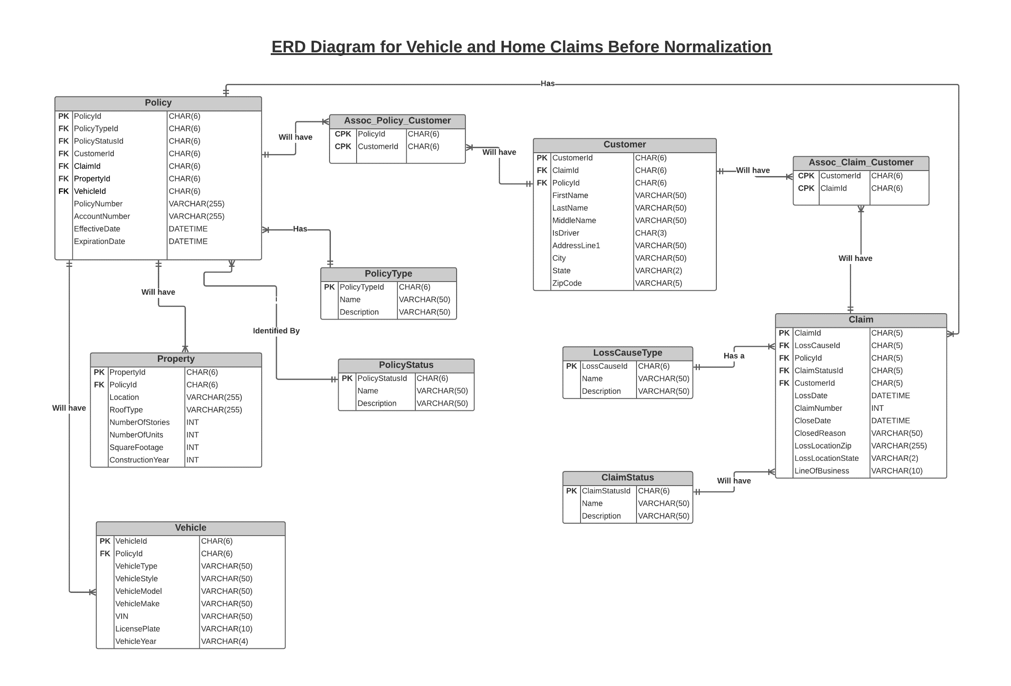
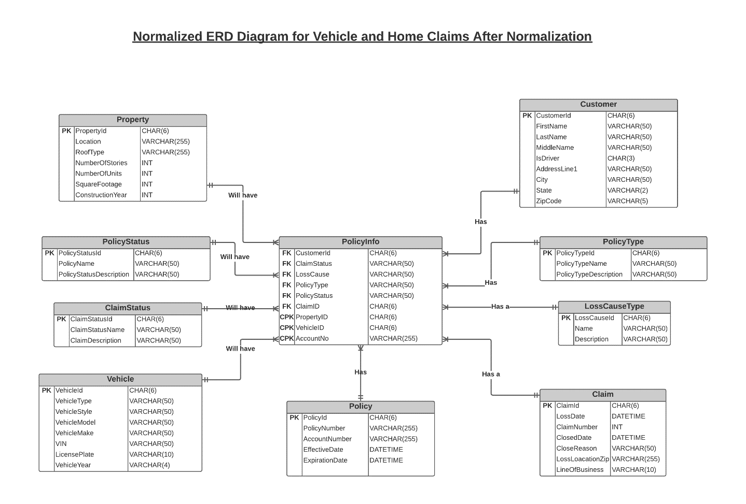
Before Noarmalization | After Normalization

