Sheet1
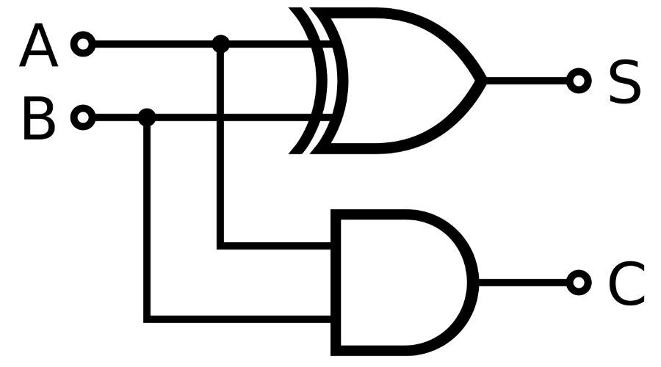
Binary Addition (1+1 = 10)
Binary | OpCode | Data | Write | Notes
100 | LD | 0 |  | Initializes RR to 0
100 | LD | 1 |  | Load OpA into RR
001 | XNOR | 1 |  | XNOR OpA with OpB
101 | ORCR | 0 |  | Invert the value in RR
111 | STO | 0 | Sum | Store the Sum in memory
100 | LD | 1 |  | Load OpA into RR
000 | AND | 1 |  | AND OpA with OpB
111 | STO | 0 | Carry | Store the Carry in memory

