Sheet1
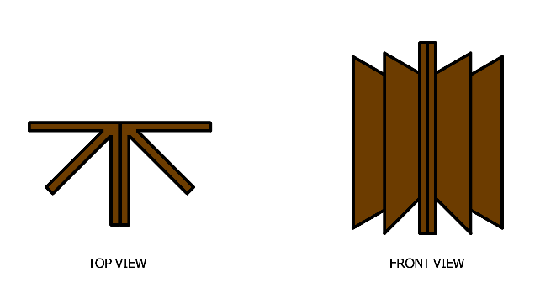
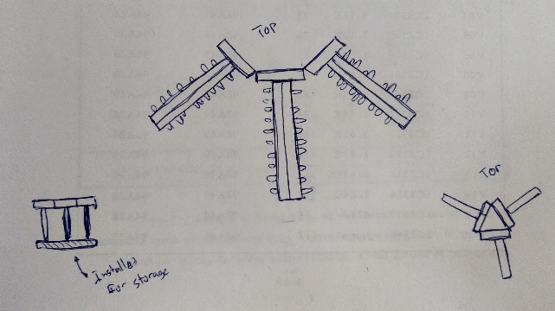
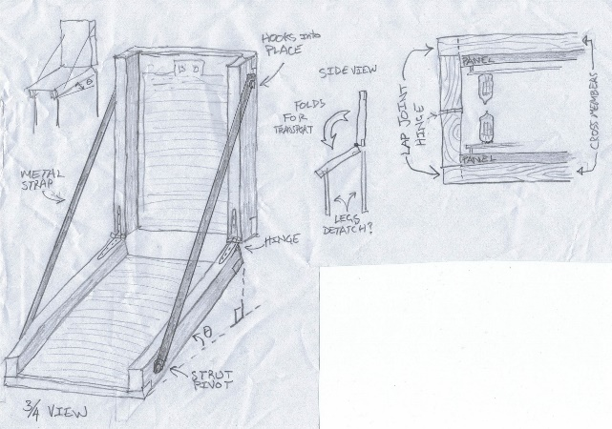
 | ◎ = | Excellent | △ = | Ehhh...
 | ○ = | Good | ✕ = | Bad news bears

Name | Tall Boy | Pinball Style | Filing Cabinet | Very Slow Cray | Sideways Filing | Tri-Force
Footprint | △ | △ | ◎ | ○ | ◎ | ○
Portability | ○ | ○ | ◎ | △ | ◎ | ○
Heat | ◎ | ○ | ✕ | ◎ | ○ | ○
Visibility | △ | ◎ | ✕ | △ | ✕ | △

Name | Clamshell
Footprint | △
Portability | ○
Heat | ◎
Visibility | △

 | Tall Boy |  | Pinball Style |  | Filing Cabinet
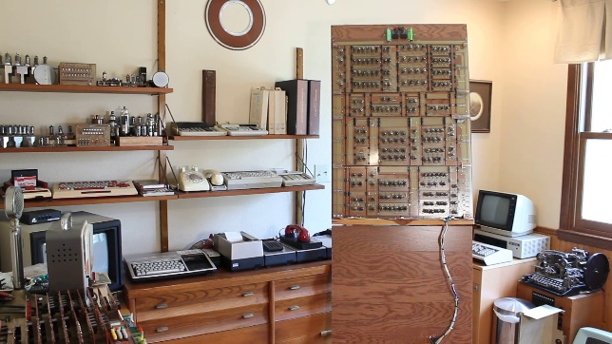
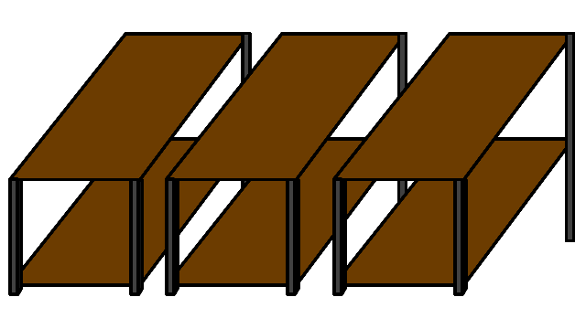
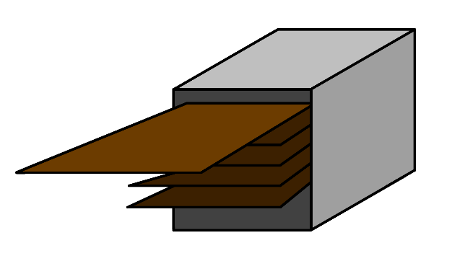

 | Very Slow Cray |  | Tri-Force |  | Clamshell

