Sheet1
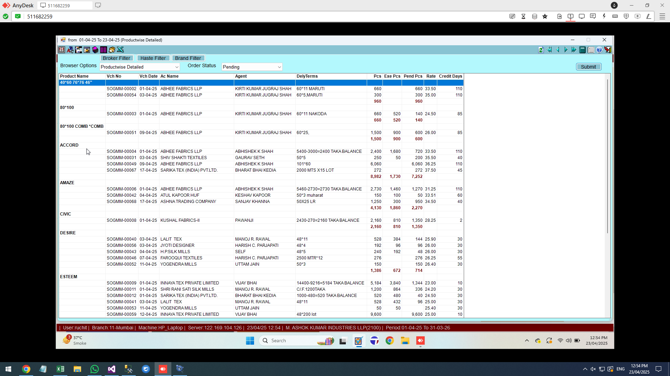

PENIDNG SALE ORDER REPORT
ADD A NEW COLUMN IN ITEMMASTER FOR PER DAY PRODUCTION
IN THIS PENDING REPORT GIVE A COLUMN WHERE WE COME TOI KNOW THE DAYS IN WHICH THE PENDING WORDERS WILL BE COMPLETED (PENDING PCS / PER DAY PRODUCTION)
add group of company filter

Sheet2
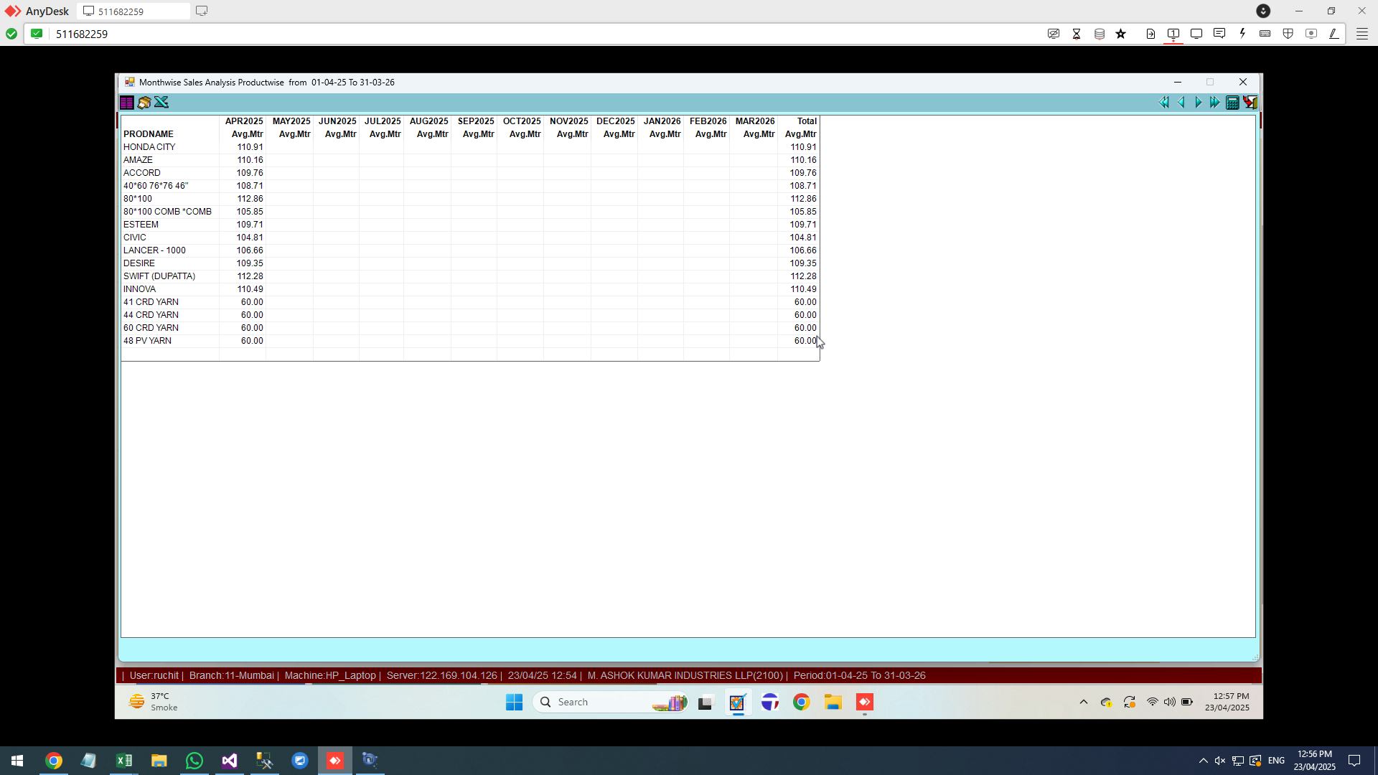

AVERAGE MTRS REPORT
ITEM WISE REPORT, GIVE DATE FILTER ALSO

Sheet3
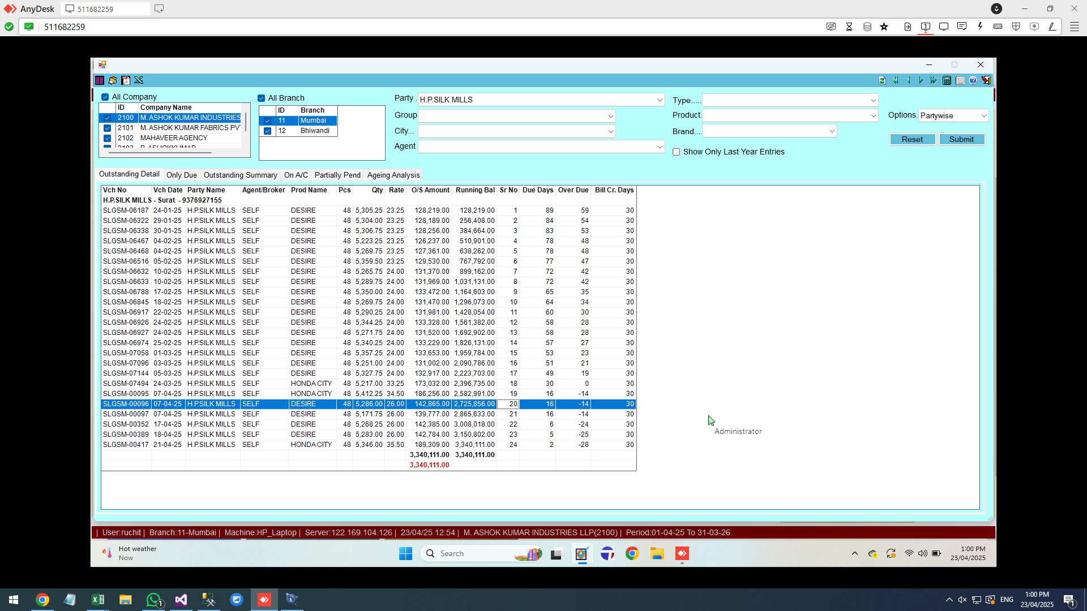

GRID OUTSTANDING CHANGES… ADD RUNNING BAL | SRNO

