Pics2DCase1
Problem2DMaterial.png

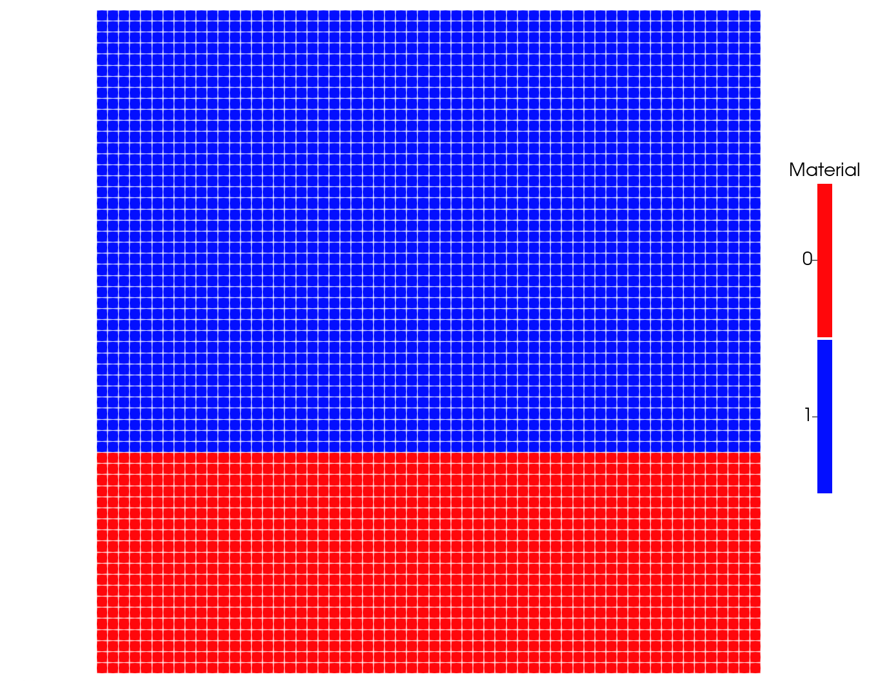

QOI

