Test No.5
Swarm Generation No:1
Particles | Positions |  | Velocities |  | Functional Value | Local Best |  | Global Best
 | x1 | x2 | v1 | v2 |  | P_lb_1 | P_lb_2 | P_gb_1 | P_gb_2
Contour
1 | 1.556 | 1.344 | -0.65573 | -1.664688 | 116.331 | 1.556 | 1.344 | -1.281 | 1.771
2 | -0.507 | 2.604 | 1.782 | 5 | 553.089 | -0.507 | 2.604 | -1.281 | 1.771
3 | 0.533 | -2.794 | 2.925672 | 1.996456 | 947.681 | 0.533 | -2.794 | -1.281 | 1.771
4 | -0.639 | 1.692 | 0 | 0 | 167.469 | -0.639 | 1.692 | -1.281 | 1.771
5 | -1.281 | 1.771 | 1.886634 | 1.06488 | 6.894 | -1.281 | 1.771 | -1.281 | 1.771
6 | -0.026 | 2.65 | -0.240828 | 5 | 574.806 | 0.215 | -2.35 | -1.281 | 1.771
7 | -0.592 | 1.842 | 0.15038 | -0.09196 | 194.424 | -0.742 | 1.934 | -1.281 | 1.771
8 | 0.437 | 2.113 | 5 | -2.677536 | 369.737 | 0.437 | 2.113 | -1.281 | 1.771

Swarm Generation No:2
Particles | Positions |  | Velocities |  | Functional Value | Local Best |  | Global Best
 | x1 | x2 | v1 | v2 |  | P_lb_1 | P_lb_2 | P_gb_1 | P_gb_2
Contour
1 | 1.594 | 2.175 | 0.038176 | 0.8310525 | 13.736 | 1.594 | 2.175 | -2.788 | 1.277
2 | -3.114 | -2.396 | -2.606703 | -5 | 553.089 | -0.507 | 2.604 | -2.788 | 1.277
3 | -0.841 | -3.664 | -1.374385 | -0.87028 | 947.681 | 0.533 | -2.794 | -2.788 | 1.277
4 | -0.639 | 1.692 | 0 | 0 | 167.469 | -0.639 | 1.692 | -2.788 | 1.277
5 | -2.788 | 1.277 | -1.507206 | -0.4937375 | 6.894 | -1.281 | 1.771 | -2.788 | 1.277
6 | 0.092 | 2.015 | -0.122976 | 4.36536 | 403.443 | 0.092 | 2.015 | -2.788 | 1.277
7 | -0.616 | 1.91 | 0.12566 | -0.0242 | 194.424 | -0.742 | 1.934 | -2.788 | 1.277
8 | -4.563 | 2.943 | -5 | 0.82988 | 369.737 | 0.437 | 2.113 | -2.788 | 1.277

Swarm Generation No:3
Particles | Positions |  | Velocities |  | Functional Value | Local Best |  | Global Best
 | x1 | x2 | v1 | v2 |  | P_lb_1 | P_lb_2 | P_gb_1 | P_gb_2
Contour
1 | 1.42 | 2.95 | -0.173607 | 0.775005 | 13.736 | 1.594 | 2.175 | -2.213 | 0.576
2 | -3.193 | -2.396 | -2.685771 | -5 | 553.089 | -0.507 | 2.604 | -2.213 | 0.576
3 | 0.004 | 2.206 | -0.52857 | 5 | 487.629 | 0.004 | 2.206 | -2.213 | 0.576
4 | -0.639 | 1.692 | 0 | 0 | 167.469 | -0.639 | 1.692 | -2.213 | 0.576
5 | -2.213 | 0.576 | -0.932022 | -1.1948985 | 6.894 | -1.281 | 1.771 | -2.213 | 0.576
6 | -0.052 | -1.129 | -0.14374 | -3.1439765 | 129.182 | -0.052 | -1.129 | -2.213 | 0.576
7 | -0.614 | 1.578 | 0.127514 | -0.356224 | 146.846 | -0.614 | 1.578 | -2.213 | 0.576
8 | -4.563 | 4.819 | -5 | 2.706122 | 369.737 | 0.437 | 2.113 | -2.213 | 0.576

Swarm Generation No:4
Particles | Positions |  | Velocities |  | Functional Value | Local Best |  | Global Best
 | x1 | x2 | v1 | v2 |  | P_lb_1 | P_lb_2 | P_gb_1 | P_gb_2
Contour
1 | -0.454 | 1.599 | -2.048149 | -0.576339 | 13.736 | 1.594 | 2.175 | -0.9 | 0.738
2 | -1.289 | -1 | -0.782496 | -3.603516 | 553.089 | -0.507 | 2.604 | -0.9 | 0.738
3 | -2.204 | -2.794 | -2.208201 | -5 | 487.629 | 0.004 | 2.206 | -0.9 | 0.738
4 | -0.639 | 1.692 | 0 | 0 | 167.469 | -0.639 | 1.692 | -0.9 | 0.738
5 | -0.9 | 0.738 | 0.3814395 | -1.0332335 | 4.128 | -0.9 | 0.738 | -0.9 | 0.738
6 | -0.78 | 2.381 | -0.728128 | 3.5102455 | 129.182 | -0.052 | -1.129 | -0.9 | 0.738
7 | -0.69 | 2.196 | -0.076192 | 0.61824 | 146.846 | -0.614 | 1.578 | -0.9 | 0.738
8 | -3.216 | 4.976 | -3.653104 | 2.863311 | 369.737 | 0.437 | 2.113 | -0.9 | 0.738

Swarm Generation No:5
Particles | Positions |  | Velocities |  | Functional Value | Local Best |  | Global Best
 | x1 | x2 | v1 | v2 |  | P_lb_1 | P_lb_2 | P_gb_1 | P_gb_2
Contour
1 | 1.878 | 2.695 | 0.283538 | 0.520083 | 13.736 | 1.594 | 2.175 | -3.115 | 2.158
2 | -1.572 | -1.59 | -1.064646 | -4.193724 | 553.089 | -0.507 | 2.604 | -3.115 | 2.158
3 | -0.133 | -2.794 | -0.137443 | -5 | 487.629 | 0.004 | 2.206 | -3.115 | 2.158
4 | -0.639 | 1.692 | 0 | 0 | 167.469 | -0.639 | 1.692 | -3.115 | 2.158
5 | -3.115 | 2.158 | -2.21508 | 1.419744 | 4.128 | -0.9 | 0.738 | -3.115 | 2.158
6 | -0.4 | 0.799 | -0.348061 | 1.92826 | 42.792 | -0.4 | 0.799 | -3.115 | 2.158
7 | -0.676 | 2.092 | -0.062142 | 0.513756 | 146.846 | -0.614 | 1.578 | -3.115 | 2.158
8 | -1.21 | 3.236 | -1.647004 | 1.12325 | 318.847 | -1.21 | 3.236 | -3.115 | 2.158

Swarm Generation No:6
Particles | Positions |  | Velocities |  | Functional Value | Local Best |  | Global Best
 | x1 | x2 | v1 | v2 |  | P_lb_1 | P_lb_2 | P_gb_1 | P_gb_2
Contour
1 | -1.895 | 1.935 | -3.489417 | -0.240141 | 13.736 | 1.594 | 2.175 | -0.056 | -0.149
2 | -3.025 | -2.396 | -2.517933 | -5 | 553.089 | -0.507 | 2.604 | -0.056 | -0.149
3 | -3.542 | -0.724 | -3.5458735 | -2.93002 | 487.629 | 0.004 | 2.206 | -0.056 | -0.149
4 | -0.639 | 1.692 | 0 | 0 | 167.469 | -0.639 | 1.692 | -0.056 | -0.149
5 | -4.074 | 1.641 | -3.173922 | 0.903252 | 4.128 | -0.9 | 0.738 | -0.056 | -0.149
6 | -0.056 | -0.149 | 0.3442055 | -0.947802 | 3.43 | -0.056 | -0.149 | -0.056 | -0.149
7 | -0.79 | 2.012 | -0.17586 | 0.434142 | 146.846 | -0.614 | 1.578 | -0.056 | -0.149
8 | -2.551 | 3.178 | -1.3408285 | -0.057831 | 318.847 | -1.21 | 3.236 | -0.056 | -0.149

Swarm Generation No:7
Particles | Positions |  | Velocities |  | Functional Value | Local Best |  | Global Best
 | x1 | x2 | v1 | v2 |  | P_lb_1 | P_lb_2 | P_gb_1 | P_gb_2
Contour
1 | 2.389 | 2.429 | 0.795463 | 0.254037 | 13.736 | 1.594 | 2.175 | -0.57 | -0.97
2 | -1.485 | 0.298 | -0.978417 | -2.305596 | 369.926 | -1.485 | 0.298 | -0.57 | -0.97
3 | -1.418 | 0.892 | -1.4219135 | -1.313554 | 131.001 | -1.418 | 0.892 | -0.57 | -0.97
4 | -0.639 | 1.692 | 0 | 0 | 167.469 | -0.639 | 1.692 | -0.57 | -0.97
5 | -0.895 | 0.796 | 0.004536 | 0.058032 | 3.594 | -0.895 | 0.796 | -0.57 | -0.97
6 | -0.57 | -0.97 | -0.513863 | -0.8205205 | 3.43 | -0.056 | -0.149 | -0.57 | -0.97
7 | -0.665 | 1.712 | -0.051282 | 0.134466 | 146.846 | -0.614 | 1.578 | -0.57 | -0.97
8 | -3.207 | 4.394 | -1.9969475 | 1.1579605 | 318.847 | -1.21 | 3.236 | -0.57 | -0.97

Swarm Generation No:8
Particles | Positions |  | Velocities |  | Functional Value | Local Best |  | Global Best
 | x1 | x2 | v1 | v2 |  | P_lb_1 | P_lb_2 | P_gb_1 | P_gb_2
Contour
1 | 0.887 | 2.444 | -0.706659 | 0.269235 | 13.736 | 1.594 | 2.175 | -0.549 | -2.59
2 | -1.812 | -1.648 | -0.32706 | -1.945715 | 369.926 | -1.485 | 0.298 | -0.549 | -2.59
3 | -1.417 | -0.708 | 0.0006605 | -1.600468 | 131.001 | -1.418 | 0.892 | -0.549 | -2.59
4 | -0.639 | 1.692 | 0 | 0 | 167.469 | -0.639 | 1.692 | -0.549 | -2.59
5 | -1.534 | 1.689 | -0.639055 | 0.893084 | 3.594 | -0.895 | 0.796 | -0.549 | -2.59
6 | -0.549 | -2.59 | -0.4931955 | -2.441488 | 3.43 | -0.056 | -0.149 | -0.549 | -2.59
7 | -0.724 | 1.854 | -0.109836 | 0.27624 | 146.846 | -0.614 | 1.578 | -0.549 | -2.59
8 | -2.377 | 2.761 | -1.1666185 | -0.4753105 | 318.847 | -1.21 | 3.236 | -0.549 | -2.59

Swarm Generation No:9
Particles | Positions |  | Velocities |  | Functional Value | Local Best |  | Global Best
 | x1 | x2 | v1 | v2 |  | P_lb_1 | P_lb_2 | P_gb_1 | P_gb_2
Contour
1 | -0.793 | 2.064 | -2.387038 | -0.110625 | 13.736 | 1.594 | 2.175 | -0.51 | -0.105
2 | -2.065 | 0.899 | -0.5796 | 0.601083 | 369.926 | -1.485 | 0.298 | -0.51 | -0.105
3 | -0.597 | -2.145 | 0.820646 | -3.037438 | 131.001 | -1.418 | 0.892 | -0.51 | -0.105
4 | -0.639 | 1.692 | 0 | 0 | 167.469 | -0.639 | 1.692 | -0.51 | -0.105
5 | -0.981 | 1.688 | -0.0861465 | 0.892243 | 3.594 | -0.895 | 0.796 | -0.51 | -0.105
6 | -0.51 | -0.105 | -0.4544075 | 0.043892 | 3.43 | -0.056 | -0.149 | -0.51 | -0.105
7 | -0.752 | 1.769 | -0.137904 | 0.190632 | 146.846 | -0.614 | 1.578 | -0.51 | -0.105
8 | -5 | 4.285 | -4.3325905 | 1.048986 | 318.847 | -1.21 | 3.236 | -0.51 | -0.105

Swarm Generation No:10
Particles | Positions |  | Velocities |  | Functional Value | Local Best |  | Global Best
 | x1 | x2 | v1 | v2 |  | P_lb_1 | P_lb_2 | P_gb_1 | P_gb_2
Contour
1 | -1.326 | 1.912 | -2.920488 | -0.262773 | 7.773 | -1.326 | 1.912 | 0.084 | -0.058
2 | 0.084 | -0.058 | 1.56897 | -0.356154 | 1.262 | 0.084 | -0.058 | 0.084 | -0.058
3 | -0.449 | -4.092 | 0.968858 | -4.983917 | 131.001 | -1.418 | 0.892 | 0.084 | -0.058
4 | -0.639 | 1.692 | 0 | 0 | 167.469 | -0.639 | 1.692 | 0.084 | -0.058
5 | -1.248 | 1.363 | -0.3527875 | 0.566785 | 3.594 | -0.895 | 0.796 | 0.084 | -0.058
6 | -0.866 | 1.448 | -0.810465 | 1.597412 | 3.43 | -0.056 | -0.149 | 0.084 | -0.058
7 | -0.806 | 1.91 | -0.192308 | 0.3321 | 146.846 | -0.614 | 1.578 | 0.084 | -0.058
8 | -2.053 | 2.412 | -0.843376 | -0.8236115 | 318.847 | -1.21 | 3.236 | 0.084 | -0.058

Test No.11
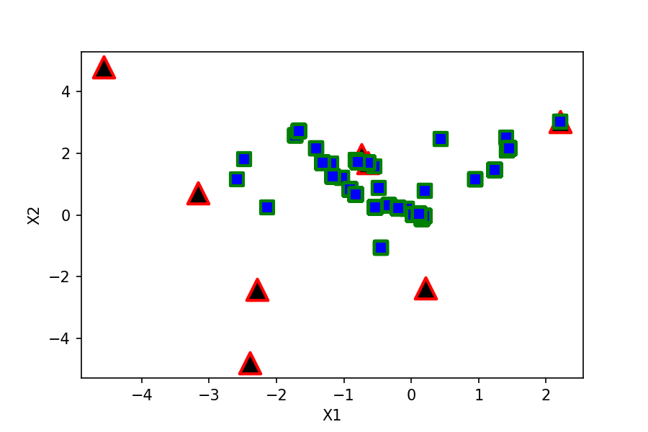
Swarm Generation No:1
Particles | Positions |  | Velocities |  | Functional Value | Local Best |  | Global Best
 | x1 | x2 | v1 | v2 |  | P_lb_1 | P_lb_2 | P_gb_1 | P_gb_2
1 | -0.263 | 1.969 | -2.474668 | -1.04043 | 356.393 | 2.212 | 3.009 | -0.193 | 0.21
2 | -0.448 | -1.055 | 1.8414 | 1.340864 | 159.776 | -0.448 | -1.055 | -0.193 | 0.21
3 | -0.193 | 0.21 | 2.199516 | 5 | 4.408 | -0.193 | 0.21 | -0.193 | 0.21
4 | -0.639 | 1.692 | 0 | 0 | 167.469 | -0.639 | 1.692 | -0.193 | 0.21
5 | -2.586 | 1.152 | 0.58167 | 0.445672 | 3076.92 | -2.586 | 1.152 | -0.193 | 0.21
6 | 0.205 | 0.779 | -0.010248 | 3.128508 | 54.945 | 0.205 | 0.779 | -0.193 | 0.21
7 | -0.547 | 1.577 | 0.194876 | -0.356708 | 165.668 | -0.547 | 1.577 | -0.193 | 0.21
8 | 0.437 | 2.448 | 5 | -2.342844 | 509.736 | 0.437 | 2.448 | -0.193 | 0.21

Swarm Generation No:2
Particles | Positions |  | Velocities |  | Functional Value | Local Best |  | Global Best
 | x1 | x2 | v1 | v2 |  | P_lb_1 | P_lb_2 | P_gb_1 | P_gb_2
1 | -1.694 | 0.904 | -3.90587 | -2.104566 | 356.393 | 2.212 | 3.009 | -2.674 | 0.639
2 | -3.216 | 2.916 | -2.7680195 | 3.970924 | 159.776 | -0.448 | -1.055 | -2.674 | 0.639
3 | -2.674 | 0.639 | -2.480908 | 0.429276 | 4.408 | -0.193 | 0.21 | -2.674 | 0.639
4 | -0.639 | 1.692 | 0 | 0 | 167.469 | -0.639 | 1.692 | -2.674 | 0.639
5 | -2.487 | 1.8 | 0.098997 | 0.647556 | 1935.13 | -2.487 | 1.8 | -2.674 | 0.639
6 | -0.355 | -2.501 | -0.560342 | -3.280392 | 54.945 | 0.205 | 0.779 | -2.674 | 0.639
7 | -0.825 | 1.79 | -0.277589 | 0.2128645 | 126.402 | -0.825 | 1.79 | -2.674 | 0.639
8 | -4.563 | 2.268 | -5 | -0.1803825 | 509.736 | 0.437 | 2.448 | -2.674 | 0.639

Swarm Generation No:3
Particles | Positions |  | Velocities |  | Functional Value | Local Best |  | Global Best
 | x1 | x2 | v1 | v2 |  | P_lb_1 | P_lb_2 | P_gb_1 | P_gb_2
1 | 2.195 | 2.387 | -0.017106 | -0.621624 | 356.393 | 2.212 | 3.009 | -2.416 | -1.449
2 | -2.641 | 3.319 | -2.1931215 | 4.3741545 | 159.776 | -0.448 | -1.055 | -2.416 | -1.449
3 | -2.416 | -1.449 | -2.223476 | -1.659276 | 4.408 | -0.193 | 0.21 | -2.416 | -1.449
4 | -0.639 | 1.692 | 0 | 0 | 167.469 | -0.639 | 1.692 | -2.416 | -1.449
5 | -2.409 | 0.481 | 0.07842 | -1.318554 | 1935.13 | -2.487 | 1.8 | -2.416 | -1.449
6 | -1.077 | 0.274 | -1.282403 | -0.504788 | 54.945 | 0.205 | 0.779 | -2.416 | -1.449
7 | -0.486 | 1.792 | 0.3393615 | 0.001808 | 126.402 | -0.825 | 1.79 | -2.416 | -1.449
8 | -4.177 | 2.985 | -4.614316 | 0.536544 | 509.736 | 0.437 | 2.448 | -2.416 | -1.449

Swarm Generation No:4
Particles | Positions |  | Velocities |  | Functional Value | Local Best |  | Global Best
 | x1 | x2 | v1 | v2 |  | P_lb_1 | P_lb_2 | P_gb_1 | P_gb_2
1 | -0.474 | 2.935 | -2.685642 | -0.073752 | 356.393 | 2.212 | 3.009 | -2.836 | -1.552
2 | -2.693 | 1.644 | -2.244982 | 2.6989925 | 159.776 | -0.448 | -1.055 | -2.836 | -1.552
3 | -2.836 | -1.552 | -2.642856 | -1.761792 | 4.408 | -0.193 | 0.21 | -2.836 | -1.552
4 | -0.639 | 1.692 | 0 | 0 | 167.469 | -0.639 | 1.692 | -2.836 | -1.552
5 | -2.144 | 0.254 | 0.343104 | -1.546377 | 1895.82 | -2.144 | 0.254 | -2.836 | -1.552
6 | -0.273 | -2.821 | -0.477832 | -3.6004695 | 54.945 | 0.205 | 0.779 | -2.836 | -1.552
7 | -0.797 | 1.719 | 0.0282315 | -0.071272 | 120.69 | -0.797 | 1.719 | -2.836 | -1.552
8 | -1.722 | 2.574 | -2.15932 | 0.1260045 | 22.72 | -1.722 | 2.574 | -2.836 | -1.552

Swarm Generation No:5
Particles | Positions |  | Velocities |  | Functional Value | Local Best |  | Global Best
 | x1 | x2 | v1 | v2 |  | P_lb_1 | P_lb_2 | P_gb_1 | P_gb_2
1 | 2.126 | 0.567 | -0.08553 | -2.441718 | 356.393 | 2.212 | 3.009 | -0.586 | -3.456
2 | -2.057 | -1.112 | -1.6087485 | -0.0574905 | 159.776 | -0.448 | -1.055 | -0.586 | -3.456
3 | -0.586 | -3.456 | -0.392984 | -3.66576 | 4.408 | -0.193 | 0.21 | -0.586 | -3.456
4 | -0.639 | 1.692 | 0 | 0 | 167.469 | -0.639 | 1.692 | -0.586 | -3.456
5 | -0.484 | 0.875 | 1.660106 | 0.620782 | 43.258 | -0.484 | 0.875 | -0.586 | -3.456
6 | -1.171 | 1.243 | -1.376105 | 0.464277 | 6.358 | -1.171 | 1.243 | -0.586 | -3.456
7 | -0.447 | 1.824 | 0.349601 | 0.105462 | 120.69 | -0.797 | 1.719 | -0.586 | -3.456
8 | -4.544 | 4.806 | -2.8217715 | 2.232477 | 22.72 | -1.722 | 2.574 | -0.586 | -3.456

Swarm Generation No:6
Particles | Positions |  | Velocities |  | Functional Value | Local Best |  | Global Best
 | x1 | x2 | v1 | v2 |  | P_lb_1 | P_lb_2 | P_gb_1 | P_gb_2
1 | 1.408 | 2.506 | -0.803982 | -0.503094 | 27.575 | 1.408 | 2.506 | -2.036 | -1.368
2 | -2.08 | 3.022 | -1.6321615 | 4.076836 | 159.776 | -0.448 | -1.055 | -2.036 | -1.368
3 | -2.036 | -1.368 | -1.843276 | -1.57794 | 4.408 | -0.193 | 0.21 | -2.036 | -1.368
4 | -0.639 | 1.692 | 0 | 0 | 167.469 | -0.639 | 1.692 | -2.036 | -1.368
5 | -4.254 | 1.358 | -3.76974 | 0.482915 | 43.258 | -0.484 | 0.875 | -2.036 | -1.368
6 | 1.467 | -0.913 | 2.637572 | -2.155998 | 6.358 | -1.171 | 1.243 | -2.036 | -1.368
7 | -0.556 | 1.716 | 0.240964 | -0.0026205 | 120.69 | -0.797 | 1.719 | -2.036 | -1.368
8 | -0.85 | 4.024 | 0.872157 | 1.4503995 | 22.72 | -1.722 | 2.574 | -2.036 | -1.368

Swarm Generation No:7
Particles | Positions |  | Velocities |  | Functional Value | Local Best |  | Global Best
 | x1 | x2 | v1 | v2 |  | P_lb_1 | P_lb_2 | P_gb_1 | P_gb_2
1 | -1.413 | 2.162 | -2.820574 | -0.3437235 | 8.559 | -1.413 | 2.162 | -2.385 | -2.428
2 | -1.36 | 3.231 | -0.9123255 | 4.2857585 | 159.776 | -0.448 | -1.055 | -2.385 | -2.428
3 | -2.385 | -2.428 | -2.192428 | -2.638272 | 4.408 | -0.193 | 0.21 | -2.385 | -2.428
4 | -0.639 | 1.692 | 0 | 0 | 167.469 | -0.639 | 1.692 | -2.385 | -2.428
5 | -3.21 | 1.054 | -2.725734 | 0.1788965 | 43.258 | -0.484 | 0.875 | -2.385 | -2.428
6 | -0.814 | -1.642 | 0.356503 | -2.885258 | 6.358 | -1.171 | 1.243 | -2.385 | -2.428
7 | -0.59 | 1.876 | 0.206623 | 0.157389 | 120.69 | -0.797 | 1.719 | -2.385 | -2.428
8 | -2.581 | 4.104 | -0.859296 | 1.5295545 | 22.72 | -1.722 | 2.574 | -2.385 | -2.428

Swarm Generation No:8
Particles | Positions |  | Velocities |  | Functional Value | Local Best |  | Global Best
 | x1 | x2 | v1 | v2 |  | P_lb_1 | P_lb_2 | P_gb_1 | P_gb_2
1 | 2.322 | 1.917 | 3.7352775 | -0.2445205 | 8.559 | -1.413 | 2.162 | -4.098 | -1.031
2 | -1.688 | -0.38 | -1.240005 | 0.6750385 | 159.776 | -0.448 | -1.055 | -4.098 | -1.031
3 | -4.098 | -1.031 | -3.904628 | -1.241052 | 4.408 | -0.193 | 0.21 | -4.098 | -1.031
4 | -0.639 | 1.692 | 0 | 0 | 167.469 | -0.639 | 1.692 | -4.098 | -1.031
5 | -1.025 | 1.192 | -0.541058 | 0.316565 | 6.099 | -1.025 | 1.192 | -4.098 | -1.031
6 | 0.794 | -0.89 | 1.96511 | -2.132686 | 6.358 | -1.171 | 1.243 | -4.098 | -1.031
7 | -0.777 | 1.973 | 0.019825 | 0.25389 | 120.69 | -0.797 | 1.719 | -4.098 | -1.031
8 | -3.746 | 2.7 | -2.0243655 | 0.125937 | 22.72 | -1.722 | 2.574 | -4.098 | -1.031

Swarm Generation No:9
Particles | Positions |  | Velocities |  | Functional Value | Local Best |  | Global Best
 | x1 | x2 | v1 | v2 |  | P_lb_1 | P_lb_2 | P_gb_1 | P_gb_2
1 | 3.587 | 2.218 | 5 | 0.0555015 | 8.559 | -1.413 | 2.162 | -0.572 | 1.464
2 | -1.192 | 1.666 | -0.744495 | 2.7205155 | 10.814 | -1.192 | 1.666 | -0.572 | 1.464
3 | -0.572 | 1.464 | -0.379432 | 1.253976 | 4.408 | -0.193 | 0.21 | -0.572 | 1.464
4 | -0.639 | 1.692 | 0 | 0 | 167.469 | -0.639 | 1.692 | -0.572 | 1.464
5 | -1.938 | 1.298 | -0.9129075 | 0.105782 | 6.099 | -1.025 | 1.192 | -0.572 | 1.464
6 | 0.561 | -3.383 | 1.731975 | -4.626071 | 6.358 | -1.171 | 1.243 | -0.572 | 1.464
7 | -0.763 | 1.845 | 0.033782 | 0.1256325 | 120.69 | -0.797 | 1.719 | -0.572 | 1.464
8 | -0.405 | 3.519 | 1.3165125 | 0.9453375 | 22.72 | -1.722 | 2.574 | -0.572 | 1.464

Swarm Generation No:10
Particles | Positions |  | Velocities |  | Functional Value | Local Best |  | Global Best
 | x1 | x2 | v1 | v2 |  | P_lb_1 | P_lb_2 | P_gb_1 | P_gb_2
1 | 2.276 | 2.441 | 3.6887085 | 0.278698 | 8.559 | -1.413 | 2.162 | -0.911 | 0.828
2 | -0.911 | 0.828 | 0.281005 | -0.837551 | 3.652 | -0.911 | 0.828 | -0.911 | 0.828
3 | -3.413 | -3.838 | -3.220396 | -4.047636 | 4.408 | -0.193 | 0.21 | -0.911 | 0.828
4 | -0.639 | 1.692 | 0 | 0 | 167.469 | -0.639 | 1.692 | -0.911 | 0.828
5 | -1.543 | 0.904 | -0.5175985 | -0.287508 | 6.099 | -1.025 | 1.192 | -0.911 | 0.828
6 | 0.781 | -1.021 | 1.951915 | -2.263725 | 6.358 | -1.171 | 1.243 | -0.911 | 0.828
7 | -0.55 | 1.817 | 0.2471645 | 0.0980595 | 120.69 | -0.797 | 1.719 | -0.911 | 0.828
8 | -3.926 | 4.43 | -2.204328 | 1.8556875 | 22.72 | -1.722 | 2.574 | -0.911 | 0.828

Swarm Generation No:11
Particles | Positions |  | Velocities |  | Functional Value | Local Best |  | Global Best
 | x1 | x2 | v1 | v2 |  | P_lb_1 | P_lb_2 | P_gb_1 | P_gb_2
1 | 0.013 | 2.439 | 1.4264205 | 0.277398 | 8.559 | -1.413 | 2.162 | -1.388 | -3.011
2 | -1.388 | -3.011 | -0.476891 | -3.839124 | 3.652 | -0.911 | 0.828 | -1.388 | -3.011
3 | -1.526 | -0.411 | -1.33292 | -0.620808 | 4.408 | -0.193 | 0.21 | -1.388 | -3.011
4 | -0.639 | 1.692 | 0 | 0 | 167.469 | -0.639 | 1.692 | -1.388 | -3.011
5 | -2.633 | 1.252 | -1.607639 | 0.060499 | 6.099 | -1.025 | 1.192 | -1.388 | -3.011
6 | 0.386 | -3.655 | 1.557486 | -4.8982175 | 6.358 | -1.171 | 1.243 | -1.388 | -3.011
7 | -0.441 | 1.762 | 0.3556865 | 0.04314 | 120.69 | -0.797 | 1.719 | -1.388 | -3.011
8 | -1.514 | 5 | 0.208323 | 2.5039395 | 22.72 | -1.722 | 2.574 | -1.388 | -3.011

Swarm Generation No:12
Particles | Positions |  | Velocities |  | Functional Value | Local Best |  | Global Best
 | x1 | x2 | v1 | v2 |  | P_lb_1 | P_lb_2 | P_gb_1 | P_gb_2
1 | 3.587 | 2.358 | 5 | 0.1962445 | 8.559 | -1.413 | 2.162 | -2.752 | -0.854
2 | -2.752 | -0.854 | -1.84059 | -1.681692 | 3.652 | -0.911 | 0.828 | -2.752 | -0.854
3 | -3.348 | 0.361 | -3.154568 | 0.151272 | 4.408 | -0.193 | 0.21 | -2.752 | -0.854
4 | -0.639 | 1.692 | 0 | 0 | 167.469 | -0.639 | 1.692 | -2.752 | -0.854
5 | -1.721 | 1.267 | -0.6958005 | 0.075277 | 6.099 | -1.025 | 1.192 | -2.752 | -0.854
6 | 0.001 | -2.161 | 1.171933 | -3.4044805 | 6.358 | -1.171 | 1.243 | -2.752 | -0.854
7 | -0.536 | 1.962 | 0.2613265 | 0.243423 | 120.69 | -0.797 | 1.719 | -2.752 | -0.854
8 | -2.322 | 2.139 | -0.5998845 | -0.434547 | 22.72 | -1.722 | 2.574 | -2.752 | -0.854

Swarm Generation No:13
Particles | Positions |  | Velocities |  | Functional Value | Local Best |  | Global Best
 | x1 | x2 | v1 | v2 |  | P_lb_1 | P_lb_2 | P_gb_1 | P_gb_2
1 | 1.414 | 2.082 | 2.826942 | -0.0804975 | 0.854 | 1.414 | 2.082 | 1.414 | 2.082
2 | -2.237 | 1.011 | -1.326128 | 0.182556 | 3.652 | -0.911 | 0.828 | 1.414 | 2.082
3 | -3.224 | -4.79 | -3.030988 | -5 | 4.408 | -0.193 | 0.21 | 1.414 | 2.082
4 | -0.639 | 1.692 | 0 | 0 | 167.469 | -0.639 | 1.692 | 1.414 | 2.082
5 | -0.823 | 0.665 | 0.201726 | -0.526742 | 3.339 | -0.823 | 0.665 | 1.414 | 2.082
6 | 0.905 | 0.28 | 2.076018 | -0.9630775 | 6.358 | -1.171 | 1.243 | 1.414 | 2.082
7 | -0.667 | 1.934 | 0.1300155 | 0.215055 | 120.69 | -0.797 | 1.719 | 1.414 | 2.082
8 | -3.64 | 3.203 | -1.917891 | 0.629406 | 22.72 | -1.722 | 2.574 | 1.414 | 2.082

Swarm Generation No:14
Particles | Positions |  | Velocities |  | Functional Value | Local Best |  | Global Best
 | x1 | x2 | v1 | v2 |  | P_lb_1 | P_lb_2 | P_gb_1 | P_gb_2
1 | -0.477 | 2.03 | -1.891239 | -0.0518835 | 0.854 | 1.414 | 2.082 | -0.477 | 2.03
2 | -1.976 | -1.543 | -1.065012 | -2.37054 | 3.652 | -0.911 | 0.828 | -0.477 | 2.03
3 | -2.927 | -3.248 | -2.733512 | -3.457812 | 4.408 | -0.193 | 0.21 | -0.477 | 2.03
4 | -0.639 | 1.692 | 0 | 0 | 167.469 | -0.639 | 1.692 | -0.477 | 2.03
5 | -1.364 | 2.011 | -0.541317 | 1.346355 | 3.339 | -0.823 | 0.665 | -0.477 | 2.03
6 | 0.057 | 0.56 | 1.227604 | -0.6829075 | 6.358 | -1.171 | 1.243 | -0.477 | 2.03
7 | -0.462 | 1.917 | 0.3351695 | 0.1980315 | 120.69 | -0.797 | 1.719 | -0.477 | 2.03
8 | -1.927 | 2.062 | -0.2045565 | -0.511776 | 22.72 | -1.722 | 2.574 | -0.477 | 2.03

Swarm Generation No:15
Particles | Positions |  | Velocities |  | Functional Value | Local Best |  | Global Best
 | x1 | x2 | v1 | v2 |  | P_lb_1 | P_lb_2 | P_gb_1 | P_gb_2
1 | -0.444 | 2.04 | -1.858086 | -0.0418485 | 0.854 | 1.414 | 2.082 | -0.444 | 2.04
2 | -2.127 | -1.377 | -1.216462 | -2.205192 | 3.652 | -0.911 | 0.828 | -0.444 | 2.04
3 | -1.202 | -3.929 | -1.009 | -4.139076 | 4.408 | -0.193 | 0.21 | -0.444 | 2.04
4 | -0.639 | 1.692 | 0 | 0 | 167.469 | -0.639 | 1.692 | -0.444 | 2.04
5 | -1.499 | 2.016 | -0.6757085 | 1.350991 | 3.339 | -0.823 | 0.665 | -0.444 | 2.04
6 | -0.485 | 1.498 | 0.686287 | 0.254972 | 6.358 | -1.171 | 1.243 | -0.444 | 2.04
7 | -0.66 | 1.918 | 0.13654 | 0.1989075 | 120.69 | -0.797 | 1.719 | -0.444 | 2.04
8 | -3.588 | 5 | -1.8660915 | 3.0888945 | 22.72 | -1.722 | 2.574 | -0.444 | 2.04

Swarm Generation No:16
Particles | Positions |  | Velocities |  | Functional Value | Local Best |  | Global Best
 | x1 | x2 | v1 | v2 |  | P_lb_1 | P_lb_2 | P_gb_1 | P_gb_2
1 | 1.233 | 1.451 | -0.180929 | -0.63105 | 0.534 | 1.233 | 1.451 | 1.233 | 1.451
2 | -1.789 | -1.447 | -0.87777 | -2.274888 | 3.652 | -0.911 | 0.828 | 1.233 | 1.451
3 | -1.132 | 2.68 | -0.938992 | 2.4699 | 4.408 | -0.193 | 0.21 | 1.233 | 1.451
4 | -0.639 | 1.692 | 0 | 0 | 167.469 | -0.639 | 1.692 | 1.233 | 1.451
5 | -2.953 | 0.729 | -2.129956 | 0.063663 | 3.339 | -0.823 | 0.665 | 1.233 | 1.451
6 | -1.019 | 0.726 | 0.151893 | -0.5167295 | 6.358 | -1.171 | 1.243 | 1.233 | 1.451
7 | -0.466 | 1.832 | 0.3311775 | 0.113133 | 120.69 | -0.797 | 1.719 | 1.233 | 1.451
8 | -5 | 2.19 | -3.3080955 | -0.3837195 | 22.72 | -1.722 | 2.574 | 1.233 | 1.451

Swarm Generation No:17
Particles | Positions |  | Velocities |  | Functional Value | Local Best |  | Global Best
 | x1 | x2 | v1 | v2 |  | P_lb_1 | P_lb_2 | P_gb_1 | P_gb_2
1 | -0.439 | 3.609 | -1.67232 | 2.158379 | 0.534 | 1.233 | 1.451 | -0.439 | 3.609
2 | -1.673 | 0.611 | -0.761828 | -0.217152 | 3.652 | -0.911 | 0.828 | -0.439 | 3.609
3 | -0.658 | 2.968 | -0.4646 | 2.757912 | 4.408 | -0.193 | 0.21 | -0.439 | 3.609
4 | -0.639 | 1.692 | 0 | 0 | 167.469 | -0.639 | 1.692 | -0.439 | 3.609
5 | -3.388 | 1.017 | -2.5646825 | 0.3522695 | 3.339 | -0.823 | 0.665 | -0.439 | 3.609
6 | 0.376 | 1.71 | 1.547448 | 0.466954 | 6.358 | -1.171 | 1.243 | -0.439 | 3.609
7 | -0.558 | 1.899 | 0.2390835 | 0.1802955 | 120.69 | -0.797 | 1.719 | -0.439 | 3.609
8 | -3.649 | 4.434 | -1.92744 | 1.860237 | 22.72 | -1.722 | 2.574 | -0.439 | 3.609

Swarm Generation No:18
Particles | Positions |  | Velocities |  | Functional Value | Local Best |  | Global Best
 | x1 | x2 | v1 | v2 |  | P_lb_1 | P_lb_2 | P_gb_1 | P_gb_2
1 | -0.737 | 3.112 | -1.970442 | 1.661119 | 0.534 | 1.233 | 1.451 | -0.737 | 3.112
2 | -2.601 | -1.382 | -1.69015 | -2.210496 | 3.652 | -0.911 | 0.828 | -0.737 | 3.112
3 | -3.583 | -4.79 | -3.38984 | -5 | 4.408 | -0.193 | 0.21 | -0.737 | 3.112
4 | -0.639 | 1.692 | 0 | 0 | 167.469 | -0.639 | 1.692 | -0.737 | 3.112
5 | -1.274 | 2.414 | -0.4514915 | 1.7492835 | 3.339 | -0.823 | 0.665 | -0.737 | 3.112
6 | 1.527 | -1.066 | 2.697674 | -2.308553 | 6.358 | -1.171 | 1.243 | -0.737 | 3.112
7 | -0.598 | 1.749 | 0.198628 | 0.029508 | 120.69 | -0.797 | 1.719 | -0.737 | 3.112
8 | -5 | 2.683 | -3.2849625 | 0.109242 | 22.72 | -1.722 | 2.574 | -0.737 | 3.112

Swarm Generation No:19
Particles | Positions |  | Velocities |  | Functional Value | Local Best |  | Global Best
 | x1 | x2 | v1 | v2 |  | P_lb_1 | P_lb_2 | P_gb_1 | P_gb_2
1 | -1.635 | 3.096 | -2.8678245 | 1.645158 | 0.534 | 1.233 | 1.451 | -1.635 | 3.096
2 | -1.504 | -1.488 | -0.593112 | -2.316216 | 3.652 | -0.911 | 0.828 | -1.635 | 3.096
3 | -3.287 | -2.035 | -3.093728 | -2.2455 | 4.408 | -0.193 | 0.21 | -1.635 | 3.096
4 | -0.639 | 1.692 | 0 | 0 | 167.469 | -0.639 | 1.692 | -1.635 | 3.096
5 | -3.043 | 0.865 | -2.219982 | 0.200396 | 3.339 | -0.823 | 0.665 | -1.635 | 3.096
6 | 1.212 | -3.224 | 2.382961 | -4.4671925 | 6.358 | -1.171 | 1.243 | -1.635 | 3.096
7 | -0.474 | 1.866 | 0.3232645 | 0.1474815 | 120.69 | -0.797 | 1.719 | -1.635 | 3.096
8 | -2.967 | 1.341 | -1.245306 | -1.2330675 | 22.72 | -1.722 | 2.574 | -1.635 | 3.096

Swarm Generation No:20
Particles | Positions |  | Velocities |  | Functional Value | Local Best |  | Global Best
 | x1 | x2 | v1 | v2 |  | P_lb_1 | P_lb_2 | P_gb_1 | P_gb_2
1 | -1.003 | 3.325 | -2.2357605 | 1.87401 | 0.534 | 1.233 | 1.451 | -1.003 | 3.325
2 | -1.505 | -0.542 | -0.593519 | -1.369836 | 3.652 | -0.911 | 0.828 | -1.003 | 3.325
3 | -2.827 | -1.44 | -2.634312 | -1.649712 | 4.408 | -0.193 | 0.21 | -1.003 | 3.325
4 | -0.639 | 1.692 | 0 | 0 | 167.469 | -0.639 | 1.692 | -1.003 | 3.325
5 | -3.865 | 2.588 | -3.0422355 | 1.9227555 | 3.339 | -0.823 | 0.665 | -1.003 | 3.325
6 | 0.623 | -3.439 | 1.793701 | -4.681702 | 6.358 | -1.171 | 1.243 | -1.003 | 3.325
7 | -0.524 | 1.772 | 0.2729255 | 0.0527115 | 120.69 | -0.797 | 1.719 | -1.003 | 3.325
8 | -1.606 | 4.164 | 0.1156395 | 1.590498 | 22.72 | -1.722 | 2.574 | -1.003 | 3.325

Swarm Generation No:21
Particles | Positions |  | Velocities |  | Functional Value | Local Best |  | Global Best
 | x1 | x2 | v1 | v2 |  | P_lb_1 | P_lb_2 | P_gb_1 | P_gb_2
1 | -1.364 | 3.46 | -2.597262 | 2.00919 | 0.534 | 1.233 | 1.451 | -1.364 | 3.46
2 | -1.29 | -0.807 | -0.3789 | -1.634964 | 3.652 | -0.911 | 0.828 | -1.364 | 3.46
3 | -0.542 | -1.059 | -0.3491 | -1.269156 | 4.408 | -0.193 | 0.21 | -1.364 | 3.46
4 | -0.639 | 1.692 | 0 | 0 | 167.469 | -0.639 | 1.692 | -1.364 | 3.46
5 | -2.362 | 1.426 | -1.539183 | 0.7608795 | 3.339 | -0.823 | 0.665 | -1.364 | 3.46
6 | 0.042 | -1.447 | 1.212631 | -2.6903635 | 6.358 | -1.171 | 1.243 | -1.364 | 3.46
7 | -0.732 | 1.787 | 0.0650675 | 0.0684915 | 120.69 | -0.797 | 1.719 | -1.364 | 3.46
8 | -1.866 | 4.064 | -0.1443315 | 1.489995 | 22.72 | -1.722 | 2.574 | -1.364 | 3.46

Swarm Generation No:22
Particles | Positions |  | Velocities |  | Functional Value | Local Best |  | Global Best
 | x1 | x2 | v1 | v2 |  | P_lb_1 | P_lb_2 | P_gb_1 | P_gb_2
1 | -1.773 | 1.973 | -3.0055695 | 0.522158 | 0.534 | 1.233 | 1.451 | -1.773 | 1.973
2 | -1.566 | 0.837 | -0.654537 | 0.008916 | 3.652 | -0.911 | 0.828 | -1.773 | 1.973
3 | -1.65 | -4.79 | -1.456844 | -5 | 4.408 | -0.193 | 0.21 | -1.773 | 1.973
4 | -0.639 | 1.692 | 0 | 0 | 167.469 | -0.639 | 1.692 | -1.773 | 1.973
5 | -2.987 | 1.405 | -2.1640315 | 0.740215 | 3.339 | -0.823 | 0.665 | -1.773 | 1.973
6 | 0.481 | -0.969 | 1.652455 | -2.211665 | 6.358 | -1.171 | 1.243 | -1.773 | 1.973
7 | -0.508 | 1.861 | 0.2890145 | 0.141636 | 120.69 | -0.797 | 1.719 | -1.773 | 1.973
8 | -1.666 | 2.708 | 0.0555675 | 0.133578 | 7.564 | -1.666 | 2.708 | -1.773 | 1.973

Swarm Generation No:23
Particles | Positions |  | Velocities |  | Functional Value | Local Best |  | Global Best
 | x1 | x2 | v1 | v2 |  | P_lb_1 | P_lb_2 | P_gb_1 | P_gb_2
1 | 0.972 | 3.372 | -0.26118 | 1.92098 | 0.534 | 1.233 | 1.451 | 0.972 | 3.372
2 | -2.618 | 0.976 | -1.707215 | 0.148212 | 3.652 | -0.911 | 0.828 | 0.972 | 3.372
3 | -1.009 | -1.577 | -0.815896 | -1.786656 | 4.408 | -0.193 | 0.21 | 0.972 | 3.372
4 | -0.639 | 1.692 | 0 | 0 | 167.469 | -0.639 | 1.692 | 0.972 | 3.372
5 | -4.033 | 2.565 | -3.2100195 | 1.899889 | 3.339 | -0.823 | 0.665 | 0.972 | 3.372
6 | 0.731 | -3.031 | 1.902257 | -4.274052 | 6.358 | -1.171 | 1.243 | 0.972 | 3.372
7 | -0.547 | 1.838 | 0.2497675 | 0.1192515 | 120.69 | -0.797 | 1.719 | 0.972 | 3.372
8 | -3.294 | 5 | -1.6279725 | 2.576534 | 7.564 | -1.666 | 2.708 | 0.972 | 3.372

Swarm Generation No:24
Particles | Positions |  | Velocities |  | Functional Value | Local Best |  | Global Best
 | x1 | x2 | v1 | v2 |  | P_lb_1 | P_lb_2 | P_gb_1 | P_gb_2
1 | 0.375 | 3.512 | -0.857742 | 2.060778 | 0.534 | 1.233 | 1.451 | 0.375 | 3.512
2 | -1.528 | -1.184 | -0.617255 | -2.011812 | 3.652 | -0.911 | 0.828 | 0.375 | 3.512
3 | -3.494 | -4.291 | -3.301236 | -4.501212 | 4.408 | -0.193 | 0.21 | 0.375 | 3.512
4 | -0.639 | 1.692 | 0 | 0 | 167.469 | -0.639 | 1.692 | 0.375 | 3.512
5 | -2.277 | 2.278 | -1.4542615 | 1.612662 | 3.339 | -0.823 | 0.665 | 0.375 | 3.512
6 | 0.702 | -0.288 | 1.873368 | -1.530849 | 6.358 | -1.171 | 1.243 | 0.375 | 3.512
7 | -0.721 | 1.922 | 0.0760735 | 0.202737 | 120.69 | -0.797 | 1.719 | 0.375 | 3.512
8 | -3.568 | 2.814 | -1.901778 | 0.1055425 | 7.564 | -1.666 | 2.708 | 0.375 | 3.512

Swarm Generation No:25
Particles | Positions |  | Velocities |  | Functional Value | Local Best |  | Global Best
 | x1 | x2 | v1 | v2 |  | P_lb_1 | P_lb_2 | P_gb_1 | P_gb_2
1 | 1.554 | 2.602 | 0.3206775 | 1.151159 | 0.534 | 1.233 | 1.451 | 1.554 | 2.602
2 | -1.741 | 0.534 | -0.829717 | -0.29352 | 3.652 | -0.911 | 0.828 | 1.554 | 2.602
3 | -2.48 | -2.496 | -2.287116 | -2.705592 | 4.408 | -0.193 | 0.21 | 1.554 | 2.602
4 | -0.639 | 1.692 | 0 | 0 | 167.469 | -0.639 | 1.692 | 1.554 | 2.602
5 | -2.403 | 0.975 | -1.5803465 | 0.309811 | 3.339 | -0.823 | 0.665 | 1.554 | 2.602
6 | 0.691 | -2.49 | 1.862238 | -3.73333 | 6.358 | -1.171 | 1.243 | 1.554 | 2.602
7 | -0.546 | 1.778 | 0.2507305 | 0.058707 | 120.69 | -0.797 | 1.719 | 1.554 | 2.602
8 | -2.937 | 2.171 | -1.270981 | -0.537141 | 7.564 | -1.666 | 2.708 | 1.554 | 2.602

Swarm Generation No:26
Particles | Positions |  | Velocities |  | Functional Value | Local Best |  | Global Best
 | x1 | x2 | v1 | v2 |  | P_lb_1 | P_lb_2 | P_gb_1 | P_gb_2
1 | -0.933 | 2.965 | -2.1661305 | 1.514429 | 0.534 | 1.233 | 1.451 | -0.933 | 2.965
2 | -1.085 | -0.462 | -0.1737 | -1.290144 | 3.652 | -0.911 | 0.828 | -0.933 | 2.965
3 | -1.892 | -4.79 | -1.698988 | -5 | 4.408 | -0.193 | 0.21 | -0.933 | 2.965
4 | -0.639 | 1.692 | 0 | 0 | 167.469 | -0.639 | 1.692 | -0.933 | 2.965
5 | -3.513 | 2.036 | -2.690075 | 1.37136 | 3.339 | -0.823 | 0.665 | -0.933 | 2.965
6 | 0.132 | 0.891 | 1.302539 | -0.3521855 | 6.358 | -1.171 | 1.243 | -0.933 | 2.965
7 | -0.516 | 1.931 | 0.2812655 | 0.2117715 | 120.69 | -0.797 | 1.719 | -0.933 | 2.965
8 | -0.613 | 4.849 | 1.0531175 | 2.1412245 | 7.564 | -1.666 | 2.708 | -0.933 | 2.965

Swarm Generation No:27
Particles | Positions |  | Velocities |  | Functional Value | Local Best |  | Global Best
 | x1 | x2 | v1 | v2 |  | P_lb_1 | P_lb_2 | P_gb_1 | P_gb_2
1 | 0.32 | 1.738 | -0.9125265 | 0.286543 | 0.534 | 1.233 | 1.451 | 0.32 | 1.738
2 | -1.587 | -0.301 | -0.67589 | -1.128672 | 3.652 | -0.911 | 0.828 | 0.32 | 1.738
3 | -0.746 | -3.655 | -0.55294 | -3.86544 | 4.408 | -0.193 | 0.21 | 0.32 | 1.738
4 | -0.639 | 1.692 | 0 | 0 | 167.469 | -0.639 | 1.692 | 0.32 | 1.738
5 | -3.489 | 1.404 | -2.666083 | 0.7392815 | 3.339 | -0.823 | 0.665 | 0.32 | 1.738
6 | 0.641 | -2.391 | 1.812062 | -3.633622 | 6.358 | -1.171 | 1.243 | 0.32 | 1.738
7 | -0.721 | 1.988 | 0.075752 | 0.268668 | 120.69 | -0.797 | 1.719 | 0.32 | 1.738
8 | -0.042 | 4.272 | 1.623892 | 1.5639 | 7.564 | -1.666 | 2.708 | 0.32 | 1.738

Swarm Generation No:28
Particles | Positions |  | Velocities |  | Functional Value | Local Best |  | Global Best
 | x1 | x2 | v1 | v2 |  | P_lb_1 | P_lb_2 | P_gb_1 | P_gb_2
1 | -0.899 | 2.696 | -2.131551 | 1.244943 | 0.534 | 1.233 | 1.451 | -0.899 | 2.696
2 | -2.336 | 1.54 | -1.4247 | 0.711708 | 3.652 | -0.911 | 0.828 | -0.899 | 2.696
3 | -3.216 | -4.305 | -3.0227 | -4.515096 | 4.408 | -0.193 | 0.21 | -0.899 | 2.696
4 | -0.639 | 1.692 | 0 | 0 | 167.469 | -0.639 | 1.692 | -0.899 | 2.696
5 | -2.976 | 1.142 | -2.152977 | 0.4773665 | 3.339 | -0.823 | 0.665 | -0.899 | 2.696
6 | 1.338 | -3.421 | 2.509066 | -4.6637525 | 6.358 | -1.171 | 1.243 | -0.899 | 2.696
7 | -0.438 | 1.888 | 0.3585675 | 0.16896 | 120.69 | -0.797 | 1.719 | -0.899 | 2.696
8 | -3.908 | 3.903 | -2.241792 | 1.1950535 | 7.564 | -1.666 | 2.708 | -0.899 | 2.696

Swarm Generation No:29
Particles | Positions |  | Velocities |  | Functional Value | Local Best |  | Global Best
 | x1 | x2 | v1 | v2 |  | P_lb_1 | P_lb_2 | P_gb_1 | P_gb_2
1 | 0.162 | 3.629 | -1.0705185 | 2.177569 | 0.534 | 1.233 | 1.451 | 0.162 | 3.629
2 | -2.354 | 0.165 | -1.443389 | -0.66306 | 3.652 | -0.911 | 0.828 | 0.162 | 3.629
3 | -2.853 | -3.158 | -2.66038 | -3.367896 | 4.408 | -0.193 | 0.21 | 0.162 | 3.629
4 | -0.639 | 1.692 | 0 | 0 | 167.469 | -0.639 | 1.692 | 0.162 | 3.629
5 | -3.606 | 2.12 | -2.7833555 | 1.4548005 | 3.339 | -0.823 | 0.665 | 0.162 | 3.629
6 | 0.24 | -1.951 | 1.41141 | -3.1943695 | 6.358 | -1.171 | 1.243 | 0.162 | 3.629
7 | -0.581 | 1.83 | 0.2164585 | 0.1106505 | 120.69 | -0.797 | 1.719 | 0.162 | 3.629
8 | -4.37 | 4.012 | -2.703877 | 1.3035095 | 7.564 | -1.666 | 2.708 | 0.162 | 3.629

Swarm Generation No:30
Particles | Positions |  | Velocities |  | Functional Value | Local Best |  | Global Best
 | x1 | x2 | v1 | v2 |  | P_lb_1 | P_lb_2 | P_gb_1 | P_gb_2
1 | -1.847 | 3.813 | -3.080172 | 2.362278 | 0.534 | 1.233 | 1.451 | -1.847 | 3.813
2 | -0.99 | -1.061 | -0.078648 | -1.888656 | 3.652 | -0.911 | 0.828 | -1.847 | 3.813
3 | -1.931 | -4.368 | -1.738408 | -4.577796 | 4.408 | -0.193 | 0.21 | -1.847 | 3.813
4 | -0.639 | 1.692 | 0 | 0 | 167.469 | -0.639 | 1.692 | -1.847 | 3.813
5 | -4.036 | 1.367 | -3.212629 | 0.702198 | 3.339 | -0.823 | 0.665 | -1.847 | 3.813
6 | 1.713 | 0.548 | 2.883839 | -0.6952755 | 6.358 | -1.171 | 1.243 | -1.847 | 3.813
7 | -0.405 | 1.789 | 0.3919325 | 0.069672 | 120.69 | -0.797 | 1.719 | -1.847 | 3.813
8 | -2.376 | 2.658 | -0.7098195 | -0.0501805 | 7.564 | -1.666 | 2.708 | -1.847 | 3.813

Swarm Generation No:31
Particles | Positions |  | Velocities |  | Functional Value | Local Best |  | Global Best
 | x1 | x2 | v1 | v2 |  | P_lb_1 | P_lb_2 | P_gb_1 | P_gb_2
1 | 1.255 | 3.96 | 0.0217905 | 2.508752 | 0.534 | 1.233 | 1.451 | 1.255 | 3.96
2 | -1.206 | 1.292 | -0.295215 | 0.46368 | 3.652 | -0.911 | 0.828 | 1.255 | 3.96
3 | -1.479 | -2.644 | -1.285556 | -2.854008 | 4.408 | -0.193 | 0.21 | 1.255 | 3.96
4 | -0.639 | 1.692 | 0 | 0 | 167.469 | -0.639 | 1.692 | 1.255 | 3.96
5 | -4.125 | 1.733 | -3.3024115 | 1.0683645 | 3.339 | -0.823 | 0.665 | 1.255 | 3.96
6 | 1.588 | 0.634 | 2.759057 | -0.6091365 | 6.358 | -1.171 | 1.243 | 1.255 | 3.96
7 | -0.563 | 1.952 | 0.233679 | 0.233136 | 120.69 | -0.797 | 1.719 | 1.255 | 3.96
8 | -0.195 | 2.876 | 1.4705545 | 0.1679705 | 7.564 | -1.666 | 2.708 | 1.255 | 3.96

Swarm Generation No:32
Particles | Positions |  | Velocities |  | Functional Value | Local Best |  | Global Best
 | x1 | x2 | v1 | v2 |  | P_lb_1 | P_lb_2 | P_gb_1 | P_gb_2
1 | -0.511 | 2.455 | -1.744491 | 1.004013 | 0.534 | 1.233 | 1.451 | -0.511 | 2.455
2 | -1.711 | 0.247 | -0.800026 | -0.581196 | 3.652 | -0.911 | 0.828 | -0.511 | 2.455
3 | -2.874 | -4.79 | -2.680904 | -5 | 4.408 | -0.193 | 0.21 | -0.511 | 2.455
4 | -0.639 | 1.692 | 0 | 0 | 167.469 | -0.639 | 1.692 | -0.511 | 2.455
5 | -1.848 | 2.07 | -1.0249735 | 1.4048875 | 3.339 | -0.823 | 0.665 | -0.511 | 2.455
6 | 0.45 | 1.442 | 1.62099 | 0.1991805 | 6.358 | -1.171 | 1.243 | -0.511 | 2.455
7 | -0.712 | 1.671 | 0.0852475 | -0.048018 | 120.69 | -0.797 | 1.719 | -0.511 | 2.455
8 | -3.452 | 0.948 | -1.785713 | -1.760257 | 7.564 | -1.666 | 2.708 | -0.511 | 2.455

Swarm Generation No:33
Particles | Positions |  | Velocities |  | Functional Value | Local Best |  | Global Best
 | x1 | x2 | v1 | v2 |  | P_lb_1 | P_lb_2 | P_gb_1 | P_gb_2
1 | 0.121 | 3.722 | -1.111755 | 2.271227 | 0.534 | 1.233 | 1.451 | 0.121 | 3.722
2 | -1.795 | -0.628 | -0.88443 | -1.45566 | 3.652 | -0.911 | 0.828 | 0.121 | 3.722
3 | -0.948 | 1.878 | -0.755484 | 1.667856 | 4.408 | -0.193 | 0.21 | 0.121 | 3.722
4 | -0.639 | 1.692 | 0 | 0 | 167.469 | -0.639 | 1.692 | 0.121 | 3.722
5 | -2.655 | 2.544 | -1.831805 | 1.8790055 | 3.339 | -0.823 | 0.665 | 0.121 | 3.722
6 | -0.479 | 0.728 | 0.692426 | -0.514707 | 6.358 | -1.171 | 1.243 | 0.121 | 3.722
7 | -0.552 | 1.916 | 0.2446625 | 0.19671 | 120.69 | -0.797 | 1.719 | 0.121 | 3.722
8 | -5 | 1.666 | -3.4097035 | -1.041775 | 7.564 | -1.666 | 2.708 | 0.121 | 3.722

Swarm Generation No:34
Particles | Positions |  | Velocities |  | Functional Value | Local Best |  | Global Best
 | x1 | x2 | v1 | v2 |  | P_lb_1 | P_lb_2 | P_gb_1 | P_gb_2
1 | 2.38 | 3.912 | 1.147269 | 2.461353 | 0.534 | 1.233 | 1.451 | 2.38 | 3.912
2 | -0.848 | -0.339 | 0.063128 | -1.166532 | 3.652 | -0.911 | 0.828 | 2.38 | 3.912
3 | -1.612 | 0.177 | -1.418716 | -0.033204 | 4.408 | -0.193 | 0.21 | 2.38 | 3.912
4 | -0.639 | 1.692 | 0 | 0 | 167.469 | -0.639 | 1.692 | 2.38 | 3.912
5 | -0.922 | 1.128 | -0.0990295 | 0.463134 | 3.339 | -0.823 | 0.665 | 2.38 | 3.912
6 | -0.191 | 0.885 | 0.980007 | -0.357734 | 6.358 | -1.171 | 1.243 | 2.38 | 3.912
7 | -0.63 | 1.805 | 0.1669 | 0.0855525 | 120.69 | -0.797 | 1.719 | 2.38 | 3.912
8 | -1.539 | 2.878 | 0.127489 | 0.169766 | 7.564 | -1.666 | 2.708 | 2.38 | 3.912

Swarm Generation No:35
Particles | Positions |  | Velocities |  | Functional Value | Local Best |  | Global Best
 | x1 | x2 | v1 | v2 |  | P_lb_1 | P_lb_2 | P_gb_1 | P_gb_2
1 | -1.518 | 3.558 | -2.7506205 | 2.107272 | 0.534 | 1.233 | 1.451 | -1.518 | 3.558
2 | -2.503 | -1.438 | -1.592415 | -2.266104 | 3.652 | -0.911 | 0.828 | -1.518 | 3.558
3 | -3.979 | -2.128 | -3.7857 | -2.33754 | 4.408 | -0.193 | 0.21 | -1.518 | 3.558
4 | -0.639 | 1.692 | 0 | 0 | 167.469 | -0.639 | 1.692 | -1.518 | 3.558
5 | -2.444 | 1.477 | -1.6209175 | 0.812329 | 3.339 | -0.823 | 0.665 | -1.518 | 3.558
6 | -0.867 | 1.065 | 0.303898 | -0.1780515 | 6.358 | -1.171 | 1.243 | -1.518 | 3.558
7 | -0.537 | 1.876 | 0.259839 | 0.1569645 | 120.69 | -0.797 | 1.719 | -1.518 | 3.558
8 | -0.69 | 2.656 | 0.9762585 | -0.051923 | 7.564 | -1.666 | 2.708 | -1.518 | 3.558

Swarm Generation No:36
Particles | Positions |  | Velocities |  | Functional Value | Local Best |  | Global Best
 | x1 | x2 | v1 | v2 |  | P_lb_1 | P_lb_2 | P_gb_1 | P_gb_2
1 | 1.528 | 2.136 | 0.294534 | 0.684914 | 0.534 | 1.233 | 1.451 | 1.528 | 2.136
2 | -0.874 | 1.46 | 0.037137 | 0.631596 | 3.652 | -0.911 | 0.828 | 1.528 | 2.136
3 | -2.605 | -1.842 | -2.41224 | -2.051616 | 4.408 | -0.193 | 0.21 | 1.528 | 2.136
4 | -0.639 | 1.692 | 0 | 0 | 167.469 | -0.639 | 1.692 | 1.528 | 2.136
5 | -2.204 | 0.906 | -1.3807185 | 0.24112 | 3.339 | -0.823 | 0.665 | 1.528 | 2.136
6 | 0.035 | -1.57 | 1.205659 | -2.8126325 | 6.358 | -1.171 | 1.243 | 1.528 | 2.136
7 | -0.56 | 1.719 | 0.236508 | 0.0002265 | 120.69 | -0.797 | 1.719 | 1.528 | 2.136
8 | -4.52 | 2.822 | -2.854474 | 0.114299 | 7.564 | -1.666 | 2.708 | 1.528 | 2.136

Swarm Generation No:37
Particles | Positions |  | Velocities |  | Functional Value | Local Best |  | Global Best
 | x1 | x2 | v1 | v2 |  | P_lb_1 | P_lb_2 | P_gb_1 | P_gb_2
1 | 1.543 | 2.45 | 0.309708 | 0.999052 | 0.534 | 1.233 | 1.451 | 1.543 | 2.45
2 | -2.197 | 1.479 | -1.28607 | 0.65124 | 3.652 | -0.911 | 0.828 | 1.543 | 2.45
3 | -1.329 | 0.56 | -1.135556 | 0.349752 | 4.408 | -0.193 | 0.21 | 1.543 | 2.45
4 | -0.639 | 1.692 | 0 | 0 | 167.469 | -0.639 | 1.692 | 1.543 | 2.45
5 | -1.229 | 0.8 | -0.4063805 | 0.1347035 | 3.339 | -0.823 | 0.665 | 1.543 | 2.45
6 | 0.3 | -3.564 | 1.470707 | -4.806611 | 6.358 | -1.171 | 1.243 | 1.543 | 2.45
7 | -0.675 | 1.756 | 0.122197 | 0.0370215 | 120.69 | -0.797 | 1.719 | 1.543 | 2.45
8 | -4.662 | 3.175 | -2.996124 | 0.4672575 | 7.564 | -1.666 | 2.708 | 1.543 | 2.45

Swarm Generation No:38
Particles | Positions |  | Velocities |  | Functional Value | Local Best |  | Global Best
 | x1 | x2 | v1 | v2 |  | P_lb_1 | P_lb_2 | P_gb_1 | P_gb_2
1 | 1.447 | 1.882 | 0.213912 | 0.430852 | 0.534 | 1.233 | 1.451 | 1.447 | 1.882
2 | -1.453 | 1.548 | -0.542055 | 0.719976 | 3.652 | -0.911 | 0.828 | 1.447 | 1.882
3 | -2.901 | -4.79 | -2.707792 | -5 | 4.408 | -0.193 | 0.21 | 1.447 | 1.882
4 | -0.639 | 1.692 | 0 | 0 | 167.469 | -0.639 | 1.692 | 1.447 | 1.882
5 | -0.837 | 1.1 | -0.014237 | 0.435313 | 3.339 | -0.823 | 0.665 | 1.447 | 1.882
6 | 0.212 | -2.777 | 1.383256 | -4.019909 | 6.358 | -1.171 | 1.243 | 1.447 | 1.882
7 | -0.728 | 1.779 | 0.06925 | 0.060018 | 120.69 | -0.797 | 1.719 | 1.447 | 1.882
8 | -1.224 | 4.826 | 0.4415375 | 2.1179115 | 7.564 | -1.666 | 2.708 | 1.447 | 1.882

Swarm Generation No:39
Particles | Positions |  | Velocities |  | Functional Value | Local Best |  | Global Best
 | x1 | x2 | v1 | v2 |  | P_lb_1 | P_lb_2 | P_gb_1 | P_gb_2
1 | 0.563 | 2.334 | -0.669576 | 0.883367 | 0.534 | 1.233 | 1.451 | 0.563 | 2.334
2 | -1.794 | -0.381 | -0.882595 | -1.208544 | 3.652 | -0.911 | 0.828 | 0.563 | 2.334
3 | -2.645 | -0.668 | -2.452296 | -0.878256 | 4.408 | -0.193 | 0.21 | 0.563 | 2.334
4 | -0.639 | 1.692 | 0 | 0 | 167.469 | -0.639 | 1.692 | 0.563 | 2.334
5 | -2.935 | 1.993 | -2.112249 | 1.328139 | 3.339 | -0.823 | 0.665 | 0.563 | 2.334
6 | 0.285 | -2.611 | 1.455615 | -3.854449 | 6.358 | -1.171 | 1.243 | 0.563 | 2.334
7 | -0.545 | 1.945 | 0.2518235 | 0.226074 | 120.69 | -0.797 | 1.719 | 0.563 | 2.334
8 | -3.77 | 3.223 | -2.104174 | 0.514866 | 7.564 | -1.666 | 2.708 | 0.563 | 2.334

Swarm Generation No:40
Particles | Positions |  | Velocities |  | Functional Value | Local Best |  | Global Best
 | x1 | x2 | v1 | v2 |  | P_lb_1 | P_lb_2 | P_gb_1 | P_gb_2
1 | -1.46 | 2.467 | -2.6931 | 1.016301 | 0.534 | 1.233 | 1.451 | -1.46 | 2.467
2 | -1.801 | -1.126 | -0.890172 | -1.9542 | 3.652 | -0.911 | 0.828 | -1.46 | 2.467
3 | -3.032 | 0.439 | -2.839164 | 0.22938 | 4.408 | -0.193 | 0.21 | -1.46 | 2.467
4 | -0.639 | 1.692 | 0 | 0 | 167.469 | -0.639 | 1.692 | -1.46 | 2.467
5 | -2.725 | 2.131 | -1.9017435 | 1.466261 | 3.339 | -0.823 | 0.665 | -1.46 | 2.467
6 | -0.037 | 0.694 | 1.134462 | -0.54893 | 6.358 | -1.171 | 1.243 | -1.46 | 2.467
7 | -0.639 | 1.726 | 0.158099 | 0.0071295 | 120.69 | -0.797 | 1.719 | -1.46 | 2.467
8 | 0.047 | 4.498 | 1.712702 | 1.789772 | 7.564 | -1.666 | 2.708 | -1.46 | 2.467

Swarm Generation No:41
Particles | Positions |  | Velocities |  | Functional Value | Local Best |  | Global Best
 | x1 | x2 | v1 | v2 |  | P_lb_1 | P_lb_2 | P_gb_1 | P_gb_2
1 | 0.729 | 2.982 | -0.5040885 | 1.530583 | 0.534 | 1.233 | 1.451 | 0.729 | 2.982
2 | -2.495 | 1.295 | -1.583928 | 0.4671 | 3.652 | -0.911 | 0.828 | 0.729 | 2.982
3 | -2.564 | -2.684 | -2.370768 | -2.893908 | 4.408 | -0.193 | 0.21 | 0.729 | 2.982
4 | -0.639 | 1.692 | 0 | 0 | 167.469 | -0.639 | 1.692 | 0.729 | 2.982
5 | -1.115 | 2.029 | -0.2922675 | 1.3639435 | 3.339 | -0.823 | 0.665 | 0.729 | 2.982
6 | 0.063 | -1.808 | 1.233715 | -3.051394 | 6.358 | -1.171 | 1.243 | 0.729 | 2.982
7 | -0.643 | 1.915 | 0.1543325 | 0.196146 | 120.69 | -0.797 | 1.719 | 0.729 | 2.982
8 | -4.224 | 2.611 | -2.557865 | -0.0970075 | 7.564 | -1.666 | 2.708 | 0.729 | 2.982

Swarm Generation No:42
Particles | Positions |  | Velocities |  | Functional Value | Local Best |  | Global Best
 | x1 | x2 | v1 | v2 |  | P_lb_1 | P_lb_2 | P_gb_1 | P_gb_2
1 | 2.014 | 3.317 | 0.7812825 | 1.865522 | 0.534 | 1.233 | 1.451 | 2.014 | 3.317
2 | -1.31 | -3.481 | -0.398596 | -4.308684 | 3.652 | -0.911 | 0.828 | 2.014 | 3.317
3 | -2.811 | 1.22 | -2.618452 | 1.00956 | 4.408 | -0.193 | 0.21 | 2.014 | 3.317
4 | -0.639 | 1.692 | 0 | 0 | 167.469 | -0.639 | 1.692 | 2.014 | 3.317
5 | -1.694 | 1.982 | -0.871451 | 1.3174515 | 3.339 | -0.823 | 0.665 | 2.014 | 3.317
6 | 0.797 | -1.699 | 1.968015 | -2.941919 | 6.358 | -1.171 | 1.243 | 2.014 | 3.317
7 | -0.768 | 1.972 | 0.02945 | 0.253029 | 120.69 | -0.797 | 1.719 | 2.014 | 3.317
8 | -2.87 | 3.07 | -1.2039115 | 0.362103 | 7.564 | -1.666 | 2.708 | 2.014 | 3.317

Swarm Generation No:43
Particles | Positions |  | Velocities |  | Functional Value | Local Best |  | Global Best
 | x1 | x2 | v1 | v2 |  | P_lb_1 | P_lb_2 | P_gb_1 | P_gb_2
1 | 2.336 | 3.063 | 1.1033865 | 1.61168 | 0.534 | 1.233 | 1.451 | 2.336 | 3.063
2 | -2.359 | -3.17 | -1.448493 | -3.998196 | 3.652 | -0.911 | 0.828 | 2.336 | 3.063
3 | -1.154 | 1.513 | -0.961044 | 1.302648 | 4.408 | -0.193 | 0.21 | 2.336 | 3.063
4 | -0.639 | 1.692 | 0 | 0 | 167.469 | -0.639 | 1.692 | 2.336 | 3.063
5 | -3.405 | 2.216 | -2.5824085 | 1.551423 | 3.339 | -0.823 | 0.665 | 2.336 | 3.063
6 | -0.194 | 1.772 | 0.977389 | 0.5288965 | 6.358 | -1.171 | 1.243 | 2.336 | 3.063
7 | -0.561 | 1.885 | 0.235963 | 0.1664205 | 120.69 | -0.797 | 1.719 | 2.336 | 3.063
8 | -4.005 | 5 | -2.3385415 | 2.6578165 | 7.564 | -1.666 | 2.708 | 2.336 | 3.063

Swarm Generation No:44
Particles | Positions |  | Velocities |  | Functional Value | Local Best |  | Global Best
 | x1 | x2 | v1 | v2 |  | P_lb_1 | P_lb_2 | P_gb_1 | P_gb_2
1 | 0.469 | 4.167 | -0.7635105 | 2.715764 | 0.534 | 1.233 | 1.451 | 0.469 | 4.167
2 | -1.438 | -3.325 | -0.526532 | -4.152696 | 3.652 | -0.911 | 0.828 | 0.469 | 4.167
3 | -3.566 | 1.102 | -3.37312 | 0.892044 | 4.408 | -0.193 | 0.21 | 0.469 | 4.167
4 | -0.639 | 1.692 | 0 | 0 | 167.469 | -0.639 | 1.692 | 0.469 | 4.167
5 | -1.869 | 1.431 | -1.046341 | 0.765984 | 3.339 | -0.823 | 0.665 | 0.469 | 4.167
6 | 0.009 | -1.097 | 1.180305 | -2.3400145 | 6.358 | -1.171 | 1.243 | 0.469 | 4.167
7 | -0.699 | 1.822 | 0.0975115 | 0.103224 | 120.69 | -0.797 | 1.719 | 0.469 | 4.167
8 | -4.456 | 2.631 | -2.7902415 | -0.0771895 | 7.564 | -1.666 | 2.708 | 0.469 | 4.167

Swarm Generation No:45
Particles | Positions |  | Velocities |  | Functional Value | Local Best |  | Global Best
 | x1 | x2 | v1 | v2 |  | P_lb_1 | P_lb_2 | P_gb_1 | P_gb_2
1 | 2.16 | 2.154 | 0.927366 | 0.70349 | 0.534 | 1.233 | 1.451 | 2.16 | 2.154
2 | -2.228 | 0.348 | -1.316847 | -0.480396 | 3.652 | -0.911 | 0.828 | 2.16 | 2.154
3 | -3.64 | -3.735 | -3.446716 | -3.944892 | 4.408 | -0.193 | 0.21 | 2.16 | 2.154
4 | -0.639 | 1.692 | 0 | 0 | 167.469 | -0.639 | 1.692 | 2.16 | 2.154
5 | -3.032 | 1.388 | -2.2091045 | 0.7233905 | 3.339 | -0.823 | 0.665 | 2.16 | 2.154
6 | 0.752 | -0.405 | 1.923243 | -1.648349 | 6.358 | -1.171 | 1.243 | 2.16 | 2.154
7 | -0.732 | 1.957 | 0.0648895 | 0.237696 | 120.69 | -0.797 | 1.719 | 2.16 | 2.154
8 | -3.185 | 3.817 | -1.519077 | 1.109095 | 7.564 | -1.666 | 2.708 | 2.16 | 2.154

Swarm Generation No:46
Particles | Positions |  | Velocities |  | Functional Value | Local Best |  | Global Best
 | x1 | x2 | v1 | v2 |  | P_lb_1 | P_lb_2 | P_gb_1 | P_gb_2
1 | -1.24 | 1.898 | -2.472996 | 0.446804 | 0.534 | 1.233 | 1.451 | -1.24 | 1.898
2 | -1.196 | -2.164 | -0.285006 | -2.99178 | 3.652 | -0.911 | 0.828 | -1.24 | 1.898
3 | -0.782 | -3.089 | -0.588828 | -3.299244 | 4.408 | -0.193 | 0.21 | -1.24 | 1.898
4 | -0.639 | 1.692 | 0 | 0 | 167.469 | -0.639 | 1.692 | -1.24 | 1.898
5 | -2.465 | 1.372 | -1.6422805 | 0.7069225 | 3.339 | -0.823 | 0.665 | -1.24 | 1.898
6 | 0.175 | -2.496 | 1.345778 | -3.739439 | 6.358 | -1.171 | 1.243 | -1.24 | 1.898
7 | -0.58 | 2.034 | 0.2166665 | 0.3149505 | 120.69 | -0.797 | 1.719 | -1.24 | 1.898
8 | -4.779 | 4.768 | -3.113228 | 2.0601645 | 7.564 | -1.666 | 2.708 | -1.24 | 1.898

Swarm Generation No:47
Particles | Positions |  | Velocities |  | Functional Value | Local Best |  | Global Best
 | x1 | x2 | v1 | v2 |  | P_lb_1 | P_lb_2 | P_gb_1 | P_gb_2
1 | 0.603 | 3.722 | -0.6301125 | 2.270857 | 0.534 | 1.233 | 1.451 | 0.603 | 3.722
2 | -1.225 | 2.113 | -0.314353 | 1.2855 | 3.652 | -0.911 | 0.828 | 0.603 | 3.722
3 | -2.507 | 0.768 | -2.314388 | 0.558444 | 4.408 | -0.193 | 0.21 | 0.603 | 3.722
4 | -0.639 | 1.692 | 0 | 0 | 167.469 | -0.639 | 1.692 | 0.603 | 3.722
5 | -2.061 | 1.968 | -1.238241 | 1.302877 | 3.339 | -0.823 | 0.665 | 0.603 | 3.722
6 | 0.128 | 0.517 | 1.298696 | -0.7258495 | 6.358 | -1.171 | 1.243 | 0.603 | 3.722
7 | -0.678 | 1.73 | 0.119117 | 0.010821 | 120.69 | -0.797 | 1.719 | 0.603 | 3.722
8 | -4.449 | 4.068 | -2.782534 | 1.3595545 | 7.564 | -1.666 | 2.708 | 0.603 | 3.722

Swarm Generation No:48
Particles | Positions |  | Velocities |  | Functional Value | Local Best |  | Global Best
 | x1 | x2 | v1 | v2 |  | P_lb_1 | P_lb_2 | P_gb_1 | P_gb_2
1 | 1.641 | 2.903 | 0.4081005 | 1.452017 | 0.534 | 1.233 | 1.451 | 1.641 | 2.903
2 | -1.986 | 0.268 | -1.074608 | -0.56046 | 3.652 | -0.911 | 0.828 | 1.641 | 2.903
3 | -2.232 | -0.792 | -2.03862 | -1.00164 | 4.408 | -0.193 | 0.21 | 1.641 | 2.903
4 | -0.639 | 1.692 | 0 | 0 | 167.469 | -0.639 | 1.692 | 1.641 | 2.903
5 | -2.268 | 1.273 | -1.4445115 | 0.6083555 | 3.339 | -0.823 | 0.665 | 1.641 | 2.903
6 | -0.448 | -1.822 | 0.723303 | -3.0649705 | 6.358 | -1.171 | 1.243 | 1.641 | 2.903
7 | -0.655 | 1.699 | 0.1421105 | -0.0195675 | 120.69 | -0.797 | 1.719 | 1.641 | 2.903
8 | -1.928 | 3.796 | -0.262426 | 1.0879455 | 7.564 | -1.666 | 2.708 | 1.641 | 2.903

Swarm Generation No:49
Particles | Positions |  | Velocities |  | Functional Value | Local Best |  | Global Best
 | x1 | x2 | v1 | v2 |  | P_lb_1 | P_lb_2 | P_gb_1 | P_gb_2
1 | 0.872 | 2.619 | -0.3607065 | 1.168073 | 0.534 | 1.233 | 1.451 | 0.872 | 2.619
2 | -2.815 | 1.377 | -1.903693 | 0.548832 | 3.652 | -0.911 | 0.828 | 0.872 | 2.619
3 | -3.012 | -1.496 | -2.818752 | -1.705836 | 4.408 | -0.193 | 0.21 | 0.872 | 2.619
4 | -0.639 | 1.692 | 0 | 0 | 167.469 | -0.639 | 1.692 | 0.872 | 2.619
5 | -3.719 | 0.734 | -2.8958865 | 0.0692585 | 3.339 | -0.823 | 0.665 | 0.872 | 2.619
6 | 0.797 | 1.213 | 1.96819 | -0.029778 | 6.358 | -1.171 | 1.243 | 0.872 | 2.619
7 | -0.608 | 1.719 | 0.1892755 | -0.0001365 | 120.69 | -0.797 | 1.719 | 0.872 | 2.619
8 | -0.566 | 4.66 | 1.1002945 | 1.9515935 | 7.564 | -1.666 | 2.708 | 0.872 | 2.619

Swarm Generation No:50
Particles | Positions |  | Velocities |  | Functional Value | Local Best |  | Global Best
 | x1 | x2 | v1 | v2 |  | P_lb_1 | P_lb_2 | P_gb_1 | P_gb_2
1 | -1.296 | 2.254 | -2.5293525 | 0.802714 | 0.534 | 1.233 | 1.451 | -1.296 | 2.254
2 | -2.547 | 1.836 | -1.635857 | 1.007544 | 3.652 | -0.911 | 0.828 | -1.296 | 2.254
3 | -3.724 | -1.622 | -3.531428 | -1.832028 | 4.408 | -0.193 | 0.21 | -1.296 | 2.254
4 | -0.639 | 1.692 | 0 | 0 | 167.469 | -0.639 | 1.692 | -1.296 | 2.254
5 | -3.971 | 1.42 | -3.148487 | 0.755186 | 3.339 | -0.823 | 0.665 | -1.296 | 2.254
6 | 1.318 | -3.611 | 2.488675 | -4.854271 | 6.358 | -1.171 | 1.243 | -1.296 | 2.254
7 | -0.706 | 1.879 | 0.0905275 | 0.1596075 | 120.69 | -0.797 | 1.719 | -1.296 | 2.254
8 | -2.072 | 2.58 | -0.4064065 | -0.128331 | 7.564 | -1.666 | 2.708 | -1.296 | 2.254

Swarm Generation No:51
Particles | Positions |  | Velocities |  | Functional Value | Local Best |  | Global Best
 | x1 | x2 | v1 | v2 |  | P_lb_1 | P_lb_2 | P_gb_1 | P_gb_2
1 | -0.553 | 3.064 | -1.7864565 | 1.613228 | 0.534 | 1.233 | 1.451 | -0.553 | 3.064
2 | -1.737 | -1.676 | -0.825577 | -2.503992 | 3.652 | -0.911 | 0.828 | -0.553 | 3.064
3 | -2.44 | -0.286 | -2.246712 | -0.49554 | 4.408 | -0.193 | 0.21 | -0.553 | 3.064
4 | -0.639 | 1.692 | 0 | 0 | 167.469 | -0.639 | 1.692 | -0.553 | 3.064
5 | -3.499 | 1.414 | -2.6755315 | 0.749452 | 3.339 | -0.823 | 0.665 | -0.553 | 3.064
6 | 1.261 | 0.17 | 2.43229 | -1.072605 | 6.358 | -1.171 | 1.243 | -0.553 | 3.064
7 | -0.716 | 1.869 | 0.0807955 | 0.149589 | 120.69 | -0.797 | 1.719 | -0.553 | 3.064
8 | -5 | 2.581 | -3.870551 | -0.127466 | 7.564 | -1.666 | 2.708 | -0.553 | 3.064

Swarm Generation No:52
Particles | Positions |  | Velocities |  | Functional Value | Local Best |  | Global Best
 | x1 | x2 | v1 | v2 |  | P_lb_1 | P_lb_2 | P_gb_1 | P_gb_2
1 | 0.565 | 3.995 | -0.668028 | 2.543617 | 0.534 | 1.233 | 1.451 | 0.565 | 3.995
2 | -2.755 | -3.422 | -1.844298 | -4.25028 | 3.652 | -0.911 | 0.828 | 0.565 | 3.995
3 | -1.276 | 0.209 | -1.083356 | -0.001308 | 4.408 | -0.193 | 0.21 | 0.565 | 3.995
4 | -0.639 | 1.692 | 0 | 0 | 167.469 | -0.639 | 1.692 | 0.565 | 3.995
5 | -2.247 | 0.682 | -1.4235695 | 0.016961 | 3.339 | -0.823 | 0.665 | 0.565 | 3.995
6 | -0.008 | -2.83 | 1.162742 | -4.0727395 | 6.358 | -1.171 | 1.243 | 0.565 | 3.995
7 | -0.479 | 1.801 | 0.3177575 | 0.082191 | 120.69 | -0.797 | 1.719 | 0.565 | 3.995
8 | -4.239 | 3.941 | -2.5729555 | 1.2333175 | 7.564 | -1.666 | 2.708 | 0.565 | 3.995

Swarm Generation No:53
Particles | Positions |  | Velocities |  | Functional Value | Local Best |  | Global Best
 | x1 | x2 | v1 | v2 |  | P_lb_1 | P_lb_2 | P_gb_1 | P_gb_2
1 | 1.255 | 2.855 | 0.0216195 | 1.403744 | 0.534 | 1.233 | 1.451 | 1.255 | 2.855
2 | -1.283 | 1.492 | -0.37249 | 0.663552 | 3.652 | -0.911 | 0.828 | 1.255 | 2.855
3 | -1.044 | -3.769 | -0.850936 | -3.97854 | 4.408 | -0.193 | 0.21 | 1.255 | 2.855
4 | -0.639 | 1.692 | 0 | 0 | 167.469 | -0.639 | 1.692 | 1.255 | 2.855
5 | -2.757 | 2.009 | -1.934386 | 1.343919 | 3.339 | -0.823 | 0.665 | 1.255 | 2.855
6 | -0.102 | -3.434 | 1.069264 | -4.6773365 | 6.358 | -1.171 | 1.243 | 1.255 | 2.855
7 | -0.681 | 1.953 | 0.115895 | 0.233808 | 120.69 | -0.797 | 1.719 | 1.255 | 2.855
8 | -3.071 | 4.955 | -1.4049715 | 2.2473095 | 7.564 | -1.666 | 2.708 | 1.255 | 2.855

Swarm Generation No:54
Particles | Positions |  | Velocities |  | Functional Value | Local Best |  | Global Best
 | x1 | x2 | v1 | v2 |  | P_lb_1 | P_lb_2 | P_gb_1 | P_gb_2
1 | -1.651 | 2.46 | -2.883687 | 1.008967 | 0.534 | 1.233 | 1.451 | -1.651 | 2.46
2 | -2.203 | 0.616 | -1.292178 | -0.2121 | 3.652 | -0.911 | 0.828 | -1.651 | 2.46
3 | -3.454 | -2.027 | -3.2612 | -2.2374 | 4.408 | -0.193 | 0.21 | -1.651 | 2.46
4 | -0.639 | 1.692 | 0 | 0 | 167.469 | -0.639 | 1.692 | -1.651 | 2.46
5 | -3.6 | 0.708 | -2.776784 | 0.043184 | 3.339 | -0.823 | 0.665 | -1.651 | 2.46
6 | 0.99 | -1.173 | 2.161285 | -2.4163715 | 6.358 | -1.171 | 1.243 | -1.651 | 2.46
7 | -0.618 | 2.004 | 0.178864 | 0.2848515 | 120.69 | -0.797 | 1.719 | -1.651 | 2.46
8 | -4.107 | 2.245 | -2.4408185 | -0.4633265 | 7.564 | -1.666 | 2.708 | -1.651 | 2.46

Swarm Generation No:55
Particles | Positions |  | Velocities |  | Functional Value | Local Best |  | Global Best
 | x1 | x2 | v1 | v2 |  | P_lb_1 | P_lb_2 | P_gb_1 | P_gb_2
1 | 0.18 | 3.492 | -1.052511 | 2.040619 | 0.534 | 1.233 | 1.451 | 0.18 | 3.492
2 | -1.852 | 1.6 | -0.940994 | 0.771708 | 3.652 | -0.911 | 0.828 | 0.18 | 3.492
3 | -1.998 | -4.79 | -1.805316 | -5 | 4.408 | -0.193 | 0.21 | 0.18 | 3.492
4 | -0.639 | 1.692 | 0 | 0 | 167.469 | -0.639 | 1.692 | 0.18 | 3.492
5 | -1.888 | 2.413 | -1.0646645 | 1.747845 | 3.339 | -0.823 | 0.665 | 0.18 | 3.492
6 | -0.01 | -2.304 | 1.160957 | -3.5474125 | 6.358 | -1.171 | 1.243 | 0.18 | 3.492
7 | -0.711 | 1.812 | 0.0857005 | 0.09282 | 120.69 | -0.797 | 1.719 | 0.18 | 3.492
8 | -0.764 | 1.14 | 0.902077 | -1.567523 | 7.564 | -1.666 | 2.708 | 0.18 | 3.492

Swarm Generation No:56
Particles | Positions |  | Velocities |  | Functional Value | Local Best |  | Global Best
 | x1 | x2 | v1 | v2 |  | P_lb_1 | P_lb_2 | P_gb_1 | P_gb_2
1 | -0.448 | 2.122 | -1.6814745 | 0.671492 | 0.534 | 1.233 | 1.451 | -0.448 | 2.122
2 | -1.464 | -0.75 | -0.553051 | -1.57836 | 3.652 | -0.911 | 0.828 | -0.448 | 2.122
3 | -2.678 | -2.37 | -2.484588 | -2.579604 | 4.408 | -0.193 | 0.21 | -0.448 | 2.122
4 | -0.639 | 1.692 | 0 | 0 | 167.469 | -0.639 | 1.692 | -0.448 | 2.122
5 | -2.952 | 2.179 | -2.129086 | 1.513887 | 3.339 | -0.823 | 0.665 | -0.448 | 2.122
6 | 0.02 | -2.372 | 1.190609 | -3.614569 | 6.358 | -1.171 | 1.243 | -0.448 | 2.122
7 | -0.714 | 1.829 | 0.0834035 | 0.110226 | 120.69 | -0.797 | 1.719 | -0.448 | 2.122
8 | -3.435 | 1.497 | -1.769255 | -1.2114805 | 7.564 | -1.666 | 2.708 | -0.448 | 2.122

Swarm Generation No:57
Particles | Positions |  | Velocities |  | Functional Value | Local Best |  | Global Best
 | x1 | x2 | v1 | v2 |  | P_lb_1 | P_lb_2 | P_gb_1 | P_gb_2
1 | -1.38 | 1.756 | -2.6125155 | 0.304538 | 0.534 | 1.233 | 1.451 | -1.38 | 1.756
2 | -1.068 | -2 | -0.157192 | -2.82762 | 3.652 | -0.911 | 0.828 | -1.38 | 1.756
3 | -2.638 | -4.79 | -2.444972 | -5 | 4.408 | -0.193 | 0.21 | -1.38 | 1.756
4 | -0.639 | 1.692 | 0 | 0 | 167.469 | -0.639 | 1.692 | -1.38 | 1.756
5 | -2.441 | 1.289 | -1.6177055 | 0.624111 | 3.339 | -0.823 | 0.665 | -1.38 | 1.756
6 | 1.602 | -3.05 | 2.772959 | -4.292979 | 6.358 | -1.171 | 1.243 | -1.38 | 1.756
7 | -0.767 | 1.889 | 0.0299695 | 0.169809 | 120.69 | -0.797 | 1.719 | -1.38 | 1.756
8 | -5 | 4.51 | -3.598575 | 1.8024685 | 7.564 | -1.666 | 2.708 | -1.38 | 1.756

Swarm Generation No:58
Particles | Positions |  | Velocities |  | Functional Value | Local Best |  | Global Best
 | x1 | x2 | v1 | v2 |  | P_lb_1 | P_lb_2 | P_gb_1 | P_gb_2
1 | -0.898 | 1.954 | -2.131101 | 0.502655 | 0.534 | 1.233 | 1.451 | -0.898 | 1.954
2 | -0.572 | -2.682 | 0.338594 | -3.50988 | 3.652 | -0.911 | 0.828 | -0.898 | 1.954
3 | -0.712 | -3.047 | -0.518956 | -3.257268 | 4.408 | -0.193 | 0.21 | -0.898 | 1.954
4 | -0.639 | 1.692 | 0 | 0 | 167.469 | -0.639 | 1.692 | -0.898 | 1.954
5 | -3.767 | 2.23 | -2.9444675 | 1.564831 | 3.339 | -0.823 | 0.665 | -0.898 | 1.954
6 | 0.921 | -0.611 | 2.092258 | -1.854225 | 6.358 | -1.171 | 1.243 | -0.898 | 1.954
7 | -0.427 | 1.942 | 0.3699575 | 0.223296 | 120.69 | -0.797 | 1.719 | -0.898 | 1.954
8 | -1.062 | 2.15 | 0.603952 | -0.5577075 | 7.564 | -1.666 | 2.708 | -0.898 | 1.954

Swarm Generation No:59
Particles | Positions |  | Velocities |  | Functional Value | Local Best |  | Global Best
 | x1 | x2 | v1 | v2 |  | P_lb_1 | P_lb_2 | P_gb_1 | P_gb_2
1 | 0.551 | 3.855 | -0.681921 | 2.403541 | 0.534 | 1.233 | 1.451 | 0.551 | 3.855
2 | -1.111 | -2.353 | -0.199838 | -3.180948 | 3.652 | -0.911 | 0.828 | 0.551 | 3.855
3 | -1.826 | -3.497 | -1.632868 | -3.706548 | 4.408 | -0.193 | 0.21 | 0.551 | 3.855
4 | -0.639 | 1.692 | 0 | 0 | 167.469 | -0.639 | 1.692 | 0.551 | 3.855
5 | -3.747 | 1.719 | -2.9238305 | 1.054011 | 3.339 | -0.823 | 0.665 | 0.551 | 3.855
6 | 0.281 | -0.301 | 1.452297 | -1.544247 | 6.358 | -1.171 | 1.243 | 0.551 | 3.855
7 | -0.728 | 1.743 | 0.0694075 | 0.024474 | 120.69 | -0.797 | 1.719 | 0.551 | 3.855
8 | -4.616 | 0.809 | -2.9502495 | -1.8988275 | 7.564 | -1.666 | 2.708 | 0.551 | 3.855

Swarm Generation No:60
Particles | Positions |  | Velocities |  | Functional Value | Local Best |  | Global Best
 | x1 | x2 | v1 | v2 |  | P_lb_1 | P_lb_2 | P_gb_1 | P_gb_2
1 | -0.959 | 2.084 | -2.192127 | 0.633092 | 0.534 | 1.233 | 1.451 | -0.959 | 2.084
2 | -1.812 | 1.371 | -0.90118 | 0.542856 | 3.652 | -0.911 | 0.828 | -0.959 | 2.084
3 | -1.943 | -3.712 | -1.750084 | -3.9219 | 4.408 | -0.193 | 0.21 | -0.959 | 2.084
4 | -0.639 | 1.692 | 0 | 0 | 167.469 | -0.639 | 1.692 | -0.959 | 2.084
5 | -1.434 | 1.178 | -0.6110365 | 0.5130955 | 3.339 | -0.823 | 0.665 | -0.959 | 2.084
...

Test No.12
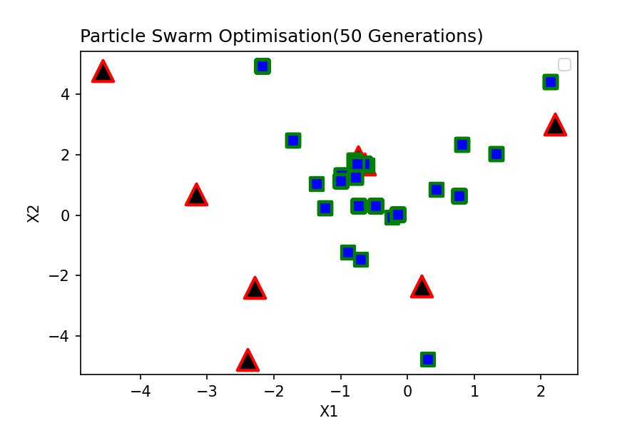
Swarm Generation No:1
Particles | Positions |  | Velocities |  | Functional Value | Local Best |  | Global Best
 | x1 | x2 | v1 | v2 |  | P_lb_1 | P_lb_2 | P_gb_1 | P_gb_2
1 | -0.77 | 1.252 | -2.982146 | -1.756878 | 46.574 | -0.77 | 1.252 | 1.329 | 2.031
2 | 0.823 | 2.322 | 3.1119 | 4.717552 | 270.526 | 0.823 | 2.322 | 1.329 | 2.031
3 | 0.312 | -4.777 | 2.704668 | 0.012964 | 2376.396 | 0.312 | -4.777 | 1.329 | 2.031
4 | -0.639 | 1.692 | 0 | 0 | 167.469 | -0.639 | 1.692 | 1.329 | 2.031
5 | 1.329 | 2.031 | 4.496562 | 1.325184 | 7.118 | 1.329 | 2.031 | 1.329 | 2.031
6 | -0.893 | -1.234 | -1.108492 | 1.115592 | 416.262 | -0.893 | -1.234 | 1.329 | 2.031
7 | -0.605 | 1.634 | 0.137196 | -0.299596 | 163.352 | -0.605 | 1.634 | 1.329 | 2.031
8 | 0.437 | 0.849 | 5 | -3.941928 | 43.617 | 0.437 | 0.849 | 1.329 | 2.031

Swarm Generation No:2
Particles | Positions |  | Velocities |  | Functional Value | Local Best |  | Global Best
 | x1 | x2 | v1 | v2 |  | P_lb_1 | P_lb_2 | P_gb_1 | P_gb_2
1 | 3.39 | 3.189 | 4.159597 | 1.936831 | 46.574 | -0.77 | 1.252 | -3.671 | 0.463
2 | -4.177 | -0.35 | -5 | -2.671767 | 270.526 | 0.823 | 2.322 | -3.671 | 0.463
3 | -1.235 | 0.223 | -1.547313 | 5 | 174.574 | -1.235 | 0.223 | -3.671 | 0.463
4 | -0.639 | 1.692 | 0 | 0 | 167.469 | -0.639 | 1.692 | -3.671 | 0.463
5 | -3.671 | 0.463 | -5 | -1.5678315 | 7.118 | 1.329 | 2.031 | -3.671 | 0.463
6 | 0.967 | -2.577 | 1.860418 | -1.342562 | 416.262 | -0.893 | -1.234 | -3.671 | 0.463
7 | -0.824 | 2.051 | -0.2194055 | 0.417322 | 163.352 | -0.605 | 1.634 | -3.671 | 0.463
8 | -3.286 | 2.727 | -3.723076 | 1.877577 | 43.617 | 0.437 | 0.849 | -3.671 | 0.463

Swarm Generation No:3
Particles | Positions |  | Velocities |  | Functional Value | Local Best |  | Global Best
 | x1 | x2 | v1 | v2 |  | P_lb_1 | P_lb_2 | P_gb_1 | P_gb_2
1 | 3.234 | 2.56 | 4.004147 | 1.307505 | 46.574 | -0.77 | 1.252 | -3.671 | 0.777
2 | -0.4 | -1.863 | -1.223136 | -4.184859 | 270.526 | 0.823 | 2.322 | -3.671 | 0.777
3 | -1.07 | -4.777 | 0.16502 | -5 | 174.574 | -1.235 | 0.223 | -3.671 | 0.777
4 | -0.639 | 1.692 | 0 | 0 | 167.469 | -0.639 | 1.692 | -3.671 | 0.777
5 | -3.671 | 0.777 | -5 | -1.254171 | 7.118 | 1.329 | 2.031 | -3.671 | 0.777
6 | -0.702 | -1.467 | 0.190878 | -0.233004 | 386.98 | -0.702 | -1.467 | -3.671 | 0.777
7 | -0.726 | 1.868 | -0.120904 | 0.233818 | 163.352 | -0.605 | 1.634 | -3.671 | 0.777
8 | -4.563 | 3.616 | -5 | 2.766978 | 43.617 | 0.437 | 0.849 | -3.671 | 0.777

Swarm Generation No:4
Particles | Positions |  | Velocities |  | Functional Value | Local Best |  | Global Best
 | x1 | x2 | v1 | v2 |  | P_lb_1 | P_lb_2 | P_gb_1 | P_gb_2
1 | 3.425 | 4.123 | 4.194679 | 2.871306 | 46.574 | -0.77 | 1.252 | -3.671 | 0.975
2 | -2.154 | -0.412 | -2.97714 | -2.734284 | 270.526 | 0.823 | 2.322 | -3.671 | 0.975
3 | -1.01 | -1.053 | 0.225404 | -1.2764545 | 174.574 | -1.235 | 0.223 | -3.671 | 0.975
4 | -0.639 | 1.692 | 0 | 0 | 167.469 | -0.639 | 1.692 | -3.671 | 0.975
5 | -3.671 | 0.975 | -5 | -1.0557465 | 7.118 | 1.329 | 2.031 | -3.671 | 0.975
6 | 0.273 | 2.779 | 0.975051 | 4.245891 | 386.98 | -0.702 | -1.467 | -3.671 | 0.975
7 | -0.794 | 1.81 | -0.1893945 | 0.176446 | 142.356 | -0.794 | 1.81 | -3.671 | 0.975
8 | -1.716 | 2.475 | -2.15344 | 1.625817 | 29.434 | -1.716 | 2.475 | -3.671 | 0.975

Swarm Generation No:5
Particles | Positions |  | Velocities |  | Functional Value | Local Best |  | Global Best
 | x1 | x2 | v1 | v2 |  | P_lb_1 | P_lb_2 | P_gb_1 | P_gb_2
1 | 3.22 | 2.218 | 3.989893 | 0.9656215 | 46.574 | -0.77 | 1.252 | -0.225 | -0.083
2 | -4.177 | 0.27 | -5 | -2.0517 | 270.526 | 0.823 | 2.322 | -0.225 | -0.083
3 | -0.36 | -4.777 | 0.875161 | -5 | 174.574 | -1.235 | 0.223 | -0.225 | -0.083
4 | -0.639 | 1.692 | 0 | 0 | 167.469 | -0.639 | 1.692 | -0.225 | -0.083
5 | -3.671 | 0.64 | -5 | -1.3911975 | 7.118 | 1.329 | 2.031 | -0.225 | -0.083
6 | -0.225 | -0.083 | 0.4773405 | 1.384479 | 3.286 | -0.225 | -0.083 | -0.225 | -0.083
7 | -0.501 | 1.587 | 0.292804 | -0.223162 | 142.356 | -0.794 | 1.81 | -0.225 | -0.083
8 | -4.056 | 5 | -2.3400495 | 2.666628 | 29.434 | -1.716 | 2.475 | -0.225 | -0.083

Swarm Generation No:6
Particles | Positions |  | Velocities |  | Functional Value | Local Best |  | Global Best
 | x1 | x2 | v1 | v2 |  | P_lb_1 | P_lb_2 | P_gb_1 | P_gb_2
1 | 0.355 | 1.933 | 1.124811 | 0.680634 | 46.574 | -0.77 | 1.252 | -0.14 | 0.007
2 | -2.888 | 1.806 | -3.71078 | -0.515529 | 270.526 | 0.823 | 2.322 | -0.14 | 0.007
3 | -1.672 | -0.286 | -0.437445 | -0.5094085 | 174.574 | -1.235 | 0.223 | -0.14 | 0.007
4 | -0.639 | 1.692 | 0 | 0 | 167.469 | -0.639 | 1.692 | -0.14 | 0.007
5 | -3.071 | 1.284 | -4.4004135 | -0.746988 | 7.118 | 1.329 | 2.031 | -0.14 | 0.007
6 | -0.14 | 0.007 | 0.08466 | 0.0897255 | 1.315 | -0.14 | 0.007 | -0.14 | 0.007
7 | -0.654 | 1.813 | 0.13991 | 0.00284 | 142.356 | -0.794 | 1.81 | -0.14 | 0.007
8 | -3.534 | 3.86 | -1.817562 | 1.385424 | 29.434 | -1.716 | 2.475 | -0.14 | 0.007

Swarm Generation No:7
Particles | Positions |  | Velocities |  | Functional Value | Local Best |  | Global Best
 | x1 | x2 | v1 | v2 |  | P_lb_1 | P_lb_2 | P_gb_1 | P_gb_2
1 | 2.738 | 3.956 | 3.508335 | 2.7044255 | 46.574 | -0.77 | 1.252 | -0.751 | 0.48
2 | -2.296 | -0.52 | -3.119108 | -2.84235 | 270.526 | 0.823 | 2.322 | -0.751 | 0.48
3 | -1.21 | -1.445 | 0.024781 | -1.6679065 | 174.574 | -1.235 | 0.223 | -0.751 | 0.48
4 | -0.639 | 1.692 | 0 | 0 | 167.469 | -0.639 | 1.692 | -0.751 | 0.48
5 | -2.633 | 0.702 | -3.9615045 | -1.329174 | 7.118 | 1.329 | 2.031 | -0.751 | 0.48
6 | -0.751 | 0.48 | -0.610565 | 0.47252 | 1.315 | -0.14 | 0.007 | -0.751 | 0.48
7 | -0.71 | 1.82 | 0.08418 | 0.010348 | 142.356 | -0.794 | 1.81 | -0.751 | 0.48
8 | -0.838 | 3.802 | 0.87837 | 1.326996 | 29.434 | -1.716 | 2.475 | -0.751 | 0.48

Swarm Generation No:8
Particles | Positions |  | Velocities |  | Functional Value | Local Best |  | Global Best
 | x1 | x2 | v1 | v2 |  | P_lb_1 | P_lb_2 | P_gb_1 | P_gb_2
1 | 3.751 | 3.128 | 4.521261 | 1.8764735 | 46.574 | -0.77 | 1.252 | -0.033 | 0.837
2 | -1.359 | 1.038 | -2.181968 | -1.283898 | 70.994 | -1.359 | 1.038 | -0.033 | 0.837
3 | -1.001 | 1.123 | 0.233734 | 0.8997205 | 5.468 | -1.001 | 1.123 | -0.033 | 0.837
4 | -0.639 | 1.692 | 0 | 0 | 167.469 | -0.639 | 1.692 | -0.033 | 0.837
5 | -3.671 | 1.076 | -5 | -0.9547035 | 7.118 | 1.329 | 2.031 | -0.033 | 0.837
6 | -0.033 | 0.837 | 0.106764 | 0.8298725 | 1.315 | -0.14 | 0.007 | -0.033 | 0.837
7 | -0.454 | 1.775 | 0.339894 | -0.035184 | 142.356 | -0.794 | 1.81 | -0.033 | 0.837
8 | -0.487 | 2.467 | 1.2286305 | -0.00756 | 29.434 | -1.716 | 2.475 | -0.033 | 0.837

Swarm Generation No:9
Particles | Positions |  | Velocities |  | Functional Value | Local Best |  | Global Best
 | x1 | x2 | v1 | v2 |  | P_lb_1 | P_lb_2 | P_gb_1 | P_gb_2
1 | 2.859 | 4.078 | 3.628871 | 2.8259085 | 46.574 | -0.77 | 1.252 | -0.592 | 2.547
2 | -0.213 | -1.13 | 1.14633 | -2.167878 | 70.994 | -1.359 | 1.038 | -0.592 | 2.547
3 | -2.455 | 1.739 | -1.453968 | 0.616396 | 5.468 | -1.001 | 1.123 | -0.592 | 2.547
4 | -0.639 | 1.692 | 0 | 0 | 167.469 | -0.639 | 1.692 | -0.592 | 2.547
5 | -0.472 | 0.309 | -1.801332 | -1.7220315 | 2.91 | -0.472 | 0.309 | -0.592 | 2.547
6 | -0.592 | 2.547 | -0.452147 | 2.539836 | 1.315 | -0.14 | 0.007 | -0.592 | 2.547
7 | -0.511 | 1.788 | 0.28293 | -0.022198 | 142.356 | -0.794 | 1.81 | -0.592 | 2.547
8 | -1.104 | 3.469 | 0.6123615 | 0.993924 | 29.434 | -1.716 | 2.475 | -0.592 | 2.547

Swarm Generation No:10
Particles | Positions |  | Velocities |  | Functional Value | Local Best |  | Global Best
 | x1 | x2 | v1 | v2 |  | P_lb_1 | P_lb_2 | P_gb_1 | P_gb_2
1 | 0.774 | 1.674 | 1.544221 | 0.4221525 | 46.574 | -0.77 | 1.252 | -0.519 | -0.848
2 | -0.984 | 1.312 | 0.37458 | 0.273831 | 15.752 | -0.984 | 1.312 | -0.519 | -0.848
3 | -1.277 | 0.246 | -0.275932 | -0.876694 | 5.468 | -1.001 | 1.123 | -0.519 | -0.848
4 | -0.639 | 1.692 | 0 | 0 | 167.469 | -0.639 | 1.692 | -0.519 | -0.848
5 | -1.217 | 1.627 | -0.745184 | 1.3180695 | 2.91 | -0.472 | 0.309 | -0.519 | -0.848
6 | -0.519 | -0.848 | -0.3785565 | -0.8548855 | 1.315 | -0.14 | 0.007 | -0.519 | -0.848
7 | -0.526 | 1.675 | 0.267726 | -0.13546 | 142.356 | -0.794 | 1.81 | -0.519 | -0.848
8 | -3.864 | 4.546 | -2.1475935 | 2.071062 | 29.434 | -1.716 | 2.475 | -0.519 | -0.848

Swarm Generation No:11
Particles | Positions |  | Velocities |  | Functional Value | Local Best |  | Global Best
 | x1 | x2 | v1 | v2 |  | P_lb_1 | P_lb_2 | P_gb_1 | P_gb_2
1 | 0.016 | 3.891 | 0.786496 | 2.639092 | 46.574 | -0.77 | 1.252 | -0.378 | 0.444
2 | -1.582 | -2.521 | -0.5978175 | -3.833024 | 15.752 | -0.984 | 1.312 | -0.378 | 0.444
3 | -1.915 | -2.443 | -0.914 | -3.565918 | 5.468 | -1.001 | 1.123 | -0.378 | 0.444
4 | -0.639 | 1.692 | 0 | 0 | 167.469 | -0.639 | 1.692 | -0.378 | 0.444
5 | -4.382 | 2.649 | -3.910474 | 2.33976 | 2.91 | -0.472 | 0.309 | -0.378 | 0.444
6 | -0.378 | 0.444 | -0.2384425 | 0.4368755 | 1.315 | -0.14 | 0.007 | -0.378 | 0.444
7 | -0.431 | 1.751 | 0.363378 | -0.05928 | 142.356 | -0.794 | 1.81 | -0.378 | 0.444
8 | -2.17 | 4.939 | -0.4540515 | 2.464002 | 15.344 | -2.17 | 4.939 | -0.378 | 0.444

Swarm Generation No:12
Particles | Positions |  | Velocities |  | Functional Value | Local Best |  | Global Best
 | x1 | x2 | v1 | v2 |  | P_lb_1 | P_lb_2 | P_gb_1 | P_gb_2
1 | 2.156 | 3.498 | 2.925528 | 2.2456665 | 46.574 | -0.77 | 1.252 | -0.645 | 1.525
2 | -1.63 | -3.688 | -0.6459825 | -5 | 15.752 | -0.984 | 1.312 | -0.645 | 1.525
3 | -0.942 | -1.206 | 0.058964 | -2.3286435 | 5.468 | -1.001 | 1.123 | -0.645 | 1.525
4 | -0.639 | 1.692 | 0 | 0 | 167.469 | -0.639 | 1.692 | -0.645 | 1.525
5 | -0.915 | 0.995 | -0.443194 | 0.6864195 | 2.91 | -0.472 | 0.309 | -0.645 | 1.525
6 | -0.645 | 1.525 | -0.5045165 | 1.5182565 | 1.315 | -0.14 | 0.007 | -0.645 | 1.525
7 | -0.75 | 1.696 | 0.04442 | -0.113612 | 131.545 | -0.75 | 1.696 | -0.645 | 1.525
8 | -1.637 | -0.061 | 0.532657 | -5 | 15.344 | -2.17 | 4.939 | -0.645 | 1.525

Swarm Generation No:13
Particles | Positions |  | Velocities |  | Functional Value | Local Best |  | Global Best
 | x1 | x2 | v1 | v2 |  | P_lb_1 | P_lb_2 | P_gb_1 | P_gb_2
1 | 2.141 | 4.399 | 2.911452 | 3.14723 | 4.72 | 2.141 | 4.399 | -0.512 | -0.321
2 | -2.207 | -0.2 | -1.222575 | -1.511904 | 15.752 | -0.984 | 1.312 | -0.512 | -0.321
3 | -1.694 | -3.877 | -0.692852 | -5 | 5.468 | -1.001 | 1.123 | -0.512 | -0.321
4 | -0.639 | 1.692 | 0 | 0 | 167.469 | -0.639 | 1.692 | -0.512 | -0.321
5 | -3.832 | 0.985 | -3.359566 | 0.675663 | 2.91 | -0.472 | 0.309 | -0.512 | -0.321
6 | -0.512 | -0.321 | -0.3723775 | -0.3278165 | 1.315 | -0.14 | 0.007 | -0.512 | -0.321
7 | -0.651 | 1.734 | 0.099312 | 0.038167 | 131.545 | -0.75 | 1.696 | -0.512 | -0.321
8 | -1.617 | 3.61 | 0.5530455 | -1.329322 | 15.344 | -2.17 | 4.939 | -0.512 | -0.321

Swarm Generation No:14
Particles | Positions |  | Velocities |  | Functional Value | Local Best |  | Global Best
 | x1 | x2 | v1 | v2 |  | P_lb_1 | P_lb_2 | P_gb_1 | P_gb_2
1 | -0.964 | 2.724 | -3.10494 | -1.674555 | 4.72 | 2.141 | 4.399 | -0.264 | -1.173
2 | -2.196 | -0.095 | -1.212045 | -1.407016 | 15.752 | -0.984 | 1.312 | -0.264 | -1.173
3 | -0.913 | -3.877 | 0.088088 | -5 | 5.468 | -1.001 | 1.123 | -0.264 | -1.173
4 | -0.639 | 1.692 | 0 | 0 | 167.469 | -0.639 | 1.692 | -0.264 | -1.173
5 | -3.222 | 2.681 | -2.750218 | 2.371893 | 2.91 | -0.472 | 0.309 | -0.264 | -1.173
6 | -0.264 | -1.173 | -0.1237465 | -1.179539 | 1.315 | -0.14 | 0.007 | -0.264 | -1.173
7 | -0.639 | 1.908 | 0.11073 | 0.212419 | 131.545 | -0.75 | 1.696 | -0.264 | -1.173
8 | -1.079 | 1.804 | 1.0914675 | -3.134822 | 15.344 | -2.17 | 4.939 | -0.264 | -1.173

Swarm Generation No:15
Particles | Positions |  | Velocities |  | Functional Value | Local Best |  | Global Best
 | x1 | x2 | v1 | v2 |  | P_lb_1 | P_lb_2 | P_gb_1 | P_gb_2
1 | 0.766 | -0.601 | -1.374972 | -5 | 4.72 | 2.141 | 4.399 | 0.129 | 0.766
2 | -0.691 | -0.294 | 0.293355 | -1.605952 | 15.752 | -0.984 | 1.312 | 0.129 | 0.766
3 | -1.819 | -3.877 | -0.818212 | -5 | 5.468 | -1.001 | 1.123 | 0.129 | 0.766
4 | -0.639 | 1.692 | 0 | 0 | 167.469 | -0.639 | 1.692 | 0.129 | 0.766
5 | -2.625 | 1.16 | -2.153458 | 0.8506335 | 2.91 | -0.472 | 0.309 | 0.129 | 0.766
6 | 0.129 | 0.766 | 0.2686405 | 0.75873 | 1.315 | -0.14 | 0.007 | 0.129 | 0.766
7 | -0.657 | 1.77 | 0.092892 | 0.0737 | 131.545 | -0.75 | 1.696 | 0.129 | 0.766
8 | -1.127 | 3.371 | 1.0427095 | -1.56766 | 15.344 | -2.17 | 4.939 | 0.129 | 0.766

Swarm Generation No:16
Particles | Positions |  | Velocities |  | Functional Value | Local Best |  | Global Best
 | x1 | x2 | v1 | v2 |  | P_lb_1 | P_lb_2 | P_gb_1 | P_gb_2
1 | -0.51 | 3.452 | -2.6510145 | -0.946818 | 4.72 | 2.141 | 4.399 | -0.468 | 0.906
2 | -2.126 | -3.399 | -1.141815 | -4.710826 | 15.752 | -0.984 | 1.312 | -0.468 | 0.906
3 | -0.866 | -0.255 | 0.134864 | -1.3775105 | 5.468 | -1.001 | 1.123 | -0.468 | 0.906
4 | -0.639 | 1.692 | 0 | 0 | 167.469 | -0.639 | 1.692 | -0.468 | 0.906
5 | -2.641 | 1.331 | -2.169212 | 1.0218855 | 2.91 | -0.472 | 0.309 | -0.468 | 0.906
6 | -0.468 | 0.906 | -0.3284445 | 0.898791 | 1.315 | -0.14 | 0.007 | -0.468 | 0.906
7 | -0.605 | 1.717 | 0.144888 | 0.020817 | 131.545 | -0.75 | 1.696 | -0.468 | 0.906
8 | -3.541 | -0.061 | -1.370602 | -5 | 15.344 | -2.17 | 4.939 | -0.468 | 0.906

Swarm Generation No:17
Particles | Positions |  | Velocities |  | Functional Value | Local Best |  | Global Best
 | x1 | x2 | v1 | v2 |  | P_lb_1 | P_lb_2 | P_gb_1 | P_gb_2
1 | -0.08 | 0.694 | -2.2212345 | -3.705293 | 4.72 | 2.141 | 4.399 | -0.443 | -0.379
2 | -1.653 | -3.688 | -0.6694575 | -5 | 15.752 | -0.984 | 1.312 | -0.443 | -0.379
3 | -1.627 | 1.741 | -0.626036 | 0.618141 | 5.468 | -1.001 | 1.123 | -0.443 | -0.379
4 | -0.639 | 1.692 | 0 | 0 | 167.469 | -0.639 | 1.692 | -0.443 | -0.379
5 | -0.644 | 0.694 | -0.172082 | 0.385482 | 2.91 | -0.472 | 0.309 | -0.443 | -0.379
6 | -0.443 | -0.379 | -0.303305 | -0.385839 | 1.315 | -0.14 | 0.007 | -0.443 | -0.379
7 | -0.544 | 1.874 | 0.206406 | 0.177559 | 131.545 | -0.75 | 1.696 | -0.443 | -0.379
8 | -1.451 | 0.905 | 0.719411 | -4.03359 | 15.344 | -2.17 | 4.939 | -0.443 | -0.379

Swarm Generation No:18
Particles | Positions |  | Velocities |  | Functional Value | Local Best |  | Global Best
 | x1 | x2 | v1 | v2 |  | P_lb_1 | P_lb_2 | P_gb_1 | P_gb_2
1 | -0.303 | 2.011 | -2.443785 | -2.388272 | 4.72 | 2.141 | 4.399 | -0.577 | -0.92
2 | -1.009 | -3.281 | -0.025125 | -4.59287 | 15.752 | -0.984 | 1.312 | -0.577 | -0.92
3 | -2.479 | -0.42 | -1.478368 | -1.5427205 | 5.468 | -1.001 | 1.123 | -0.577 | -0.92
4 | -0.639 | 1.692 | 0 | 0 | 167.469 | -0.639 | 1.692 | -0.577 | -0.92
5 | -4.33 | 1.523 | -3.857914 | 1.2141075 | 2.91 | -0.472 | 0.309 | -0.577 | -0.92
6 | -0.577 | -0.92 | -0.43655 | -0.9272215 | 1.315 | -0.14 | 0.007 | -0.577 | -0.92
7 | -0.602 | 1.791 | 0.147534 | 0.094904 | 131.545 | -0.75 | 1.696 | -0.577 | -0.92
8 | -1.11 | 4.411 | 1.0597925 | -0.527722 | 15.344 | -2.17 | 4.939 | -0.577 | -0.92

Swarm Generation No:19
Particles | Positions |  | Velocities |  | Functional Value | Local Best |  | Global Best
 | x1 | x2 | v1 | v2 |  | P_lb_1 | P_lb_2 | P_gb_1 | P_gb_2
1 | 0.132 | 1.423 | -2.0087055 | -2.976438 | 4.72 | 2.141 | 4.399 | -0.012 | 0.222
2 | -2.228 | -0.308 | -1.244325 | -1.619878 | 15.752 | -0.984 | 1.312 | -0.012 | 0.222
3 | -2.197 | -3.877 | -1.195948 | -5 | 5.468 | -1.001 | 1.123 | -0.012 | 0.222
4 | -0.639 | 1.692 | 0 | 0 | 167.469 | -0.639 | 1.692 | -0.012 | 0.222
5 | -1.147 | 2.554 | -0.675214 | 2.2447845 | 2.91 | -0.472 | 0.309 | -0.012 | 0.222
6 | -0.012 | 0.222 | 0.1281515 | 0.2150575 | 1.315 | -0.14 | 0.007 | -0.012 | 0.222
7 | -0.541 | 1.882 | 0.208836 | 0.185726 | 131.545 | -0.75 | 1.696 | -0.012 | 0.222
8 | -1.674 | 1.458 | 0.4963 | -3.480718 | 15.344 | -2.17 | 4.939 | -0.012 | 0.222

Swarm Generation No:20
Particles | Positions |  | Velocities |  | Functional Value | Local Best |  | Global Best
 | x1 | x2 | v1 | v2 |  | P_lb_1 | P_lb_2 | P_gb_1 | P_gb_2
1 | -0.881 | -0.601 | -3.0215585 | -5 | 4.72 | 2.141 | 4.399 | -0.873 | -2.409
2 | -2.161 | -1.348 | -1.1772375 | -2.65993 | 15.752 | -0.984 | 1.312 | -0.873 | -2.409
3 | -2.057 | -2.38 | -1.05572 | -3.5025765 | 5.468 | -1.001 | 1.123 | -0.873 | -2.409
...

Test No.13
...
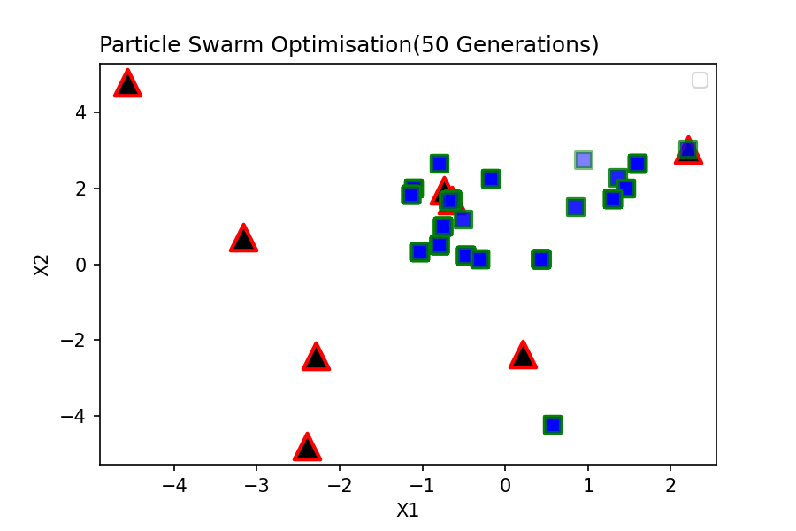
Local Best |  | Global Best
P_lb_1 | P_lb_2 | P_gb_1 | P_gb_2
2.212 | 3.009 | 0.437 | 0.136
-0.5 | 1.185 | 0.437 | 0.136
0.571 | -4.233 | 0.437 | 0.136
-0.639 | 1.692 | 0.437 | 0.136
-0.174 | 2.234 | 0.437 | 0.136
-0.793 | 2.65 | 0.437 | 0.136
-0.681 | 1.656 | 0.437 | 0.136
0.437 | 0.136 | 0.437 | 0.136
...
Local Best |  | Global Best
P_lb_1 | P_lb_2 | P_gb_1 | P_gb_2
2.212 | 3.009 | -1.879 | 4.513
-0.5 | 1.185 | -1.879 | 4.513
0.571 | -4.233 | -1.879 | 4.513
-0.639 | 1.692 | -1.879 | 4.513
-0.174 | 2.234 | -1.879 | 4.513
-0.793 | 2.65 | -1.879 | 4.513
-0.681 | 1.656 | -1.879 | 4.513
0.437 | 0.136 | -1.879 | 4.513
...
Local Best |  | Global Best
P_lb_1 | P_lb_2 | P_gb_1 | P_gb_2
0.946 | 2.732 | -4.563 | 5
-0.5 | 1.185 | -4.563 | 5
0.571 | -4.233 | -4.563 | 5
-0.639 | 1.692 | -4.563 | 5
-0.174 | 2.234 | -4.563 | 5
-0.793 | 2.65 | -4.563 | 5
-0.681 | 1.656 | -4.563 | 5
0.437 | 0.136 | -4.563 | 5
...
Local Best |  | Global Best
P_lb_1 | P_lb_2 | P_gb_1 | P_gb_2
0.848 | 1.509 | -1.852 | 5
-1.103 | 1.994 | -1.852 | 5
0.571 | -4.233 | -1.852 | 5
-0.639 | 1.692 | -1.852 | 5
...

Test No.14
...
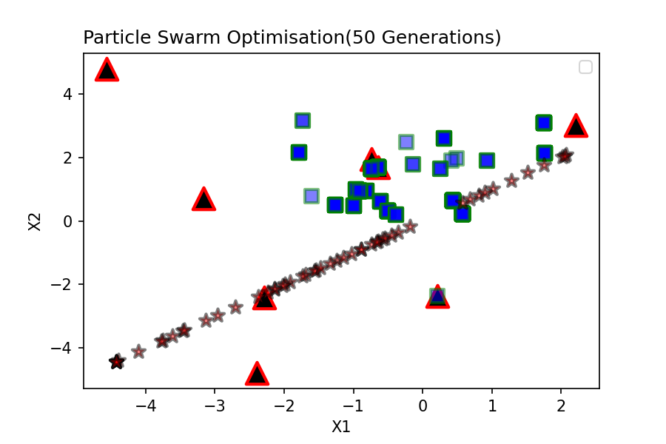
Local Best |  | Global Best
P_lb_1 | P_lb_2 | P_gb_1 | P_gb_2
0.49 | 1.976 | 0.578 | 0.21
0.311 | 2.604 | 0.578 | 0.21
0.578 | 0.21 | 0.578 | 0.21
-0.639 | 1.692 | 0.578 | 0.21
-0.239 | 2.475 | 0.578 | 0.21
0.215 | -2.35 | 0.578 | 0.21
-0.741 | 1.647 | 0.578 | 0.21
0.437 | 0.645 | 0.578 | 0.21
...
Local Best |  | Global Best
P_lb_1 | P_lb_2 | P_gb_1 | P_gb_2
0.418 | 1.901 | -1.913 | 2.099
0.311 | 2.604 | -1.913 | 2.099
0.578 | 0.21 | -1.913 | 2.099
-0.639 | 1.692 | -1.913 | 2.099
-1.607 | 0.79 | -1.913 | 2.099
-0.815 | 0.94 | -1.913 | 2.099
-0.741 | 1.647 | -1.913 | 2.099
0.437 | 0.645 | -1.913 | 2.099
...
Local Best |  | Global Best
P_lb_1 | P_lb_2 | P_gb_1 | P_gb_2
0.251 | 1.635 | -1.994 | -1.713
0.311 | 2.604 | -1.994 | -1.713
0.578 | 0.21 | -1.994 | -1.713
-0.639 | 1.692 | -1.994 | -1.713
-0.141 | 1.783 | -1.994 | -1.713
-0.815 | 0.94 | -1.994 | -1.713
-0.741 | 1.647 | -1.994 | -1.713
0.437 | 0.645 | -1.994 | -1.713
...
Local Best |  | Global Best
P_lb_1 | P_lb_2 | P_gb_1 | P_gb_2
0.251 | 1.635 | -4.422 | -1.793
0.311 | 2.604 | -4.422 | -1.793
0.578 | 0.21 | -4.422 | -1.793
-0.639 | 1.692 | -4.422 | -1.793
...

Test No.15
...
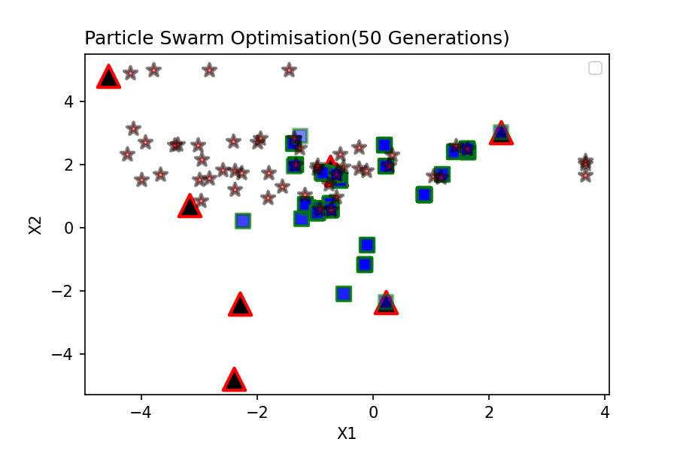
Local Best |  | Global Best
P_lb_1 | P_lb_2 | P_gb_1 | P_gb_2
2.212 | 3.009 | -0.922 | 0.601
0.196 | 2.604 | -0.922 | 0.601
-2.249 | 0.21 | -0.922 | 0.601
-0.639 | 1.692 | -0.922 | 0.601
0.216 | 1.946 | -0.922 | 0.601
0.215 | -2.35 | -0.922 | 0.601
-0.564 | 1.499 | -0.922 | 0.601
-0.922 | 0.601 | -0.922 | 0.601
...
Local Best |  | Global Best
P_lb_1 | P_lb_2 | P_gb_1 | P_gb_2
1.408 | 2.403 | -3.793 | 5
0.196 | 2.604 | -3.793 | 5
-2.249 | 0.21 | -3.793 | 5
-0.639 | 1.692 | -3.793 | 5
0.216 | 1.946 | -3.793 | 5
-1.379 | 2.65 | -3.793 | 5
-0.564 | 1.499 | -3.793 | 5
-0.922 | 0.601 | -3.793 | 5
...
Local Best |  | Global Best
P_lb_1 | P_lb_2 | P_gb_1 | P_gb_2
1.408 | 2.403 | -4.138 | 3.142
0.196 | 2.604 | -4.138 | 3.142
-0.144 | -1.16 | -4.138 | 3.142
-0.639 | 1.692 | -4.138 | 3.142
0.216 | 1.946 | -4.138 | 3.142
-1.379 | 2.65 | -4.138 | 3.142
-0.564 | 1.499 | -4.138 | 3.142
-0.922 | 0.601 | -4.138 | 3.142
...
Local Best |  | Global Best
P_lb_1 | P_lb_2 | P_gb_1 | P_gb_2
1.408 | 2.403 | -1.45 | 5
0.196 | 2.604 | -1.45 | 5
-0.144 | -1.16 | -1.45 | 5
-0.639 | 1.692 | -1.45 | 5
...

Test No.16
...
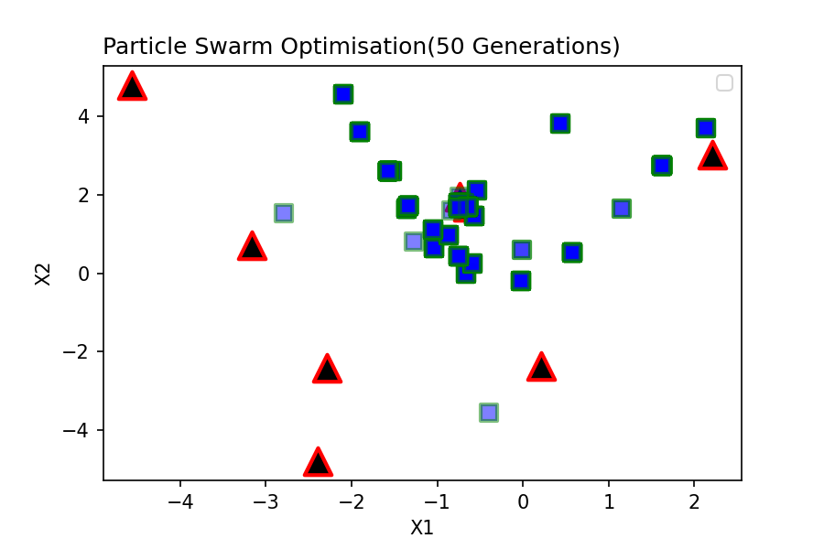
Local Best |  | Global Best
P_lb_1 | P_lb_2 | P_gb_1 | P_gb_2
-1.278 | 0.794 | -1.576 | 2.604
-1.576 | 2.604 | -1.576 | 2.604
-0.393 | -3.545 | -1.576 | 2.604
-0.639 | 1.692 | -1.576 | 2.604
-2.794 | 1.516 | -1.576 | 2.604
-0.533 | 2.104 | -1.576 | 2.604
-0.742 | 1.934 | -1.576 | 2.604
0.437 | 3.799 | -1.576 | 2.604
...
Local Best |  | Global Best
P_lb_1 | P_lb_2 | P_gb_1 | P_gb_2
2.13 | 3.685 | -0.636 | -2.396
-1.576 | 2.604 | -0.636 | -2.396
-0.574 | 1.455 | -0.636 | -2.396
-0.639 | 1.692 | -0.636 | -2.396
-1.361 | 1.634 | -0.636 | -2.396
-0.533 | 2.104 | -0.636 | -2.396
-0.71 | 1.815 | -0.636 | -2.396
0.437 | 3.799 | -0.636 | -2.396
...
Local Best |  | Global Best
P_lb_1 | P_lb_2 | P_gb_1 | P_gb_2
2.13 | 3.685 | -0.657 | -0.972
-1.576 | 2.604 | -0.657 | -0.972
-0.574 | 1.455 | -0.657 | -0.972
-0.639 | 1.692 | -0.657 | -0.972
-1.361 | 1.634 | -0.657 | -0.972
-0.533 | 2.104 | -0.657 | -0.972
-0.71 | 1.815 | -0.657 | -0.972
0.437 | 3.799 | -0.657 | -0.972
...
Local Best |  | Global Best
P_lb_1 | P_lb_2 | P_gb_1 | P_gb_2
2.13 | 3.685 | -0.629 | -2.396
-1.576 | 2.604 | -0.629 | -2.396
-0.574 | 1.455 | -0.629 | -2.396
-0.639 | 1.692 | -0.629 | -2.396
...

Test No.17
...
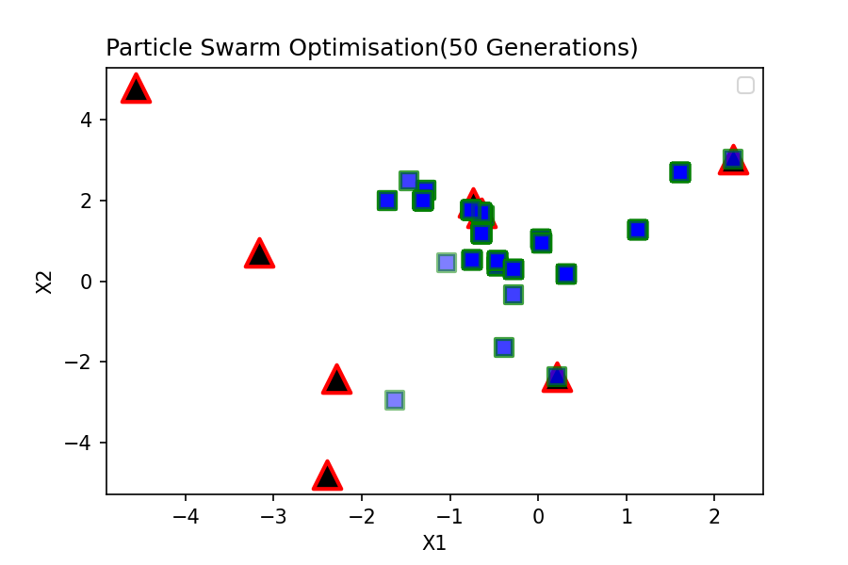
Local Best |  | Global Best
P_lb_1 | P_lb_2 | P_gb_1 | P_gb_2
2.212 | 3.009 | -0.457 | 0.392
-0.457 | 0.392 | -0.457 | 0.392
-1.628 | -2.949 | -0.457 | 0.392
-0.639 | 1.692 | -0.457 | 0.392
0.029 | 1.037 | -0.457 | 0.392
0.215 | -2.35 | -0.457 | 0.392
-0.614 | 1.615 | -0.457 | 0.392
-1.306 | 1.983 | -0.457 | 0.392
...
Local Best |  | Global Best
P_lb_1 | P_lb_2 | P_gb_1 | P_gb_2
2.212 | 3.009 | -2.248 | -1.14
-0.457 | 0.392 | -2.248 | -1.14
-0.642 | 1.175 | -2.248 | -1.14
-0.639 | 1.692 | -2.248 | -1.14
0.029 | 1.037 | -2.248 | -1.14
0.215 | -2.35 | -2.248 | -1.14
-0.614 | 1.615 | -2.248 | -1.14
-1.306 | 1.983 | -2.248 | -1.14
...
Local Best |  | Global Best
P_lb_1 | P_lb_2 | P_gb_1 | P_gb_2
1.613 | 2.69 | 1.613 | 2.69
-0.457 | 0.392 | 1.613 | 2.69
-0.642 | 1.175 | 1.613 | 2.69
-0.639 | 1.692 | 1.613 | 2.69
0.029 | 1.037 | 1.613 | 2.69
-0.383 | -1.631 | 1.613 | 2.69
-0.614 | 1.615 | 1.613 | 2.69
-1.306 | 1.983 | 1.613 | 2.69
...
Local Best |  | Global Best
P_lb_1 | P_lb_2 | P_gb_1 | P_gb_2
1.613 | 2.69 | 1.019 | 2.036
-0.457 | 0.392 | 1.019 | 2.036
-0.642 | 1.175 | 1.019 | 2.036
-0.639 | 1.692 | 1.019 | 2.036
...

Test No.18
...
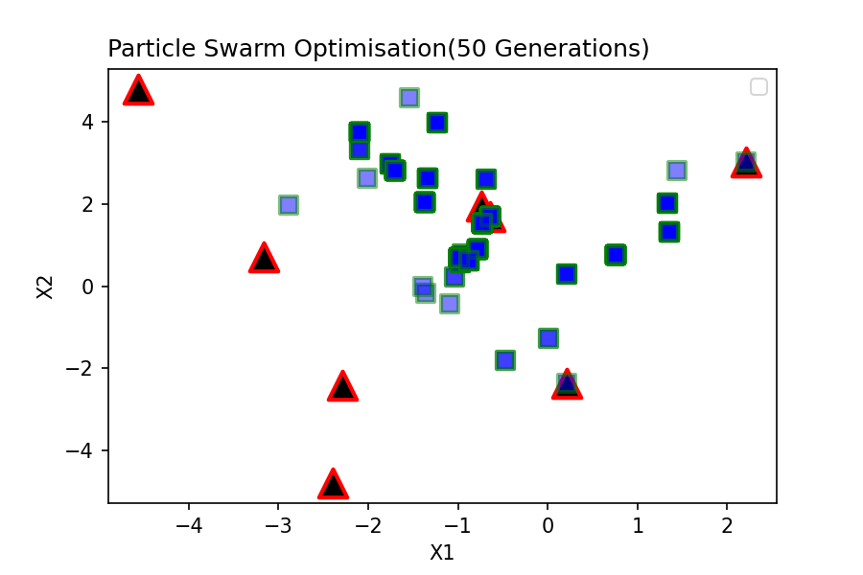
Local Best |  | Global Best
P_lb_1 | P_lb_2 | P_gb_1 | P_gb_2
2.212 | 3.009 | -1.035 | 0.21
-0.692 | 2.604 | -1.035 | 0.21
-1.035 | 0.21 | -1.035 | 0.21
-0.639 | 1.692 | -1.035 | 0.21
-2.01 | 2.623 | -1.035 | 0.21
0.215 | -2.35 | -1.035 | 0.21
-0.726 | 1.518 | -1.035 | 0.21
-2.884 | 1.959 | -1.035 | 0.21
...
Local Best |  | Global Best
P_lb_1 | P_lb_2 | P_gb_1 | P_gb_2
1.437 | 2.809 | 1.437 | 2.809
-0.692 | 2.604 | 1.437 | 2.809
-1.035 | 0.21 | 1.437 | 2.809
-0.639 | 1.692 | 1.437 | 2.809
0.004 | -1.261 | 1.437 | 2.809
-1.361 | -0.175 | 1.437 | 2.809
-0.726 | 1.518 | 1.437 | 2.809
-1.234 | 3.975 | 1.437 | 2.809
...
Local Best |  | Global Best
P_lb_1 | P_lb_2 | P_gb_1 | P_gb_2
1.355 | 1.321 | -0.986 | 0.691
-0.692 | 2.604 | -0.986 | 0.691
-0.986 | 0.691 | -0.986 | 0.691
-0.639 | 1.692 | -0.986 | 0.691
0.004 | -1.261 | -0.986 | 0.691
-0.475 | -1.805 | -0.986 | 0.691
-0.726 | 1.518 | -0.986 | 0.691
-1.234 | 3.975 | -0.986 | 0.691
...
Local Best |  | Global Best
P_lb_1 | P_lb_2 | P_gb_1 | P_gb_2
1.355 | 1.321 | -2.372 | -3.074
-0.692 | 2.604 | -2.372 | -3.074
-0.986 | 0.691 | -2.372 | -3.074
-0.639 | 1.692 | -2.372 | -3.074
...

Test No.19
...
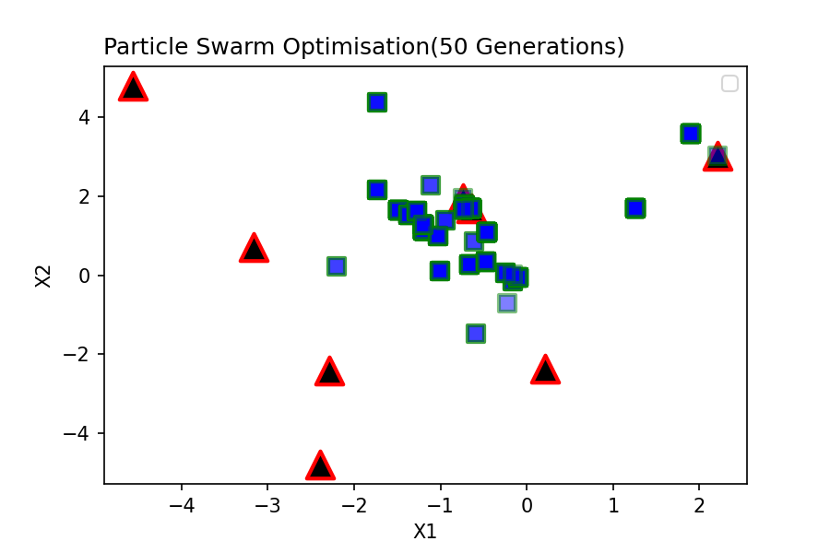
Local Best |  | Global Best
P_lb_1 | P_lb_2 | P_gb_1 | P_gb_2
2.212 | 3.009 | -1.2 | 1.134
-0.589 | -1.48 | -1.2 | 1.134
-2.2 | 0.21 | -1.2 | 1.134
-0.639 | 1.692 | -1.2 | 1.134
-1.2 | 1.134 | -1.2 | 1.134
-0.232 | -0.709 | -1.2 | 1.134
-0.742 | 1.934 | -1.2 | 1.134
-1.738 | 4.363 | -1.2 | 1.134
...
Local Best |  | Global Best
P_lb_1 | P_lb_2 | P_gb_1 | P_gb_2
-1.118 | 2.274 | -0.67 | 0.279
-0.589 | -1.48 | -0.67 | 0.279
-2.2 | 0.21 | -0.67 | 0.279
-0.639 | 1.692 | -0.67 | 0.279
-1.2 | 1.134 | -0.67 | 0.279
-0.67 | 0.279 | -0.67 | 0.279
-0.727 | 1.798 | -0.67 | 0.279
-1.738 | 4.363 | -0.67 | 0.279
...
Local Best |  | Global Best
P_lb_1 | P_lb_2 | P_gb_1 | P_gb_2
-1.118 | 2.274 | 0.643 | 0.083
-1.735 | 2.141 | 0.643 | 0.083
-1.009 | 0.095 | 0.643 | 0.083
-0.639 | 1.692 | 0.643 | 0.083
-1.2 | 1.134 | 0.643 | 0.083
-0.67 | 0.279 | 0.643 | 0.083
-0.72 | 1.761 | 0.643 | 0.083
-1.738 | 4.363 | 0.643 | 0.083
...
Local Best |  | Global Best
P_lb_1 | P_lb_2 | P_gb_1 | P_gb_2
1.257 | 1.685 | 1.257 | 1.685
-1.735 | 2.141 | 1.257 | 1.685
-1.009 | 0.095 | 1.257 | 1.685
-0.639 | 1.692 | 1.257 | 1.685
...

Test No.20
...
Local Best |  | Global Best
P_lb_1 | P_lb_2 | P_gb_1 | P_gb_2 | Trial No.19
2.212 | 3.009 | 0.437 | 0.83
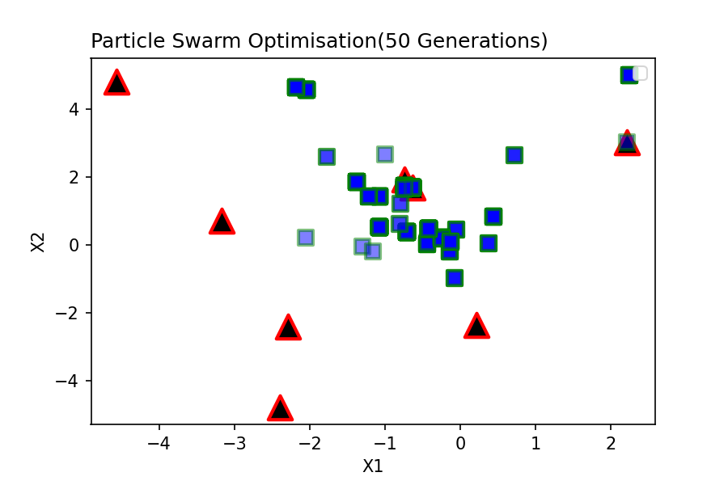
-0.071 | -0.973 | 0.437 | 0.83
-2.053 | 0.21 | 0.437 | 0.83
-0.639 | 1.692 | 0.437 | 0.83
0.717 | 2.639 | 0.437 | 0.83
-0.999 | 2.65 | 0.437 | 0.83
-0.737 | 1.734 | 0.437 | 0.83
0.437 | 0.83 | 0.437 | 0.83
...
Local Best |  | Global Best
P_lb_1 | P_lb_2 | P_gb_1 | P_gb_2
-0.713 | 0.38 | -0.713 | 0.38
-0.071 | -0.973 | -0.713 | 0.38
-1.298 | -0.045 | -0.713 | 0.38
-0.639 | 1.692 | -0.713 | 0.38
0.717 | 2.639 | -0.713 | 0.38
-0.058 | 0.454 | -0.713 | 0.38
-0.737 | 1.734 | -0.713 | 0.38
0.437 | 0.83 | -0.713 | 0.38
...
Local Best |  | Global Best
P_lb_1 | P_lb_2 | P_gb_1 | P_gb_2
-0.713 | 0.38 | 2.028 | 3.643
-0.071 | -0.973 | 2.028 | 3.643
-1.156 | -0.202 | 2.028 | 3.643
-0.639 | 1.692 | 2.028 | 3.643
0.717 | 2.639 | 2.028 | 3.643
-0.058 | 0.454 | 2.028 | 3.643
-0.737 | 1.734 | 2.028 | 3.643
0.437 | 0.83 | 2.028 | 3.643
...
Local Best |  | Global Best
P_lb_1 | P_lb_2 | P_gb_1 | P_gb_2
-0.713 | 0.38 | 2.794 | 3.173
-0.071 | -0.973 | 2.794 | 3.173
-1.071 | 0.521 | 2.794 | 3.173
-0.639 | 1.692 | 2.794 | 3.173
-1.071 | 1.413 | 2.794 | 3.173
-0.058 | 0.454 | 2.794 | 3.173
...

Test No.21
...
Local Best |  | Global Best
P_lb_1 | P_lb_2 | P_gb_1 | P_gb_2 | Trial No.21
0.079 | 1.444 | 0.192 | -0.097
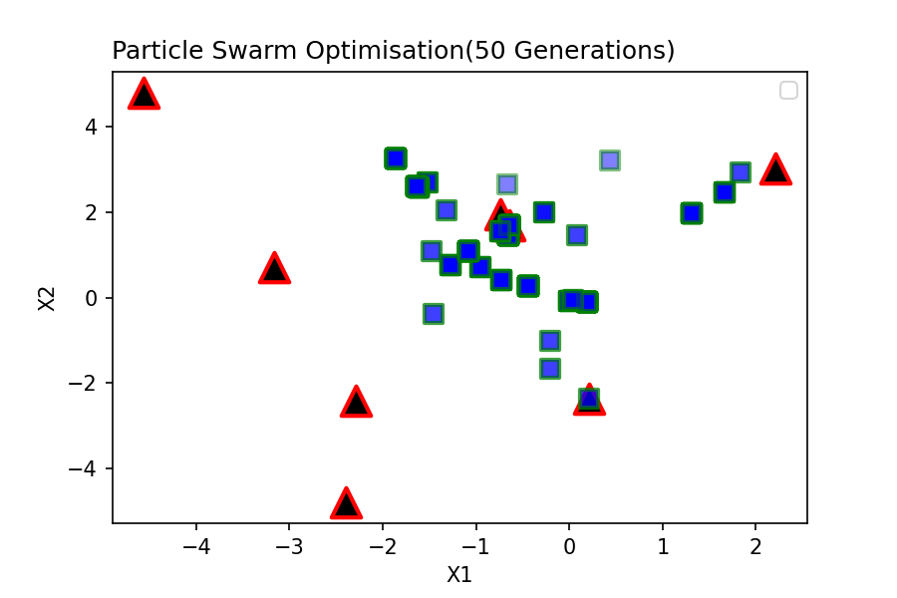
-1.461 | -0.377 | 0.192 | -0.097
0.192 | -0.097 | 0.192 | -0.097
-0.639 | 1.692 | 0.192 | -0.097
-0.275 | 1.986 | 0.192 | -0.097
0.215 | -2.35 | 0.192 | -0.097
-0.658 | 1.466 | 0.192 | -0.097
0.437 | 3.198 | 0.192 | -0.097
...
Local Best |  | Global Best
P_lb_1 | P_lb_2 | P_gb_1 | P_gb_2
0.079 | 1.444 | -3.229 | -3.132
-1.461 | -0.377 | -3.229 | -3.132
0.192 | -0.097 | -3.229 | -3.132
-0.639 | 1.692 | -3.229 | -3.132
-0.275 | 1.986 | -3.229 | -3.132
0.215 | -2.35 | -3.229 | -3.132
-0.658 | 1.466 | -3.229 | -3.132
-1.269 | 0.745 | -3.229 | -3.132
...
Local Best |  | Global Best
P_lb_1 | P_lb_2 | P_gb_1 | P_gb_2
1.833 | 2.92 | -0.931 | -5
-0.202 | -1.003 | -0.931 | -5
0.192 | -0.097 | -0.931 | -5
-0.639 | 1.692 | -0.931 | -5
-0.275 | 1.986 | -0.931 | -5
-0.67 | 2.65 | -0.931 | -5
-0.658 | 1.466 | -0.931 | -5
-1.269 | 0.745 | -0.931 | -5
...
Local Best |  | Global Best
P_lb_1 | P_lb_2 | P_gb_1 | P_gb_2
1.833 | 2.92 | -1.396 | 0.731
-0.202 | -1.003 | -1.396 | 0.731
0.192 | -0.097 | -1.396 | 0.731
-0.639 | 1.692 | -1.396 | 0.731
-0.275 | 1.986 | -1.396 | 0.731
-0.211 | -1.653 | -1.396 | 0.731
...

