Dividend Data Analysis
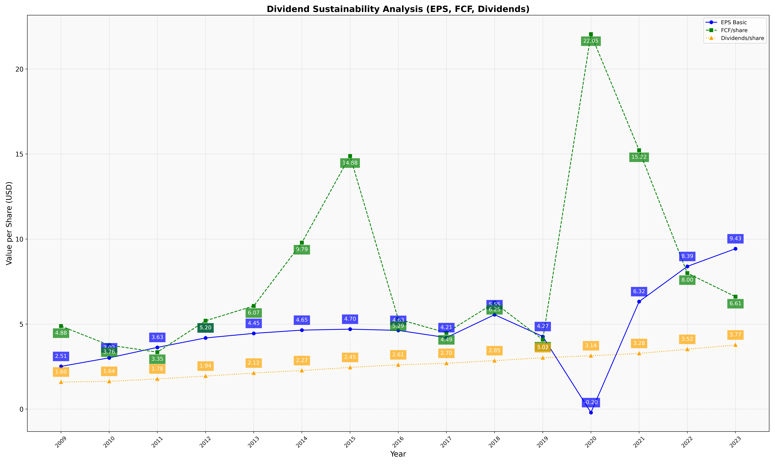
fiscal_date_ending | eps_per_share | free_cash_flow_per_share | dividend_per_share
2009 | 2.5143494583 | 4.8821011581 | 1.5955287992
2010 | 3.016507731 | 3.7636264413 | 1.6360322071
2011 | 3.6306581959 | 3.350171932 | 1.7755670958
2012 | 4.1851910469 | 5.1953211646 | 1.9438142908
2013 | 4.4543487054 | 6.0652221496 | 2.1214178829
2014 | 4.6454958422 | 9.7876312849 | 2.2680693654
2015 | 4.7019261018 | 14.884868468 | 2.4538938097
2016 | 4.6306720966 | 5.2923170045 | 2.606710464
2017 | 4.2055642854 | 4.4887232321 | 2.6966788148
2018 | 5.5536029194 | 6.2543729174 | 2.8504361685
2019 | 4.2722029811 | 4.0868656487 | 3.0189541953
2020 | -0.20160115039 | 22.049258167 | 3.1400303981
2021 | 6.3214635141 | 15.222679722 | 3.2750510841
2022 | 8.3914230349 | 7.9986221816 | 3.5185979696
2023 | 9.4329127248 | 6.6128420793 | 3.7736265168

