Dividend Data Analysis
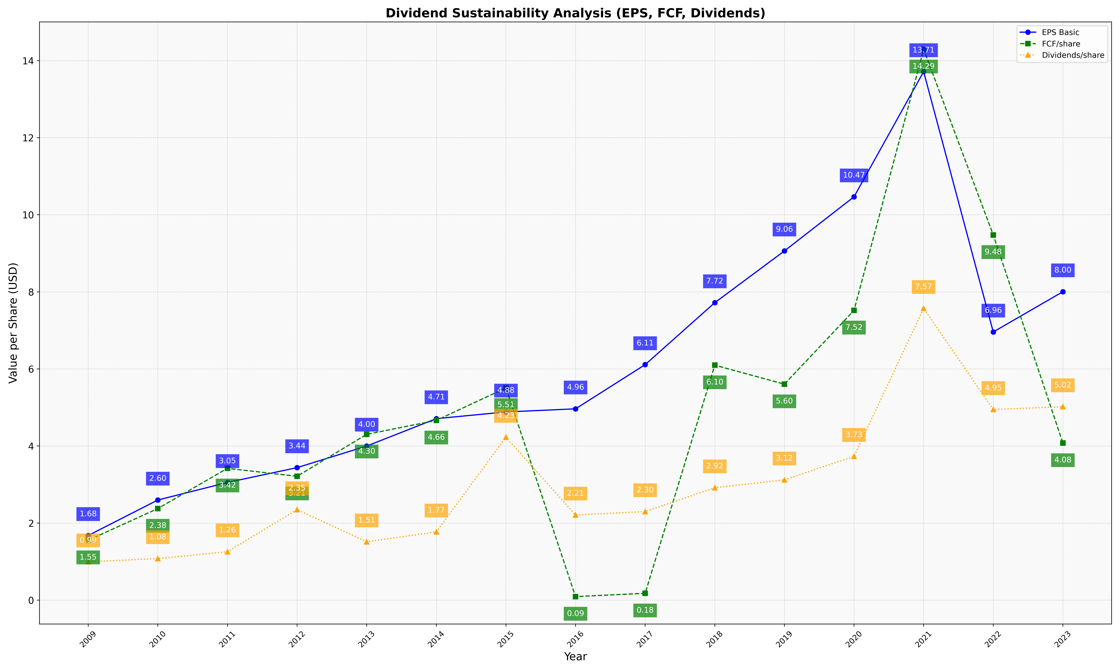
fiscal_date_ending | eps_per_share | free_cash_flow_per_share | dividend_per_share
2009 | 1.677148847 | 1.5537608206 | 0.99367974812
2010 | 2.5977739991 | 2.3759468233 | 1.0778327408
2011 | 3.0528443728 | 3.4196437032 | 1.2551723049
2012 | 3.4378915095 | 3.2133936145 | 2.3476954921
2013 | 3.9977410874 | 4.3018548267 | 1.5137003812
2014 | 4.7091264218 | 4.6635517598 | 1.7697522117
2015 | 4.8828397925 | 5.5064698625 | 4.2280681442
2016 | 4.9635597098 | 0.090692202105 | 2.2092947251
2017 | 6.1107008661 | 0.17706263693 | 2.2973265174
2018 | 7.7183505622 | 6.09655184 | 2.9163813852
2019 | 9.0611103081 | 5.6038331052 | 3.1201374068
2020 | 10.466254963 | 7.5178650199 | 3.7309219232
2021 | 13.713967972 | 14.292259786 | 7.5707295374
2022 | 6.9580169719 | 9.4765520322 | 4.945958017
2023 | 8.0031319911 | 4.0769574944 | 5.0187919463

