Dividend Data Analysis
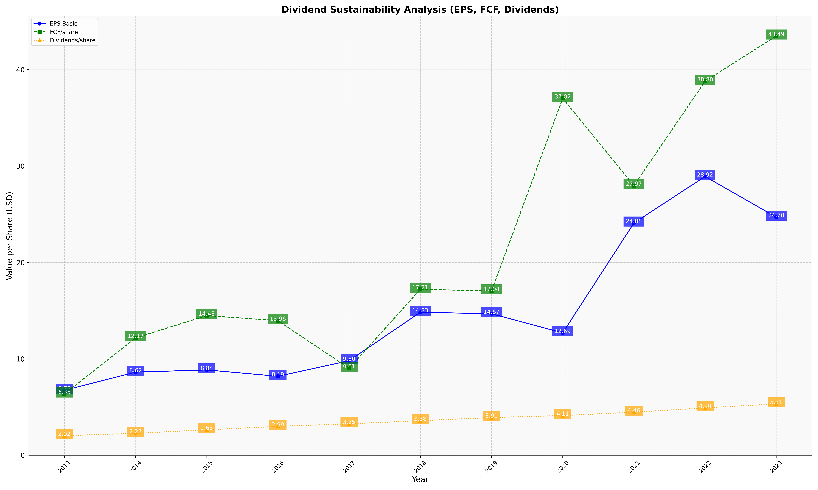
fiscal_date_ending | eps_per_share | free_cash_flow_per_share | dividend_per_share
2013 | 6.7271810388 | 6.3489662128 | 2.0221886031
2014 | 8.6162852581 | 12.166045769 | 2.2671633848
2015 | 8.8448471121 | 14.484711212 | 2.6330690827
2016 | 8.1857855362 | 13.958852868 | 2.9862842893
2017 | 9.8013245033 | 9.0132450331 | 3.2516556291
2018 | 14.826855124 | 17.208480565 | 3.5759717314
2019 | 14.674418605 | 17.03875969 | 3.9069767442
2020 | 12.688172043 | 37.022332506 | 4.1108354012
2021 | 24.083769634 | 27.966841187 | 4.4589877836
2022 | 28.916437098 | 38.797061524 | 4.9035812672
2023 | 24.695652174 | 43.487922705 | 5.3140096618

