Dividend Data Analysis
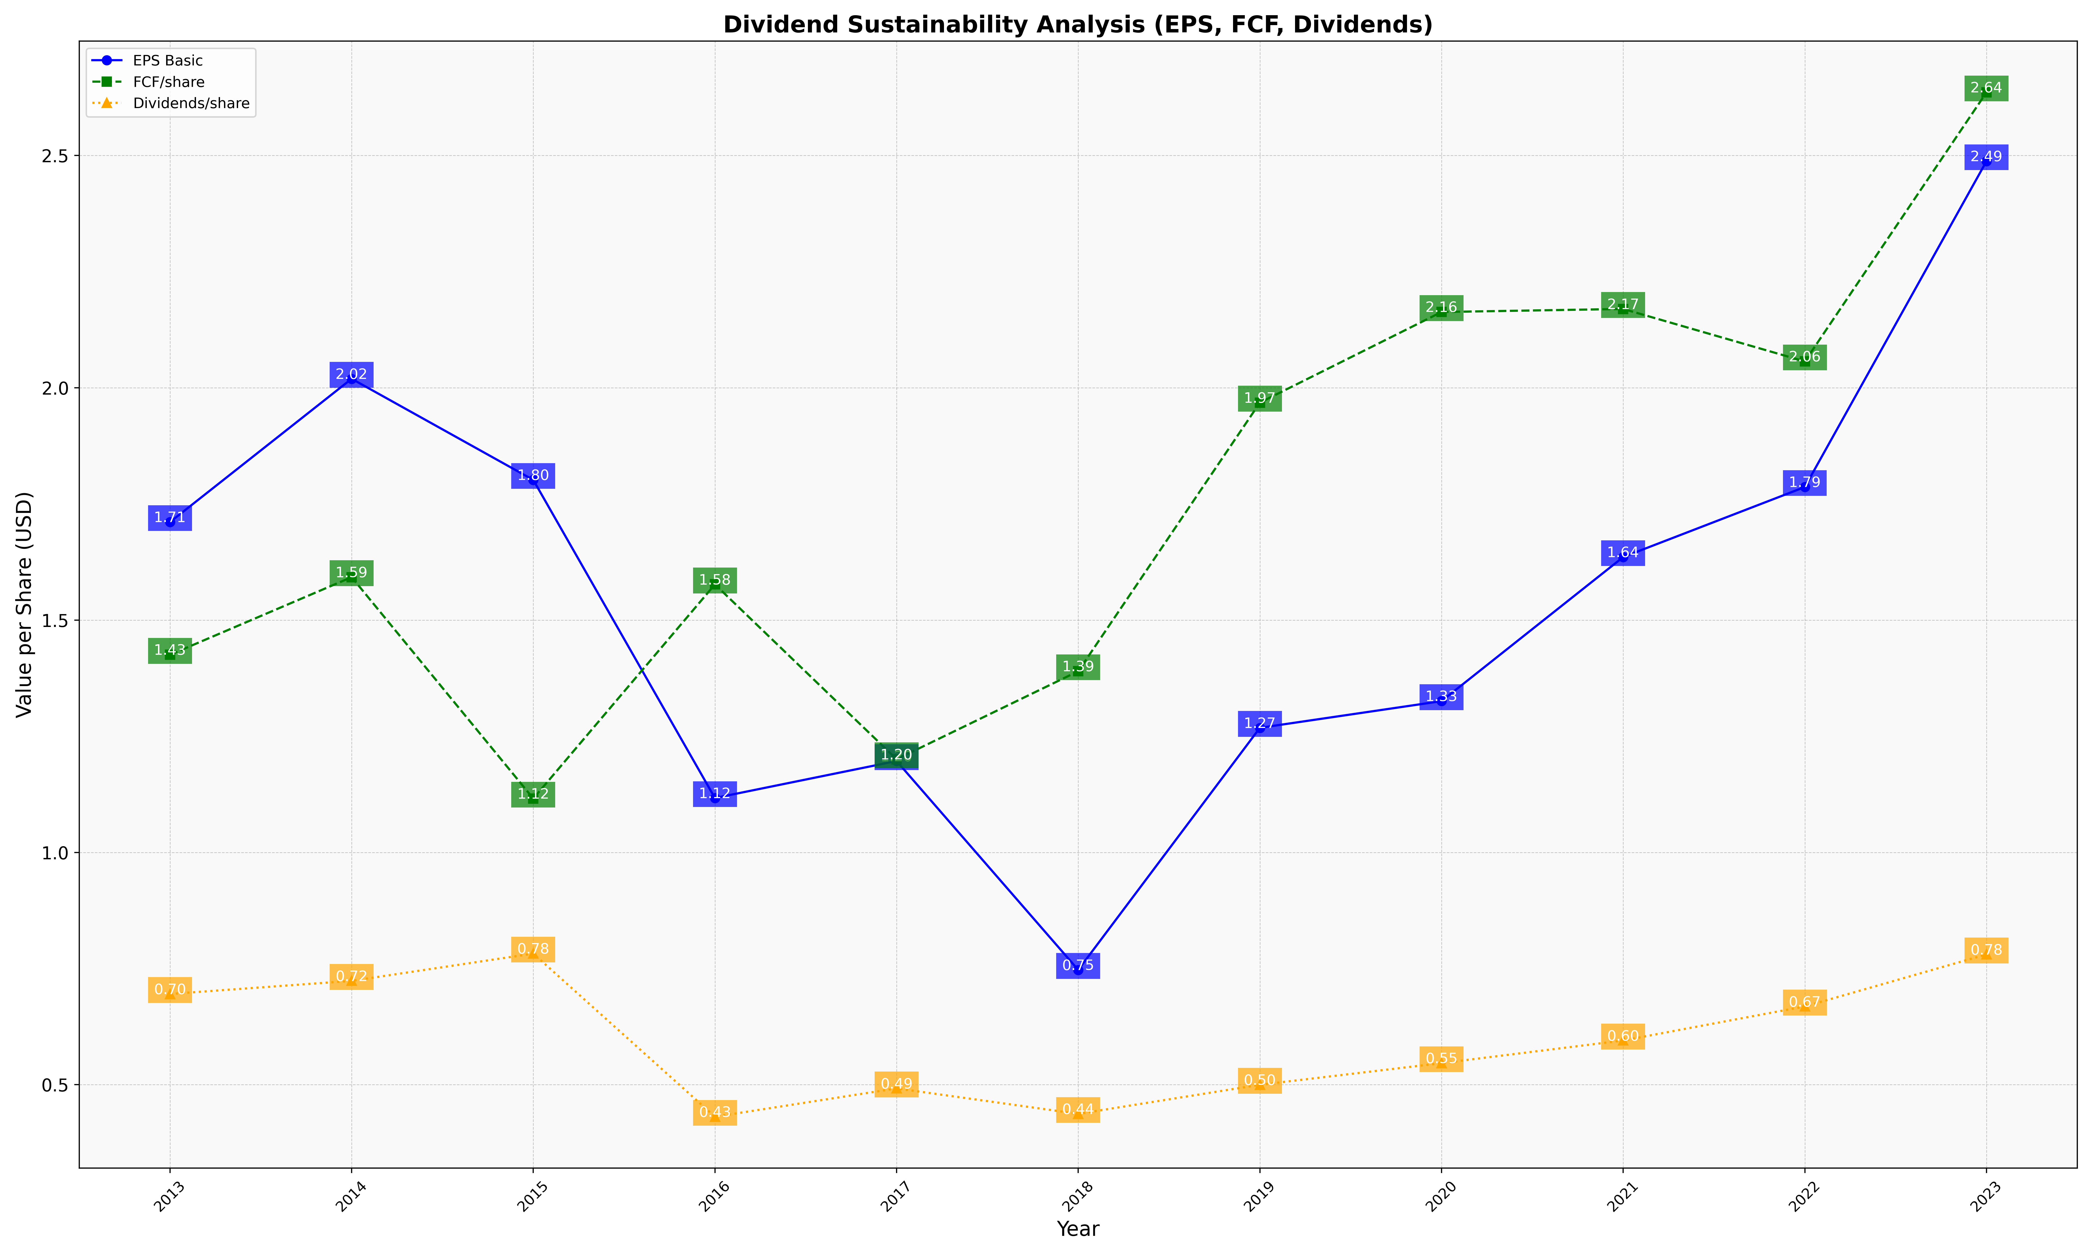
fiscal_date_ending | eps_per_share | free_cash_flow_per_share | dividend_per_share
2013 | 1.7110704877 | 1.4253939348 | 0.69535480194
2014 | 2.0195227794 | 1.5925227982 | 0.72355231866
2015 | 1.8018018018 | 1.1159667648 | 0.78225345401
2016 | 1.1170844604 | 1.5769240893 | 0.43102614835
2017 | 1.1967178272 | 1.2005602291 | 0.49206976694
2018 | 0.74707719154 | 1.3900367162 | 0.43725118821
2019 | 1.2681751294 | 1.9681888765 | 0.49985621238
2020 | 1.3256728751 | 2.1632623519 | 0.54646426605
2021 | 1.6357389564 | 2.1698446403 | 0.59522693285
2022 | 1.7865136595 | 2.0568979454 | 0.66846496576
2023 | 2.4877826011 | 2.6359781219 | 0.78052506672

