Dividend Data Analysis
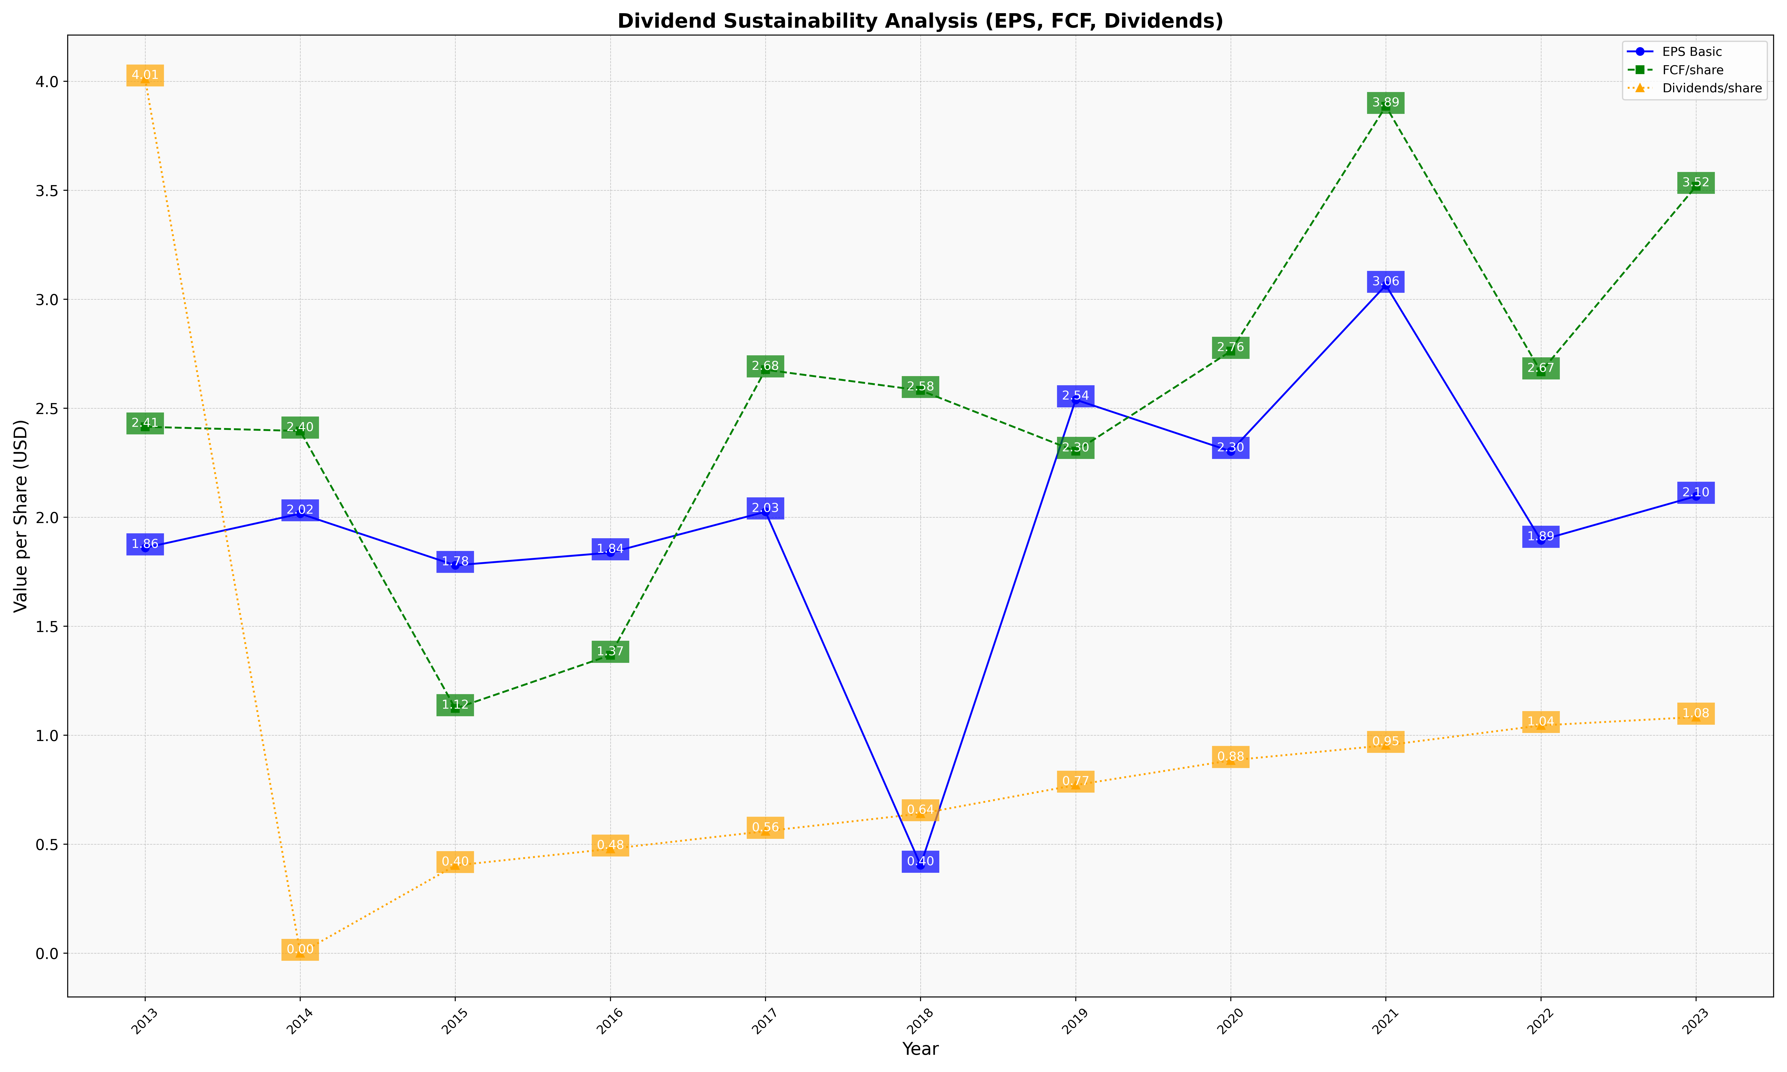
fiscal_date_ending | eps_per_share | free_cash_flow_per_share | dividend_per_share
2013 | 1.8598830639 | 2.414779148 | 4.0112612391
2014 | 2.0164463707 | 2.395818454 | 0
2015 | 1.7794673076 | 1.1223720999 | 0.40239368225
2016 | 1.8375599387 | 1.3671659499 | 0.4784912749
2017 | 2.0251375553 | 2.6768210751 | 0.55962690886
2018 | 0.40393230704 | 2.5819795063 | 0.64011262809
2019 | 2.5392959863 | 2.3028532757 | 0.77125028612
2020 | 2.302738049 | 2.7619559484 | 0.88445652066
2021 | 3.0646059924 | 3.8852403955 | 0.95362001008
2022 | 1.8948348979 | 2.667448946 | 1.0447751976
2023 | 2.0966750956 | 3.5186516478 | 1.0832897954

