Dividend Data Analysis
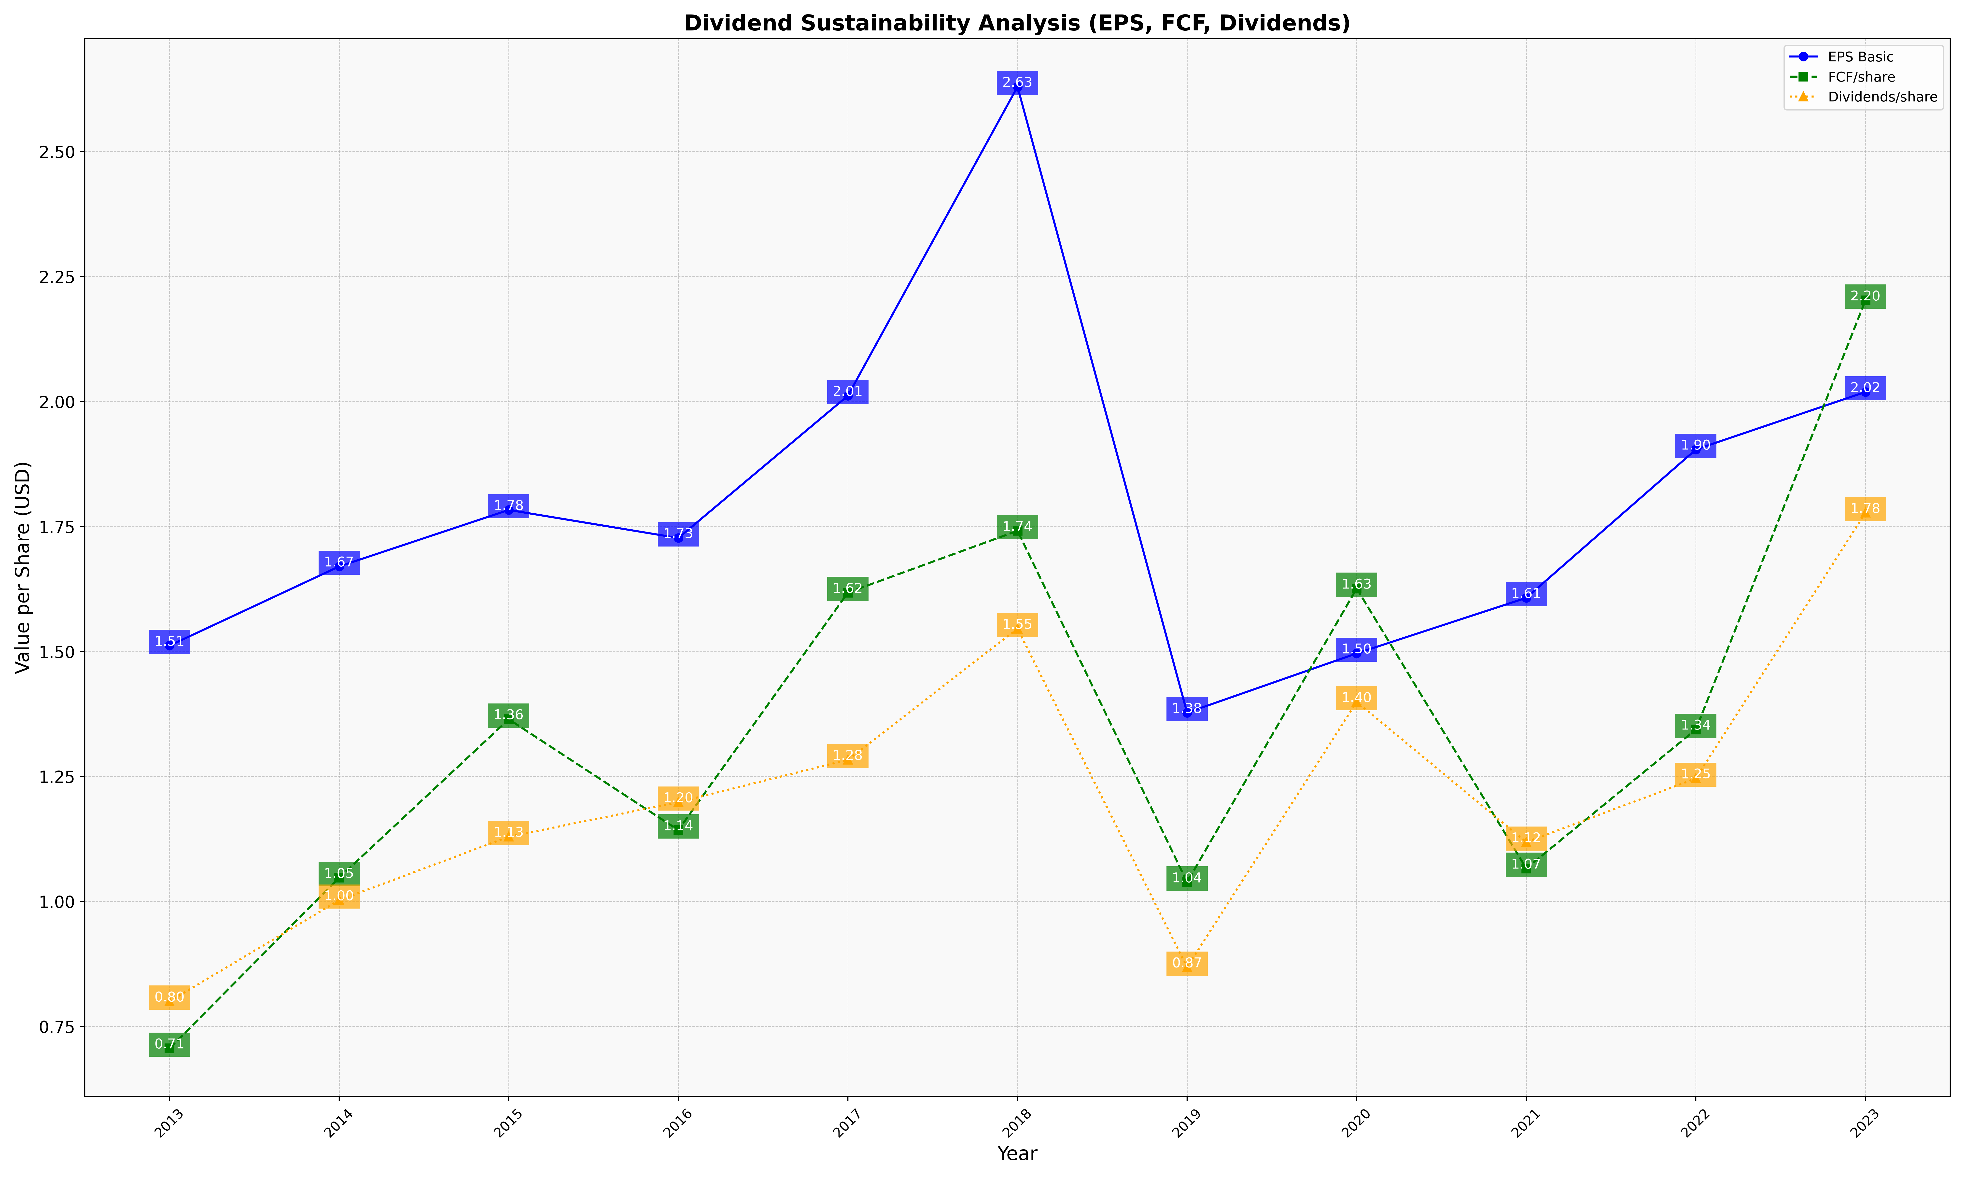
fiscal_date_ending | eps_per_share | free_cash_flow_per_share | dividend_per_share
2013 | 1.5118134528 | 0.70624261862 | 0.80017915473
2014 | 1.670171362 | 1.0474879453 | 1.002410387
2015 | 1.7832619675 | 1.3644923853 | 1.1295603981
2016 | 1.7270600261 | 1.1427818553 | 1.1986363737
2017 | 2.0118811842 | 1.6179196595 | 1.2834174647
2018 | 2.6299228862 | 1.7415063241 | 1.545634956
2019 | 1.3775651859 | 1.0386169179 | 0.86844607622
2020 | 1.4962739235 | 1.6262029593 | 1.3992625656
2021 | 1.6073966465 | 1.066094965 | 1.1185742933
2022 | 1.9041306433 | 1.3440509978 | 1.2461202747
2023 | 2.0192930178 | 2.2026902798 | 1.7776771779

