Dividend Data Analysis
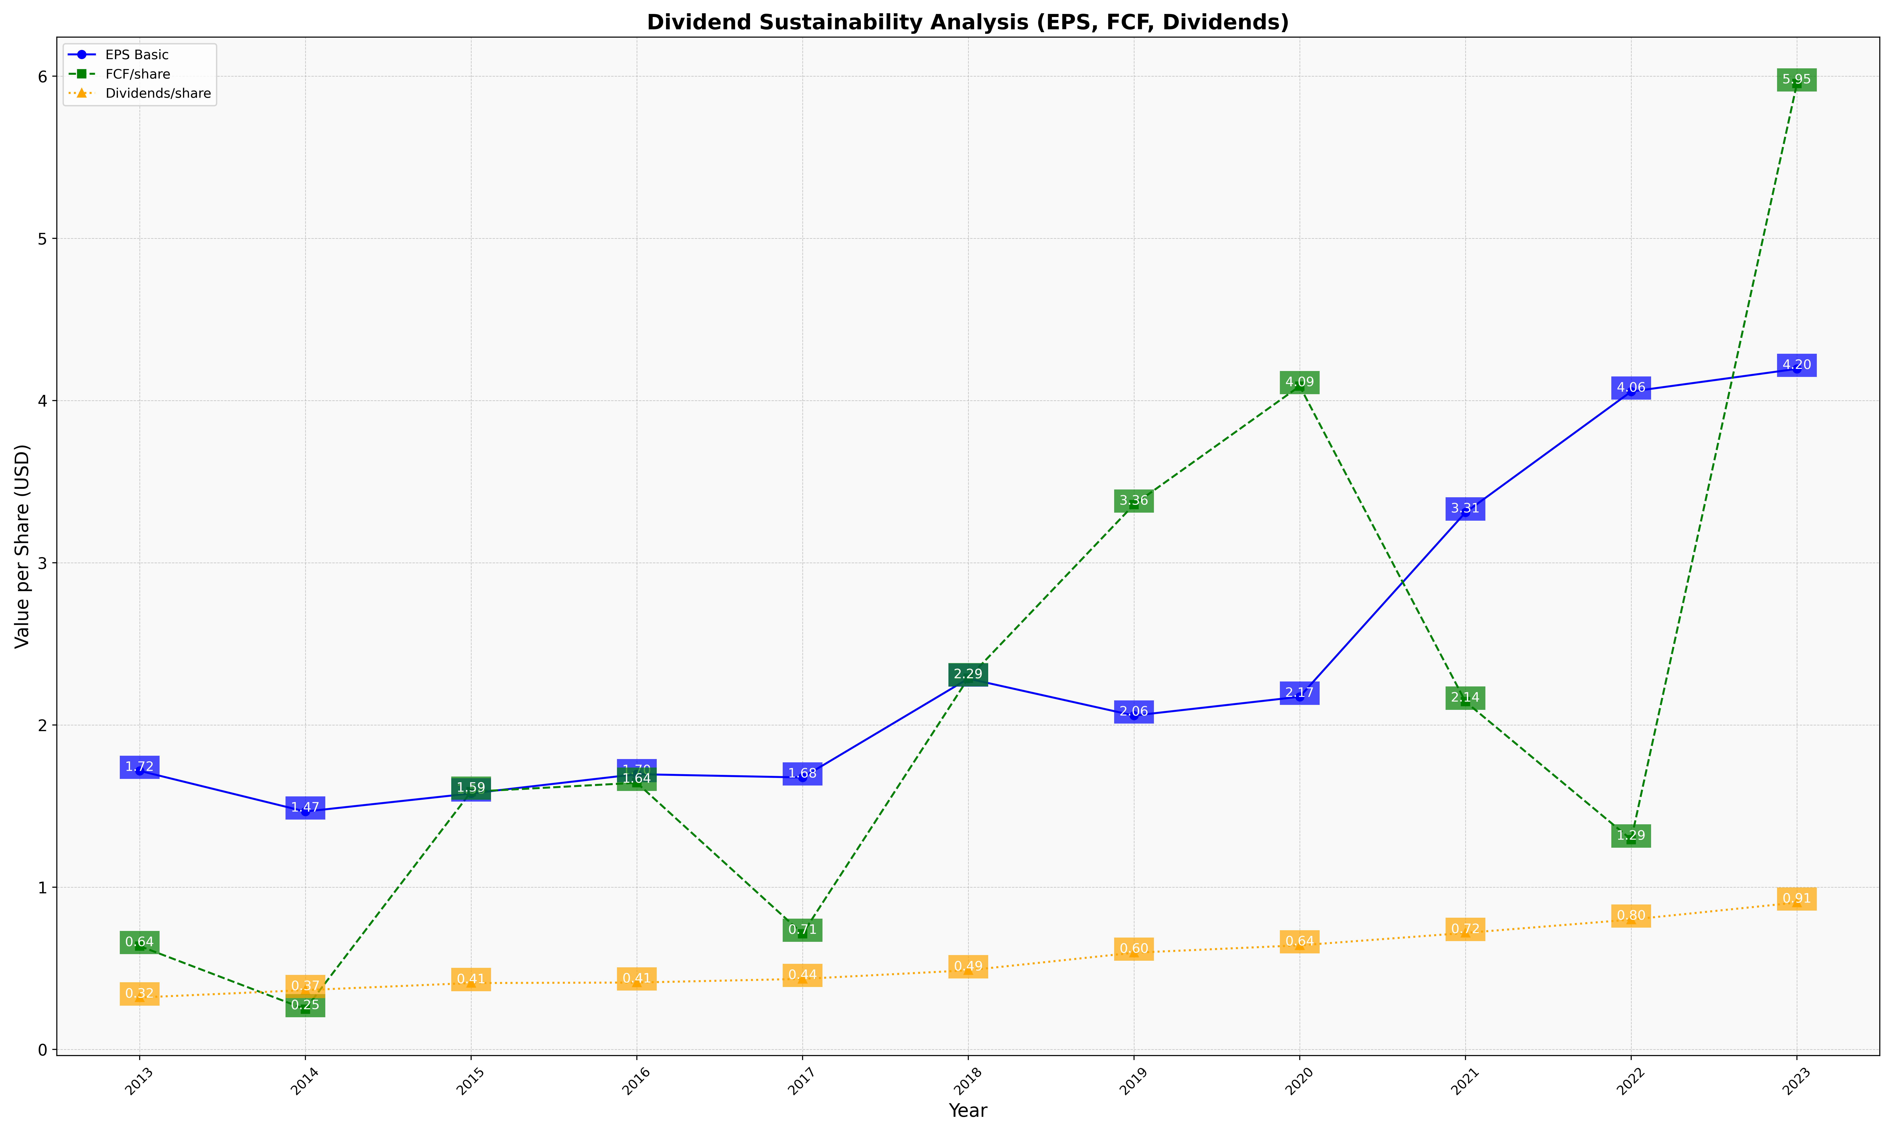
fiscal_date_ending | eps_per_share | free_cash_flow_per_share | dividend_per_share
2013 | 1.7176569213 | 0.63766111286 | 0.32052813581
2014 | 1.4666974829 | 0.24843467664 | 0.36603353364
2015 | 1.5782470413 | 1.5887838335 | 0.40948527662
2016 | 1.6969984475 | 1.6439106434 | 0.41264878385
2017 | 1.6766030452 | 0.71348917006 | 0.43510615484
2018 | 2.2859733195 | 2.288196693 | 0.48810603117
2019 | 2.0582225001 | 3.3588627104 | 0.5964734539
2020 | 2.1742892995 | 4.0889186967 | 0.64201029813
2021 | 3.3100273218 | 2.1437299658 | 0.71849923628
2022 | 4.0554196523 | 1.2939406404 | 0.80079232784
2023 | 4.1954544468 | 5.9542622702 | 0.90570256366

