Dividend Data Analysis
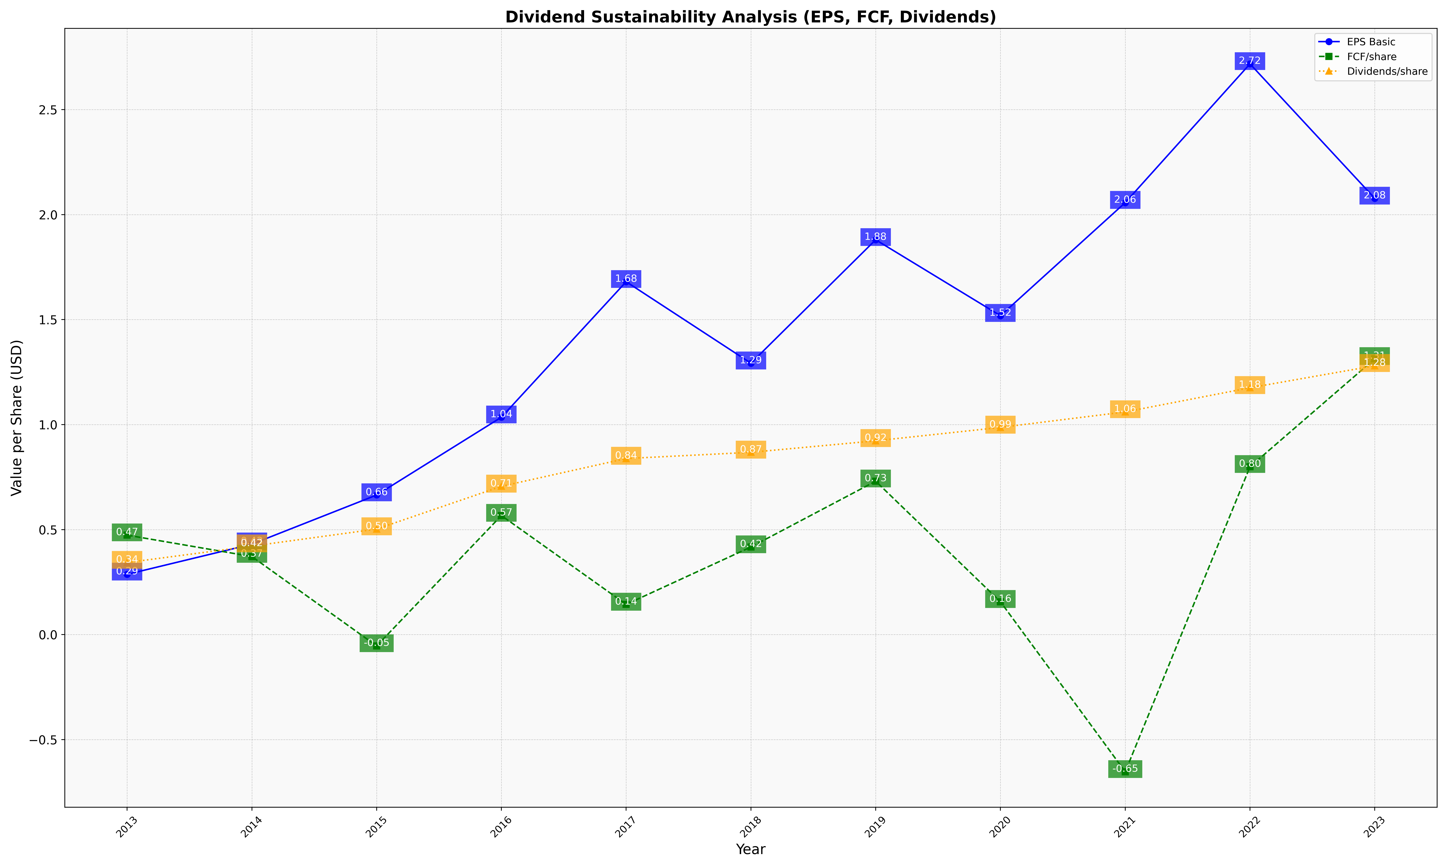
fiscal_date_ending | eps_per_share | free_cash_flow_per_share | dividend_per_share
2013 | 0.28708634276 | 0.47380066621 | 0.34331431336
2014 | 0.43072899628 | 0.37188678071 | 0.42153376991
2015 | 0.66471984687 | -0.053797615855 | 0.50267850971
2016 | 1.0352176021 | 0.56704191028 | 0.70615311817
2017 | 1.6804359044 | 0.14396515007 | 0.83851629561
2018 | 1.2923942693 | 0.41729927988 | 0.86811202739
2019 | 1.8801998619 | 0.7306538163 | 0.92298501357
2020 | 1.5186893112 | 0.15658100665 | 0.98672302787
2021 | 2.0569387441 | -0.65296763189 | 1.0604357684
2022 | 2.7177986616 | 0.79927197438 | 1.175505019
2023 | 2.0773905539 | 1.3134723883 | 1.2802874772

