Dividend Data Analysis
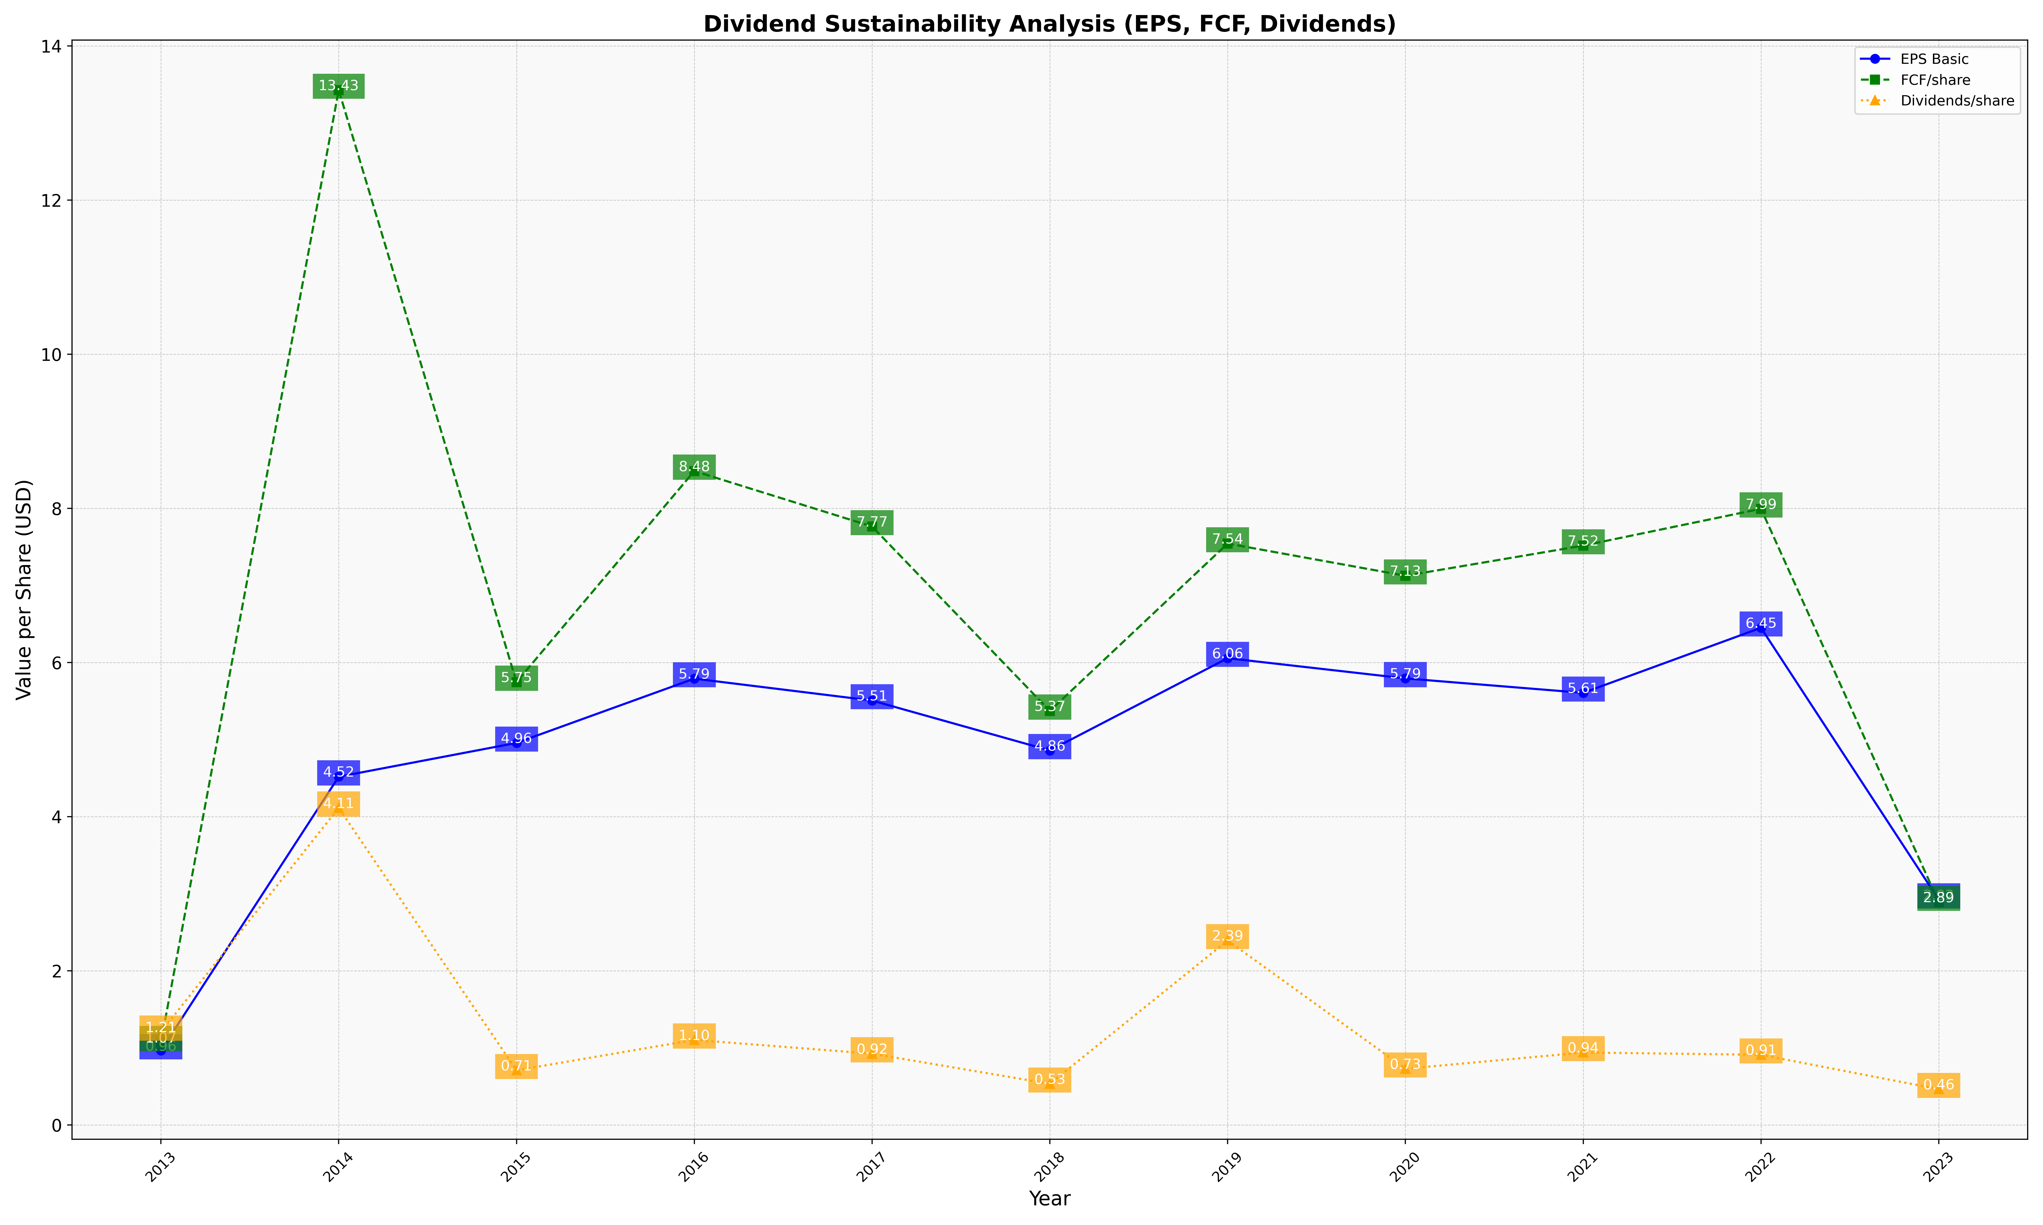
fiscal_date_ending | eps_per_share | free_cash_flow_per_share | dividend_per_share
2013 | 0.96479855275 | 1.0694983605 | 1.2054799683
2014 | 4.5179349648 | 13.428092524 | 4.1131970053
2015 | 4.9566639411 | 5.7464506058 | 0.70772318442
2016 | 5.7908942607 | 8.4847248999 | 1.1026620199
2017 | 5.5062616573 | 7.7652544631 | 0.92394232762
2018 | 4.8586449255 | 5.3718676788 | 0.53269609221
2019 | 6.0561106699 | 7.5437267976 | 2.3929224461
2020 | 5.7935971953 | 7.1258418673 | 0.7281114494
2021 | 5.6062951496 | 7.5169725785 | 0.93920462922
2022 | 6.4505034942 | 7.9949008603 | 0.90900420037
2023 | 2.921158342 | 2.8900718716 | 0.46293870284

