Dividend Data Analysis
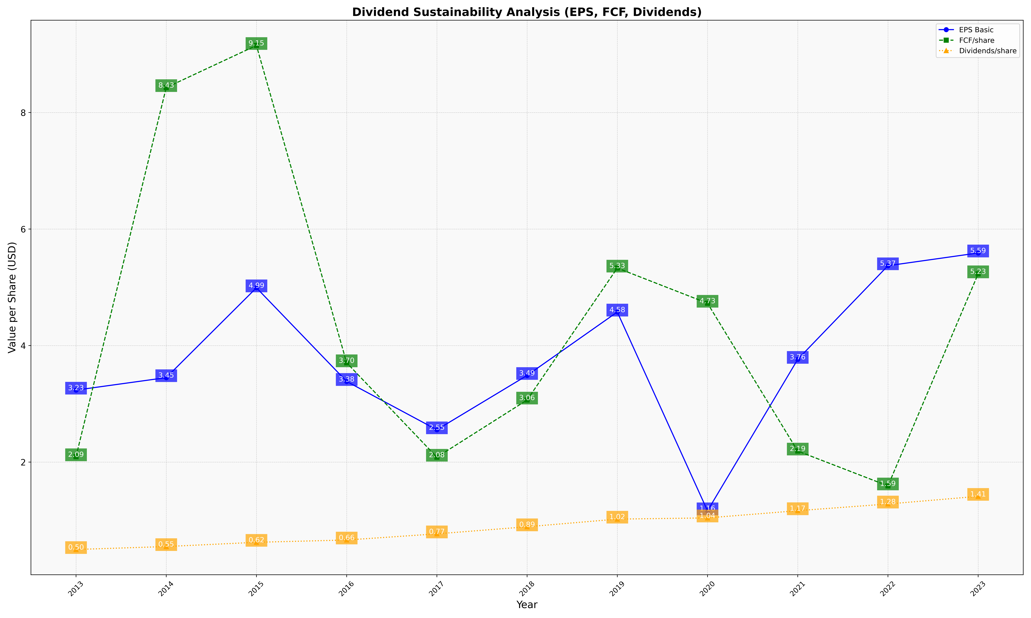
fiscal_date_ending | eps_per_share | free_cash_flow_per_share | dividend_per_share
2013 | 3.2349272349 | 2.0914760915 | 0.49896049896
2014 | 3.4492658519 | 8.4283487819 | 0.54958575999
2015 | 4.9912288029 | 9.1512822655 | 0.62233731518
2016 | 3.383975026 | 3.7044745057 | 0.66181061394
2017 | 2.5541572106 | 2.0837631525 | 0.76748504229
2018 | 3.4867046339 | 3.0646945548 | 0.88908919572
2019 | 4.5755102041 | 5.3306122449 | 1.0204081633
2020 | 1.1632163338 | 4.726074755 | 1.0412006345
2021 | 3.7627447807 | 2.1888655122 | 1.1652370934
2022 | 5.3702656868 | 1.5908907373 | 1.2799806186
2023 | 5.5892878684 | 5.231412602 | 1.4113957135

