Dividend Data Analysis
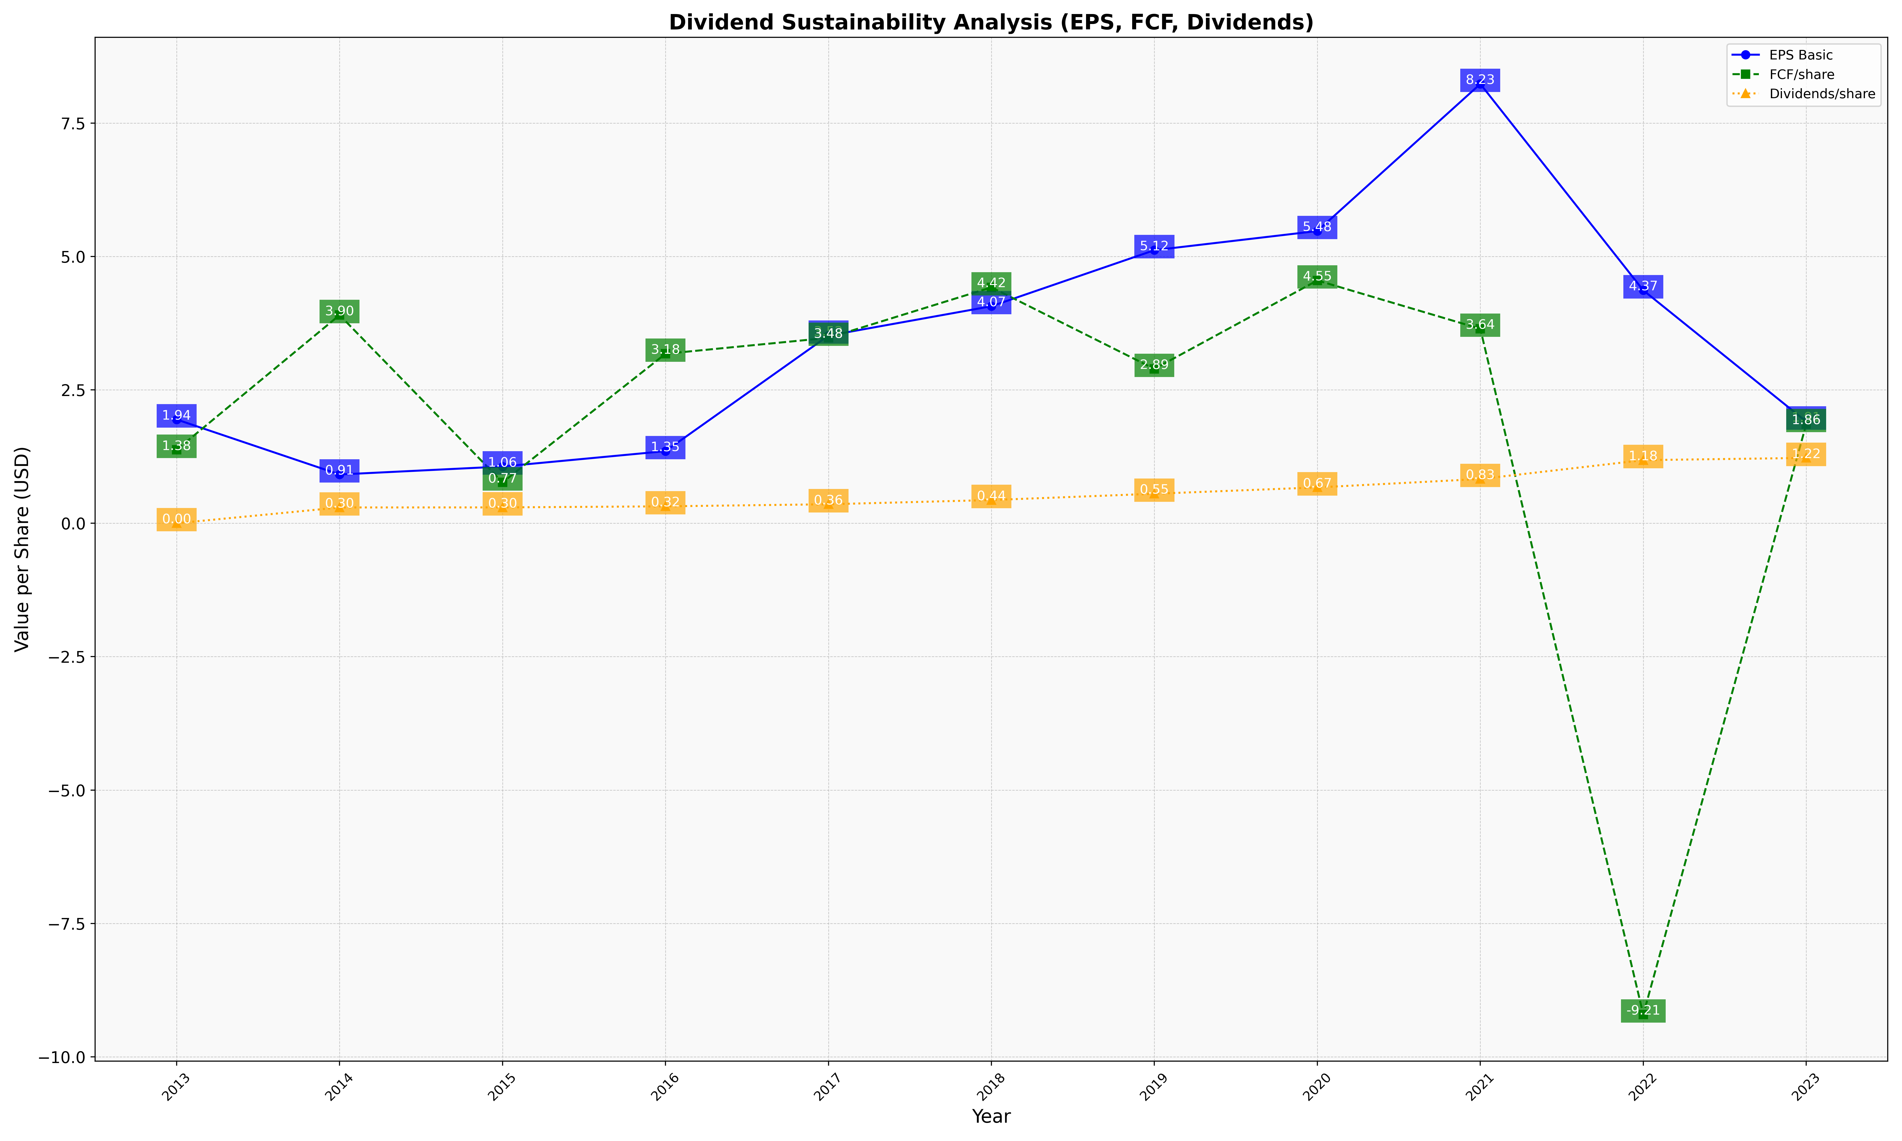
fiscal_date_ending | eps_per_share | free_cash_flow_per_share | dividend_per_share
2013 | 1.9448741341 | 1.3756107732 | 0
2014 | 0.91396268091 | 3.9019985157 | 0.29603855334
2015 | 1.0634084324 | 0.76600266413 | 0.2971052572
2016 | 1.3514468519 | 3.1763655659 | 0.3172161376
2017 | 3.5170368257 | 3.4750208554 | 0.35603532903
2018 | 4.0672880193 | 4.4210217655 | 0.43504150296
2019 | 5.1178749745 | 2.8925604615 | 0.55316809432
2020 | 5.476856802 | 4.5507104306 | 0.67160485796
2021 | 8.2333715143 | 3.644541433 | 0.82944940359
2022 | 4.3652646558 | -9.206586584 | 1.182882621
2023 | 1.9055796688 | 1.8578767683 | 1.2246671016

