Dividend Data Analysis
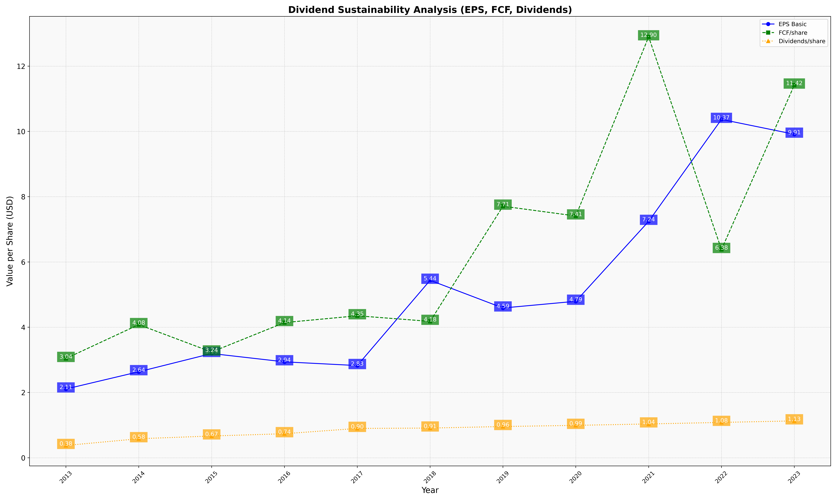
fiscal_date_ending | eps_per_share | free_cash_flow_per_share | dividend_per_share
2013 | 2.1065935054 | 3.0417378789 | 0.37681029055
2014 | 2.6355526945 | 4.0794555821 | 0.58295015634
2015 | 3.1936292719 | 3.2404346211 | 0.66669762259
2016 | 2.9390690856 | 4.1413780465 | 0.7364852483
2017 | 2.825004543 | 4.3506269308 | 0.89887334181
2018 | 5.4377137714 | 4.1787578758 | 0.9099009901
2019 | 4.589106293 | 7.7080909572 | 0.95716552089
2020 | 4.7946490618 | 7.4087039611 | 0.99270326616
2021 | 7.2432129622 | 12.897440317 | 1.0359389813
2022 | 10.368515819 | 6.3813770042 | 1.0829975135
2023 | 9.912802118 | 11.418139892 | 1.1293022461

