Dividend Data Analysis
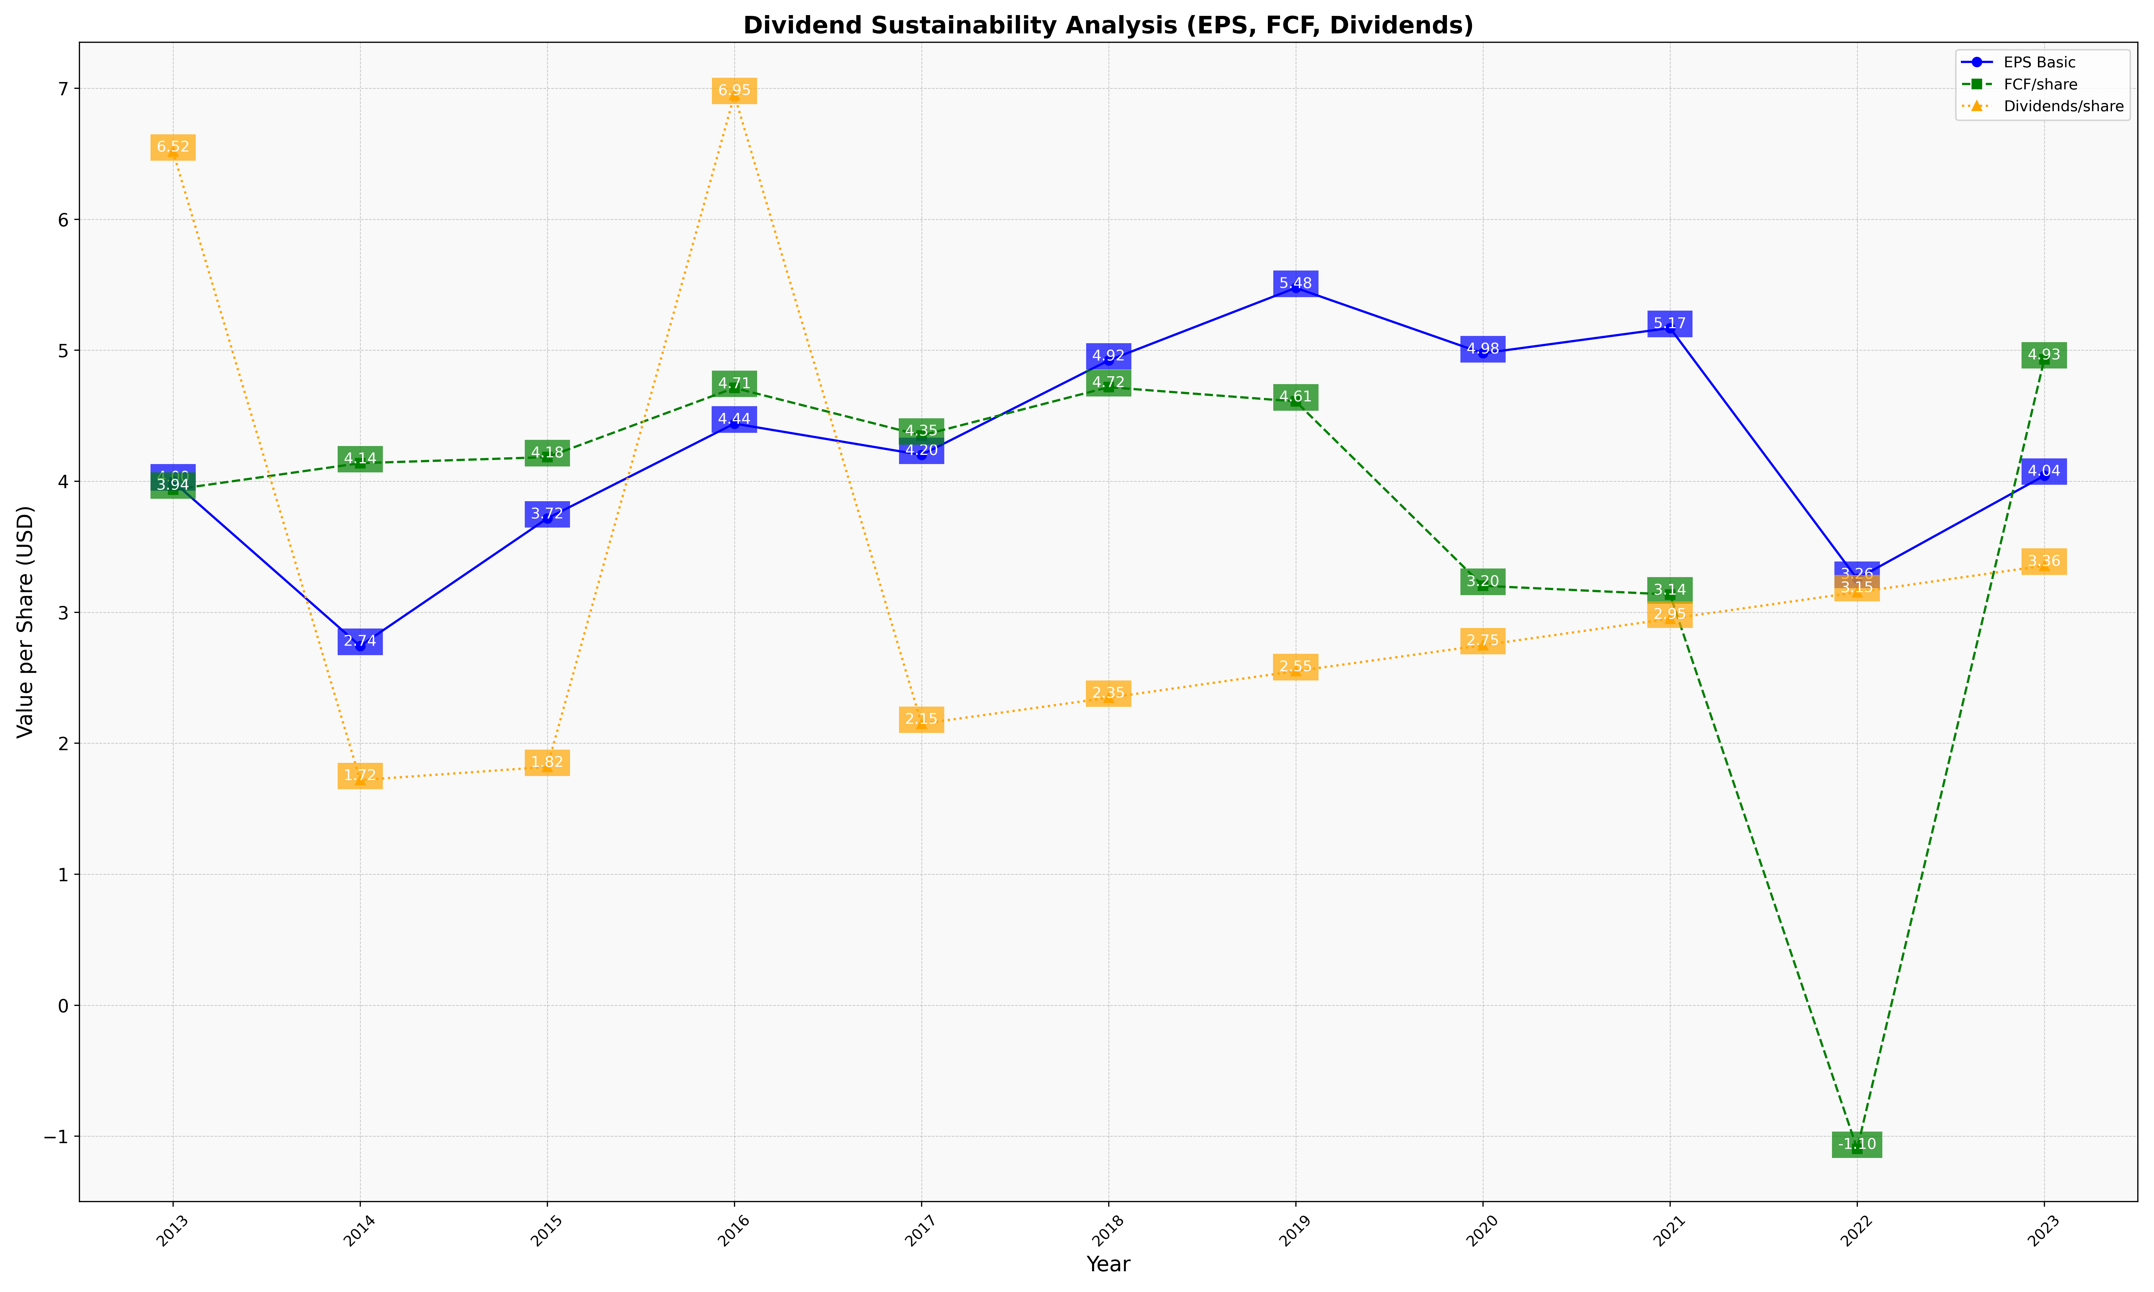
fiscal_date_ending | eps_per_share | free_cash_flow_per_share | dividend_per_share
2013 | 3.9983207265 | 3.9355913494 | 6.5167917649
2014 | 2.7427793734 | 4.13798083 | 1.7186903848
2015 | 3.7165146457 | 4.1839023813 | 1.8193327108
2016 | 4.4401253667 | 4.7124460546 | 6.9482616219
2017 | 4.2011155176 | 4.349247884 | 2.1487572474
2018 | 4.9226591294 | 4.7180242978 | 2.3476071676
2019 | 5.4762023327 | 4.6093524845 | 2.5502430806
2020 | 4.9768683148 | 3.2018314242 | 2.7482988897
2021 | 5.1698737135 | 3.1355154037 | 2.9505968536
2022 | 3.2552771984 | -1.0958844577 | 3.1526254661
2023 | 4.0427135724 | 4.9303334296 | 3.355474788

