Dividend Data Analysis
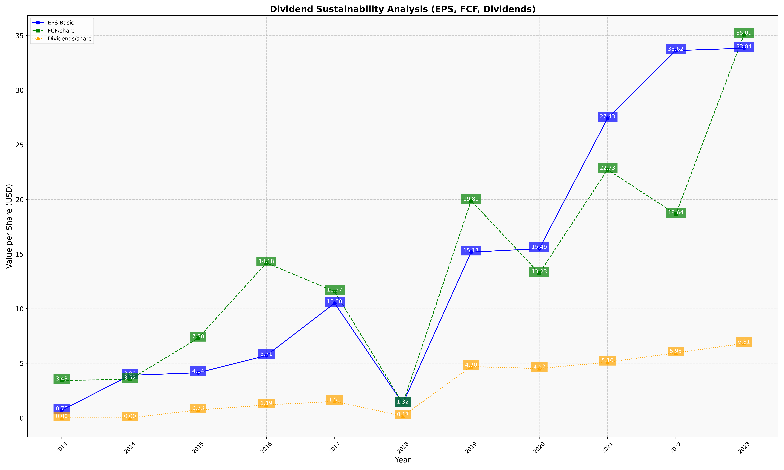
fiscal_date_ending | eps_per_share | free_cash_flow_per_share | dividend_per_share
2013 | 0.69918893862 | 3.432969246 | 0
2014 | 3.8946042501 | 3.5204558054 | 0
2015 | 4.1353236906 | 7.3003071954 | 0.73209025364
2016 | 5.7056385416 | 14.182551919 | 1.1885194225
2017 | 10.497968749 | 11.574500844 | 1.505629997
2018 | 1.316879446 | 1.3177628304 | 0.17015466142
2019 | 15.172640602 | 19.888266532 | 4.696627502
2020 | 15.493962059 | 13.233322553 | 4.5196000853
2021 | 27.427582964 | 22.730135227 | 5.1016624445
2022 | 33.621361562 | 18.643110057 | 5.9521080489
2023 | 33.841204228 | 35.089836981 | 6.8111585407

