Dividend Data Analysis
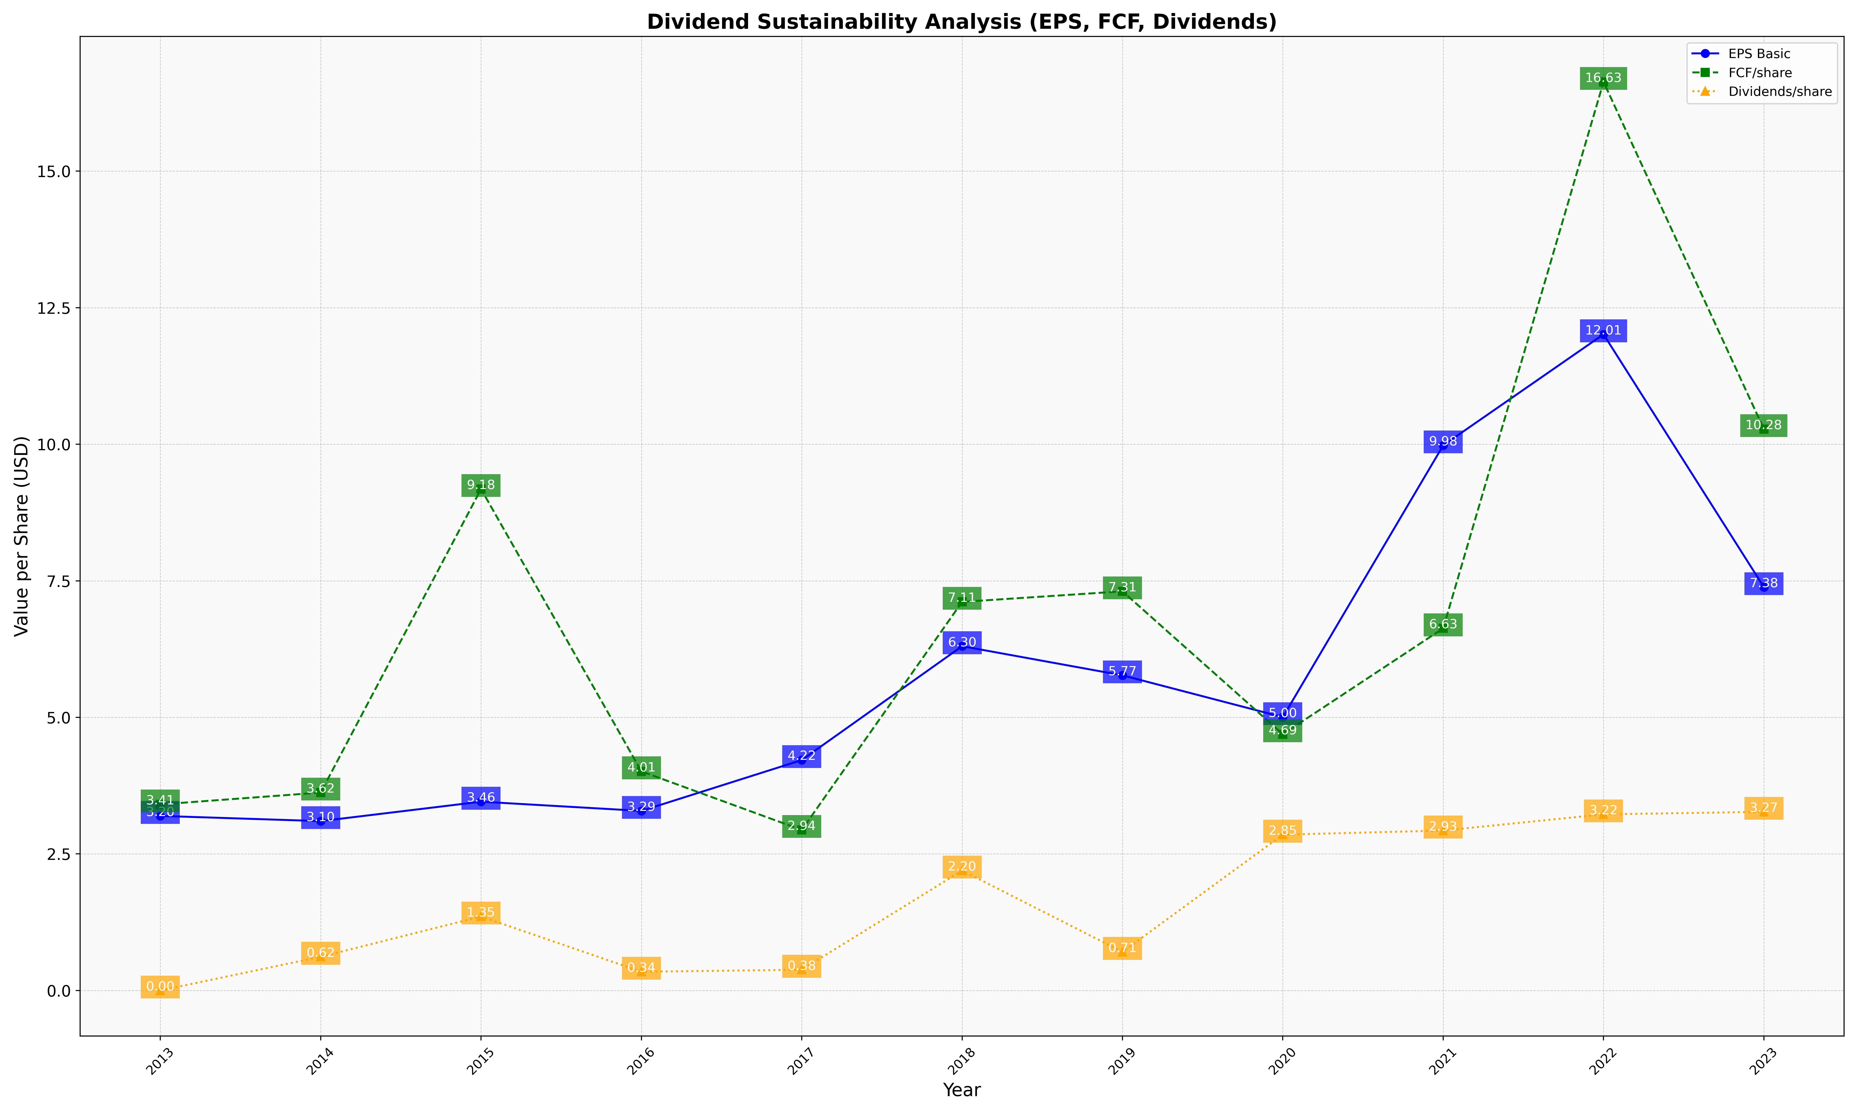
fiscal_date_ending | eps_per_share | free_cash_flow_per_share | dividend_per_share
2013 | 3.1957844511 | 3.4065837857 | 0
2014 | 3.1004914005 | 3.6237212419 | 0.61661827116
2015 | 3.4562495612 | 9.1794247736 | 1.354566942
2016 | 3.2875368008 | 4.0115129611 | 0.34304315565
2017 | 4.2183897094 | 2.9389471177 | 0.37965697951
2018 | 6.3029233124 | 7.1145622438 | 2.1953977581
2019 | 5.769298979 | 7.3072382255 | 0.70662005016
2020 | 5.0041939097 | 4.6912136289 | 2.8524837844
2021 | 9.9783967569 | 6.6295017654 | 2.9282332941
2022 | 12.011874895 | 16.631933991 | 3.2243686235
2023 | 7.384069709 | 10.276489974 | 3.2712394571

