Dividend Data Analysis
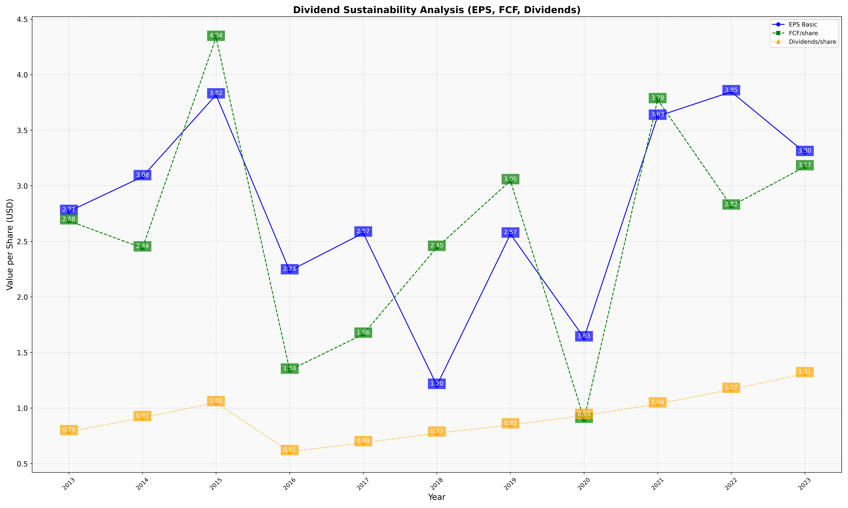
fiscal_date_ending | eps_per_share | free_cash_flow_per_share | dividend_per_share
2013 | 2.7697478992 | 2.6845938375 | 0.78767507003
2014 | 3.0819409476 | 2.4410620279 | 0.91439688716
2015 | 3.8182454503 | 4.3362109193 | 1.0487634158
2016 | 2.2354340071 | 1.3412604043 | 0.60760998811
2017 | 2.574846663 | 1.6645412036 | 0.68804275217
2018 | 1.2039862971 | 2.4459669885 | 0.77421364061
2019 | 2.5655883851 | 3.0463576159 | 0.84819154356
2020 | 1.6319578352 | 0.89921583751 | 0.93328191284
2021 | 3.6262901285 | 3.7750902298 | 1.0371683657
2022 | 3.8463006553 | 2.8182454355 | 1.1686494052
2023 | 3.3001366921 | 3.1712556141 | 1.3096400443

