Dividend Data Analysis
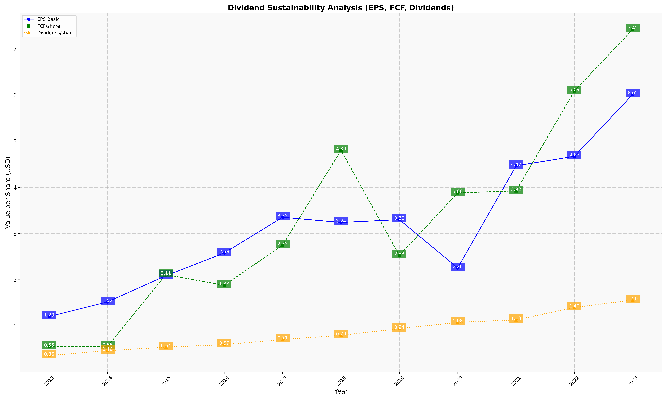
fiscal_date_ending | eps_per_share | free_cash_flow_per_share | dividend_per_share
2013 | 1.2034888539 | 0.55321676197 | 0.35557028811
2014 | 1.5194209582 | 0.55421470664 | 0.46284909044
2015 | 2.0865160049 | 2.1107981866 | 0.53898200302
2016 | 2.5785959885 | 1.8792454632 | 0.59382043935
2017 | 3.3534246358 | 2.7471484552 | 0.70529135435
2018 | 3.2399098959 | 4.8047382321 | 0.79398788255
2019 | 3.3014433437 | 2.5266499233 | 0.93890206657
2020 | 2.2551705489 | 3.8810213621 | 1.0758681964
2021 | 4.4669798948 | 3.9249486954 | 1.130329121
2022 | 4.673910522 | 6.0902568351 | 1.3989726595
2023 | 6.0155443122 | 7.4230578318 | 1.5602744856

