Dividend Data Analysis
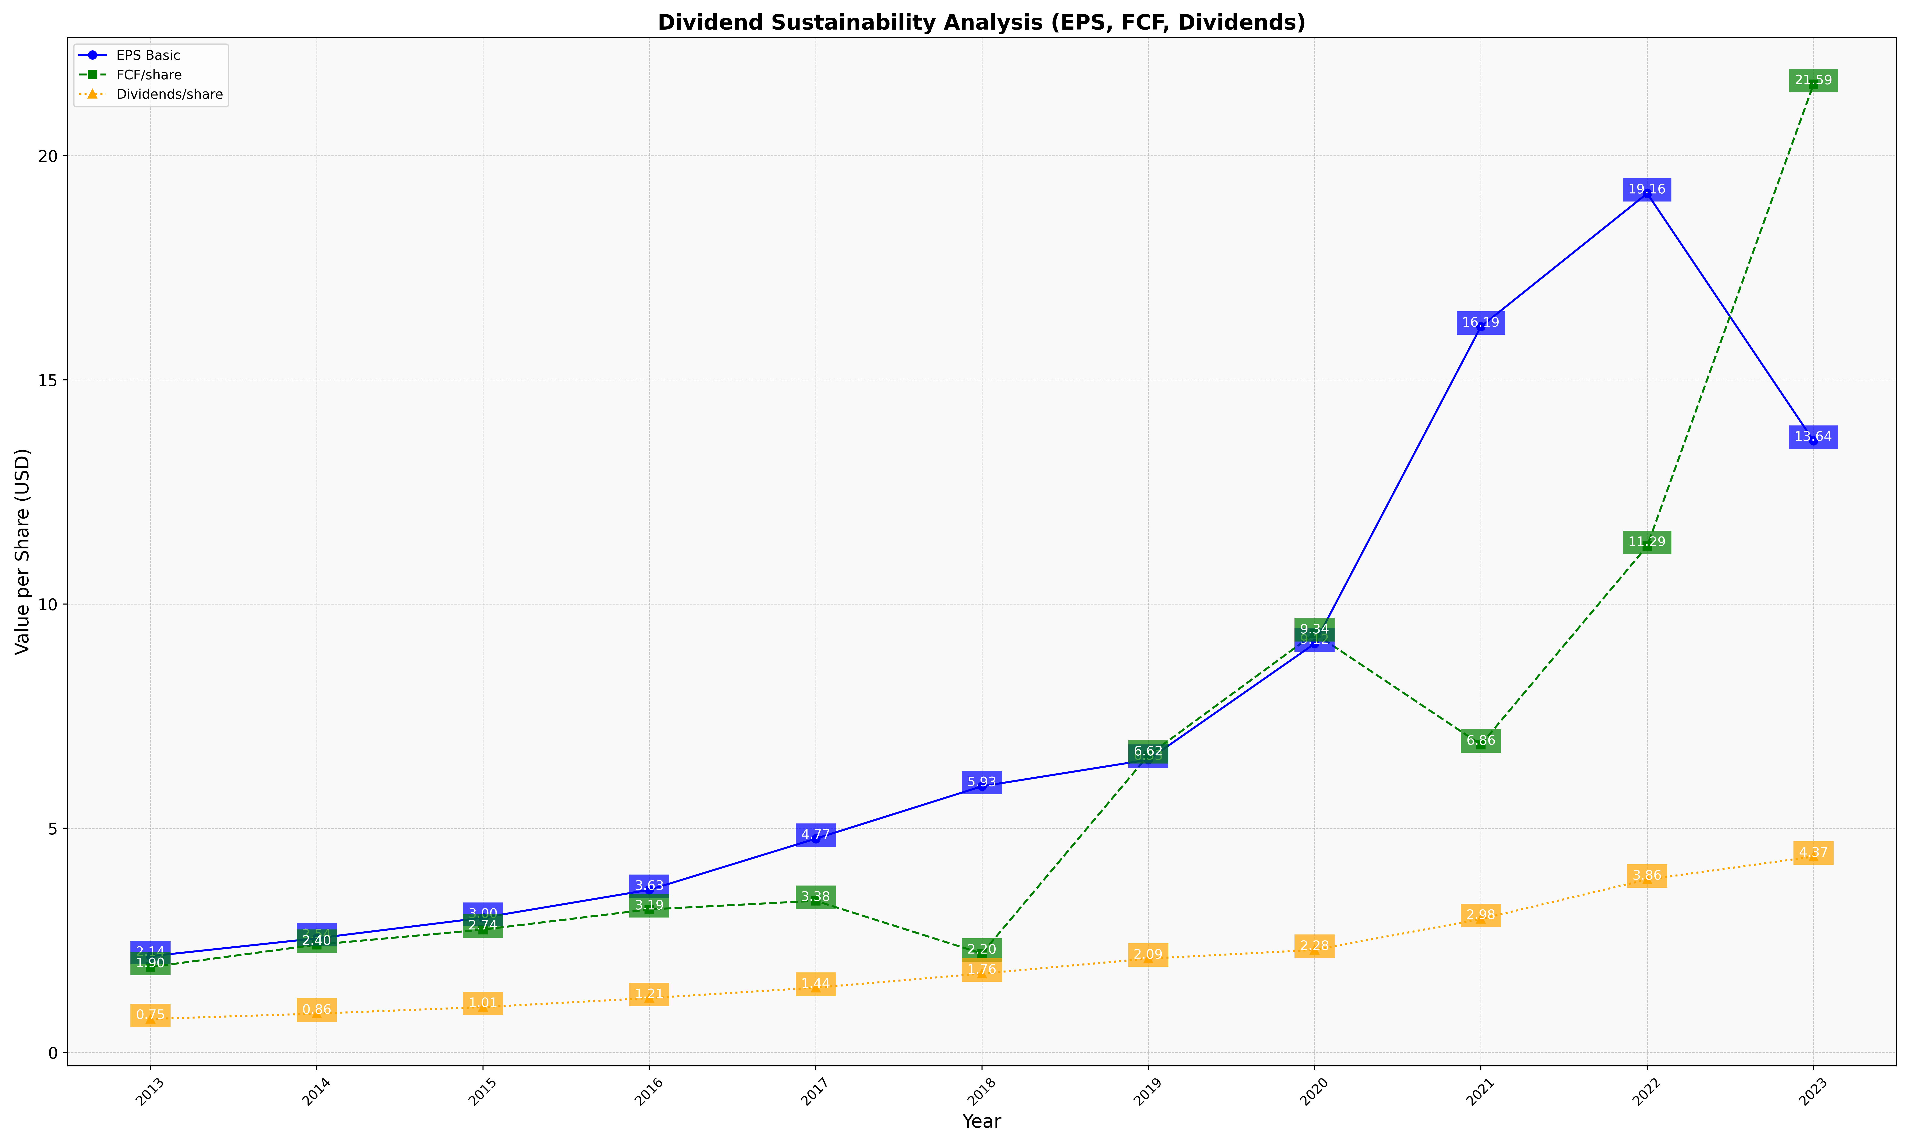
fiscal_date_ending | eps_per_share | free_cash_flow_per_share | dividend_per_share
2013 | 2.1448348606 | 1.9027834262 | 0.74501774342
2014 | 2.5439949302 | 2.4013876186 | 0.86414744856
2015 | 3.0033235454 | 2.7382865348 | 1.0095053698
2016 | 3.6251159657 | 3.1887781177 | 1.2107407887
2017 | 4.7655109632 | 3.38007032 | 1.4430595758
2018 | 5.9348099622 | 2.204117155 | 1.7574515833
2019 | 6.5272734351 | 6.6230708267 | 2.0904243532
2020 | 9.1155320575 | 9.3427380698 | 2.2849602346
2021 | 16.187535207 | 6.8627044363 | 2.9751771339
2022 | 19.157233948 | 11.293615603 | 3.8552915261
2023 | 13.641802444 | 21.591362068 | 4.3660995073

