Dividend Data Analysis
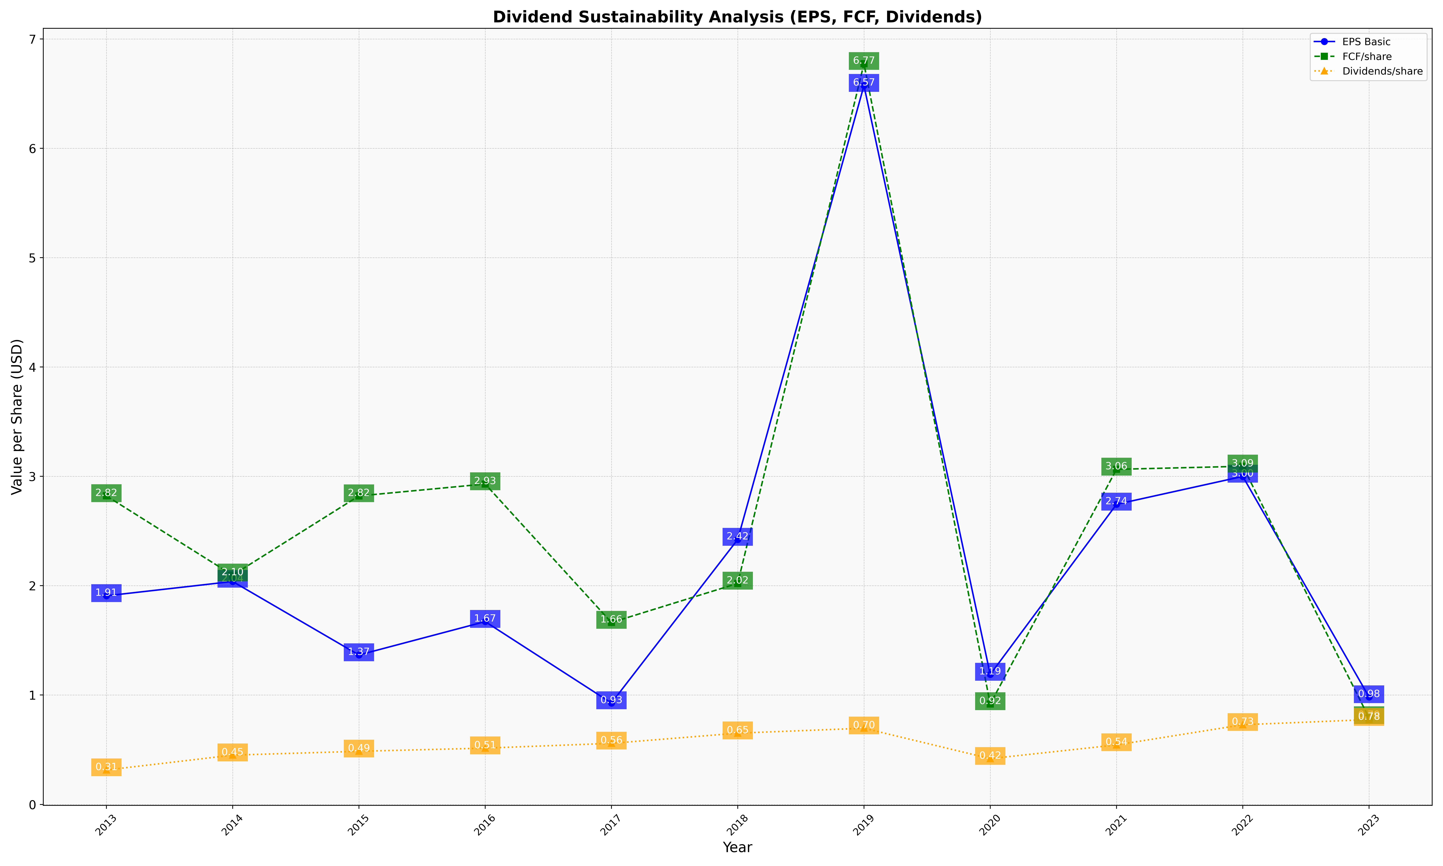
fiscal_date_ending | eps_per_share | free_cash_flow_per_share | dividend_per_share
2013 | 1.9074714784 | 2.8216361613 | 0.31463653102
2014 | 2.038586892 | 2.0963098784 | 0.450725454
2015 | 1.3664580752 | 2.8210071849 | 0.48568733588
2016 | 1.6717473568 | 2.9300536571 | 0.51467308908
2017 | 0.92702230222 | 1.6634961759 | 0.55851675089
2018 | 2.4225436965 | 2.0211056643 | 0.65157093049
2019 | 6.5736213448 | 6.7737846965 | 0.69674922621
2020 | 1.1880487398 | 0.91872809214 | 0.41864463362
2021 | 2.7441957505 | 3.0643766795 | 0.54410561982
2022 | 2.9994382121 | 3.0921507698 | 0.72842822282
2023 | 0.98232225316 | 0.79091614086 | 0.77563537664

