Dividend Data Analysis
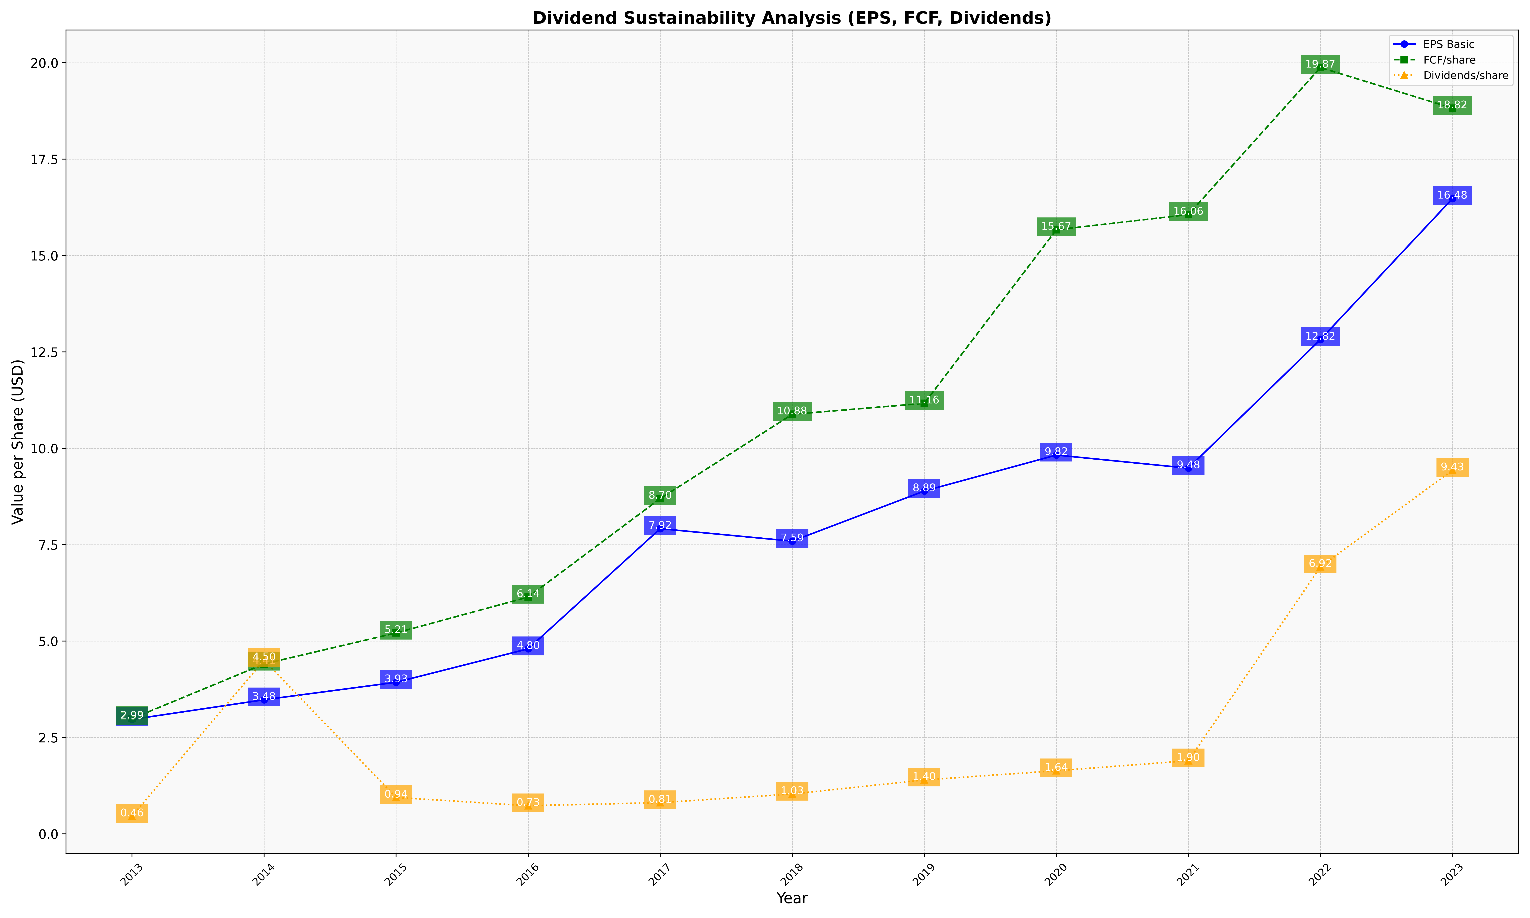
fiscal_date_ending | eps_per_share | free_cash_flow_per_share | dividend_per_share
2013 | 2.9675930992 | 2.9885472517 | 0.45697924645
2014 | 3.4773907876 | 4.4058348828 | 4.504590849
2015 | 3.931320786 | 5.2112967679 | 0.94415802224
2016 | 4.7989764003 | 6.1406793377 | 0.72979593622
2017 | 7.9151883573 | 8.6956678945 | 0.8094958306
2018 | 7.5910900829 | 10.880920036 | 1.0338689277
2019 | 8.8914747494 | 11.164996239 | 1.3985487903
2020 | 9.8245560474 | 15.666692108 | 1.6370528672
2021 | 9.483768543 | 16.060455192 | 1.8958545011
2022 | 12.819574191 | 19.874538345 | 6.9248316315
2023 | 16.47619728 | 18.819865127 | 9.4296491028

