Dividend Data Analysis
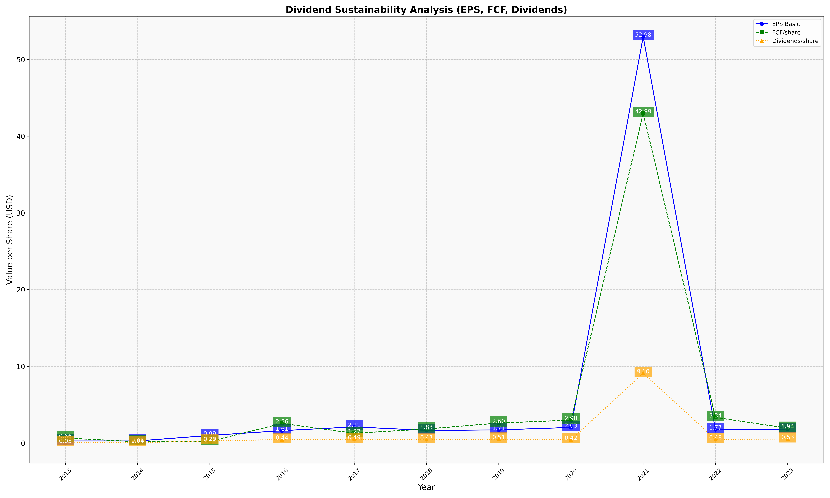
fiscal_date_ending | eps_per_share | free_cash_flow_per_share | dividend_per_share
2013 | 0.26739746746 | 0.65726862606 | 0.030104690861
2014 | 0.2701553858 | 0.15974226878 | 0.040192222512
2015 | 0.98796734948 | 0.20995974289 | 0.28750843323
2016 | 1.6120974401 | 2.5578034682 | 0.44488026424
2017 | 2.1051533486 | 1.2703943251 | 0.48758606301
2018 | 1.6470497374 | 1.8305529812 | 0.4734321903
2019 | 1.7097874981 | 2.6036916395 | 0.508918877
2020 | 2.0326441785 | 2.9824537541 | 0.4175734494
2021 | 52.976811594 | 42.985507246 | 9.0985507246
2022 | 1.7660084626 | 3.3389280677 | 0.48166431594
2023 | 1.7931801334 | 1.9319495923 | 0.53135656042

