Dividend Data Analysis
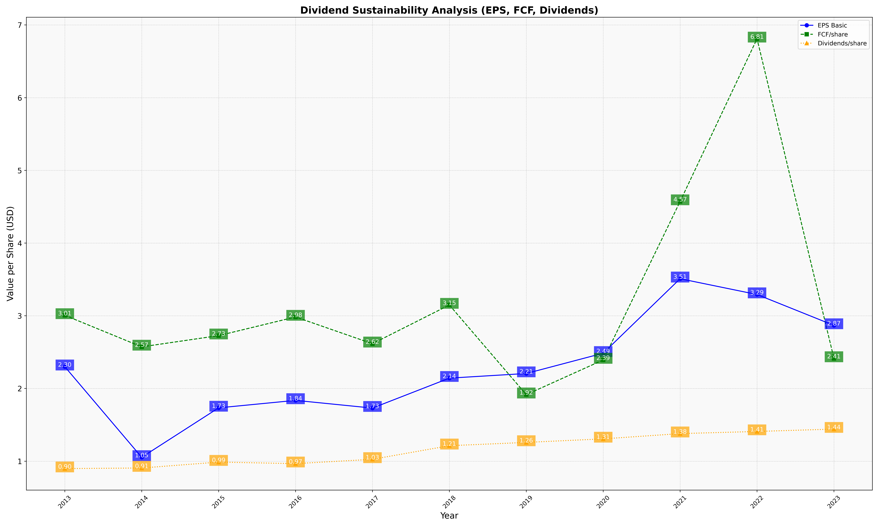
fiscal_date_ending | eps_per_share | free_cash_flow_per_share | dividend_per_share
2013 | 2.3000893455 | 3.0067009158 | 0.89836944382
2014 | 1.0535551735 | 2.5726711844 | 0.90618994639
2015 | 1.7335303388 | 2.7271867612 | 0.9878250591
2016 | 1.8365835504 | 2.9838481578 | 0.96624488277
2017 | 1.7304530682 | 2.6157203849 | 1.025903269
2018 | 2.142345258 | 3.1485291568 | 1.2130555395
2019 | 2.2062618371 | 1.9153349905 | 1.2583155777
2020 | 2.4854178012 | 2.3925999879 | 1.307073274
2021 | 3.5098888854 | 4.5726887245 | 1.3794608313
2022 | 3.2926791033 | 6.8103464493 | 1.4088728641
2023 | 2.8677472709 | 2.4134965266 | 1.4416804499

