Dividend Data Analysis
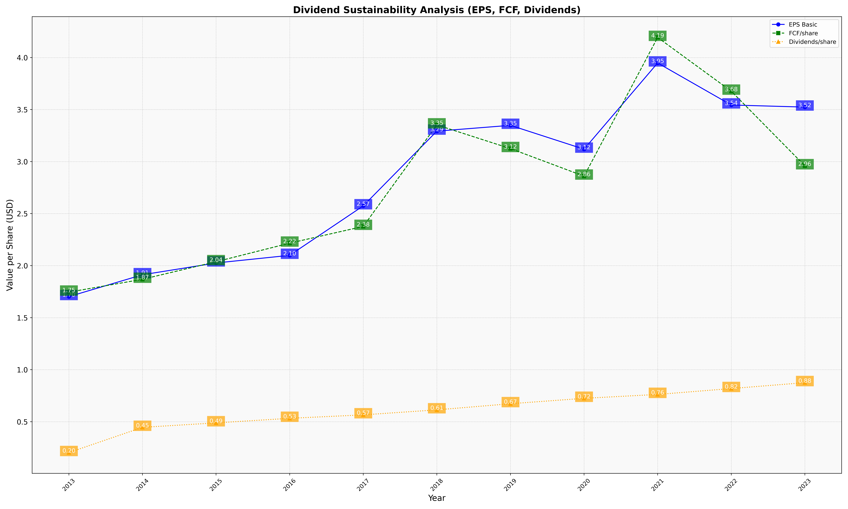
fiscal_date_ending | eps_per_share | free_cash_flow_per_share | dividend_per_share
2013 | 1.7024379291 | 1.7452700866 | 0.20325923825
2014 | 1.9122627019 | 1.8687270502 | 0.44576043392
2015 | 2.0255843355 | 2.037677194 | 0.48878356837
2016 | 2.099068735 | 2.2161150971 | 0.532512529
2017 | 2.5745946049 | 2.3768853179 | 0.56575135768
2018 | 3.2926826093 | 3.35267584 | 0.61391358684
2019 | 3.3485325053 | 3.1249858092 | 0.67277705433
2020 | 3.1192362409 | 2.8600170158 | 0.72466456526
2021 | 3.9479736221 | 4.1933491755 | 0.76212901502
2022 | 3.5439766849 | 3.6767862733 | 0.81863716999
2023 | 3.5239119071 | 2.959630741 | 0.87543205671

