Dividend Data Analysis
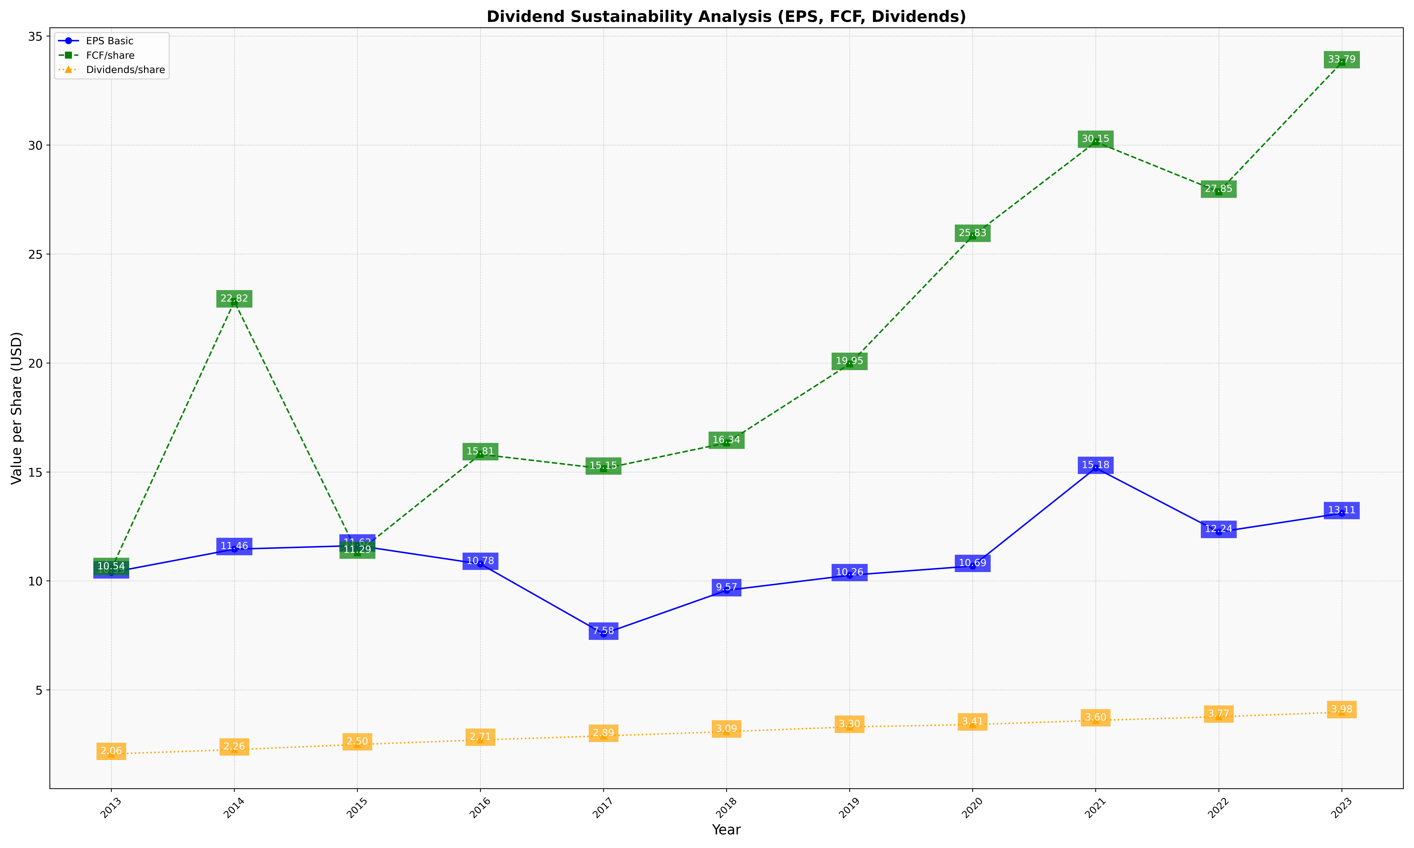
fiscal_date_ending | eps_per_share | free_cash_flow_per_share | dividend_per_share
2013 | 10.390381895 | 10.543140028 | 2.0622347949
2014 | 11.458721291 | 22.82122905 | 2.2625698324
2015 | 11.622169652 | 11.294356201 | 2.4974653599
2016 | 10.779685265 | 15.811874106 | 2.7074391989
2017 | 7.5755342668 | 15.151068534 | 2.8924097273
2018 | 9.5713201821 | 16.335356601 | 3.0880121396
2019 | 10.26223092 | 19.953033268 | 3.3033268102
2020 | 10.685419968 | 25.828050713 | 3.411251981
2021 | 15.182421227 | 30.145107794 | 3.6028192371
2022 | 12.244722103 | 27.854373115 | 3.7699267557
2023 | 13.106923751 | 33.790534619 | 3.9789658195

