Dividend Data Analysis
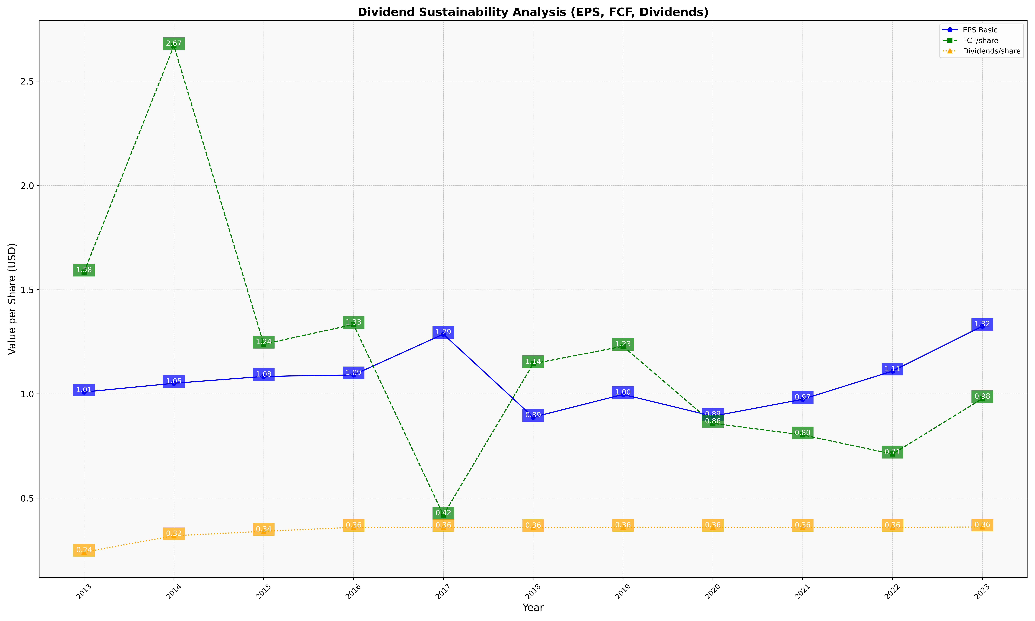
fiscal_date_ending | eps_per_share | free_cash_flow_per_share | dividend_per_share
2013 | 1.008674853 | 1.5843313625 | 0.24057136119
2014 | 1.050693845 | 2.6702742182 | 0.31938450302
2015 | 1.0836927113 | 1.2386488481 | 0.34065753874
2016 | 1.0909472868 | 1.3325361171 | 0.35981383924
2017 | 1.2864551847 | 0.41840338541 | 0.35987463807
2018 | 0.88812051202 | 1.1445051514 | 0.35869497346
2019 | 0.99720438696 | 1.2282725569 | 0.3603575927
2020 | 0.89282201068 | 0.85869515868 | 0.36033718238
2021 | 0.97389567214 | 0.80313669365 | 0.35982527543
2022 | 1.1092170611 | 0.71129126497 | 0.35975752264
2023 | 1.3245903529 | 0.97731628933 | 0.36138292813

