Dividend Data Analysis
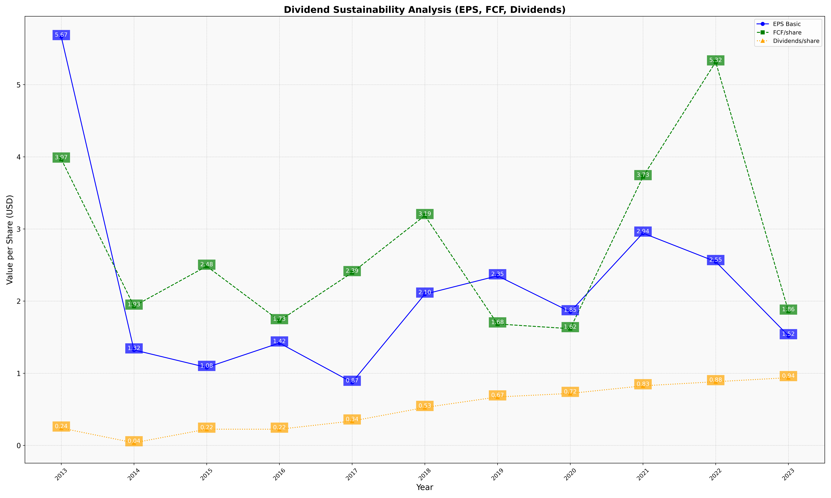
fiscal_date_ending | eps_per_share | free_cash_flow_per_share | dividend_per_share
2013 | 5.6662856028 | 3.9683331731 | 0.24029403582
2014 | 1.3233927089 | 1.9299460398 | 0.036071150244
2015 | 1.0805082419 | 2.483622093 | 0.22465773646
2016 | 1.4190586359 | 1.7283572824 | 0.2241918002
2017 | 0.8742122168 | 2.3946900138 | 0.33784671713
2018 | 2.0964590778 | 3.1853592489 | 0.52545573289
2019 | 2.3504902547 | 1.6831125639 | 0.67132637165
2020 | 1.8523851536 | 1.6177507776 | 0.72044763767
2021 | 2.9426470288 | 3.7250995878 | 0.82585499383
2022 | 2.5474484479 | 5.3152733993 | 0.88265454377
2023 | 1.5201118821 | 1.8610655098 | 0.93874212706

