Dividend Data Analysis
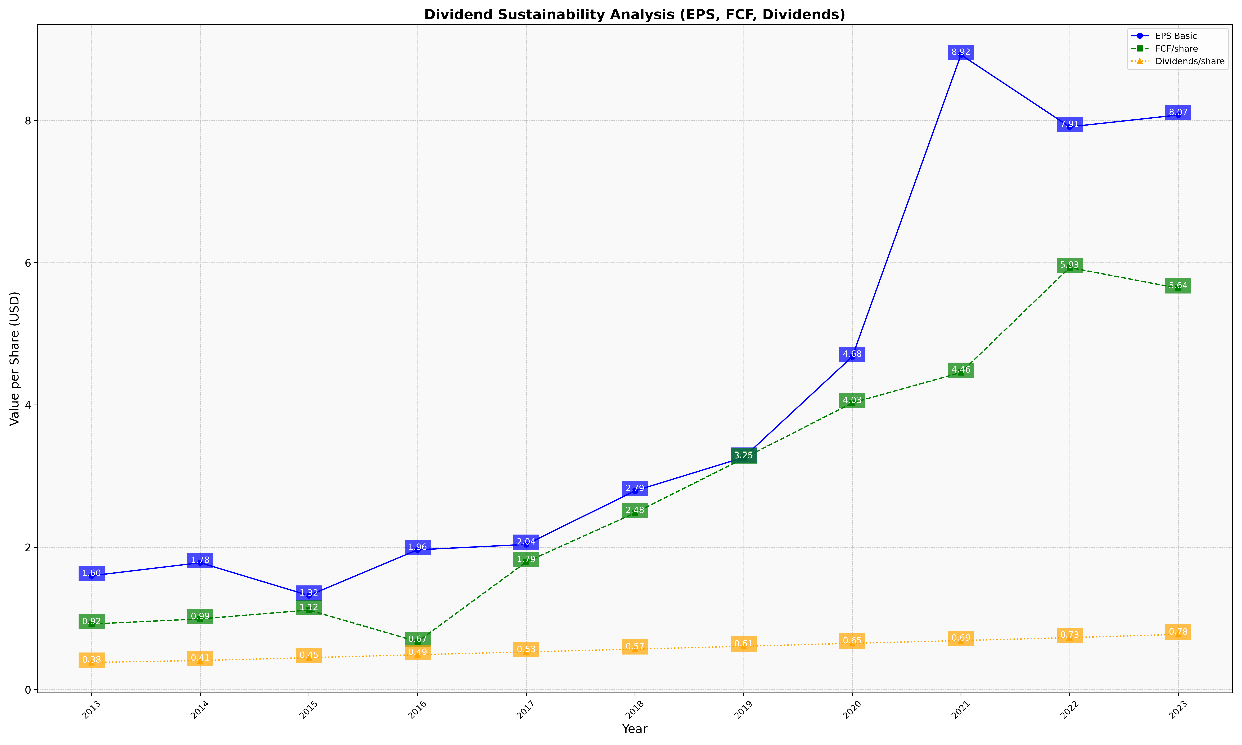
fiscal_date_ending | eps_per_share | free_cash_flow_per_share | dividend_per_share
2013 | 1.5997150997 | 0.92165242165 | 0.38176638177
2014 | 1.7826086957 | 0.99298737728 | 0.40813464236
2015 | 1.3222683264 | 1.1175656985 | 0.44813278008
2016 | 1.9644322845 | 0.6730506156 | 0.48974008208
2017 | 2.0392422192 | 1.7929634641 | 0.52909336942
2018 | 2.7921727395 | 2.4817813765 | 0.5681511471
2019 | 3.2618083671 | 3.2496626181 | 0.60863697706
2020 | 4.6783783784 | 4.0283783784 | 0.65
2021 | 8.9191374663 | 4.4555256065 | 0.68867924528
2022 | 7.9068825911 | 5.9298245614 | 0.73009446694
2023 | 8.0734693878 | 5.6394557823 | 0.77551020408

