Dividend Data Analysis
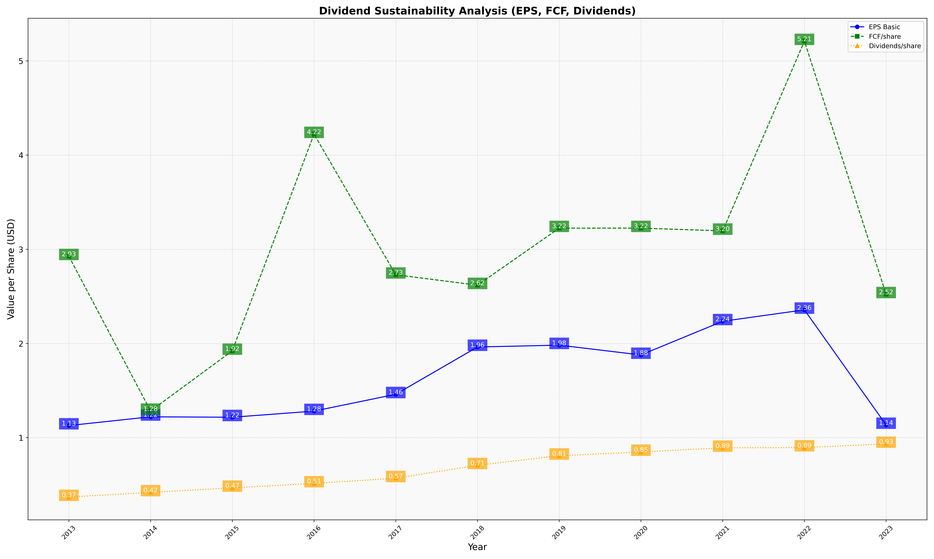
fiscal_date_ending | eps_per_share | free_cash_flow_per_share | dividend_per_share
2013 | 1.1288981289 | 2.9269642879 | 0.36997010666
2014 | 1.22145331 | 1.2840446686 | 0.41950564284
2015 | 1.2171499987 | 1.9218090682 | 0.46735157363
2016 | 1.2821748015 | 4.2231483032 | 0.51427422867
2017 | 1.4606699035 | 2.7298202034 | 0.56963715221
2018 | 1.9628866181 | 2.6192639645 | 0.7072650625
2019 | 1.982474568 | 3.2245147231 | 0.80807401115
2020 | 1.8784198205 | 3.2248096759 | 0.84916510217
2021 | 2.2356843147 | 3.1958052757 | 0.8917212064
2022 | 2.3571691474 | 5.2102769203 | 0.8949308912
2023 | 1.1351944893 | 2.5220828155 | 0.9337732106

