Dividend Data Analysis
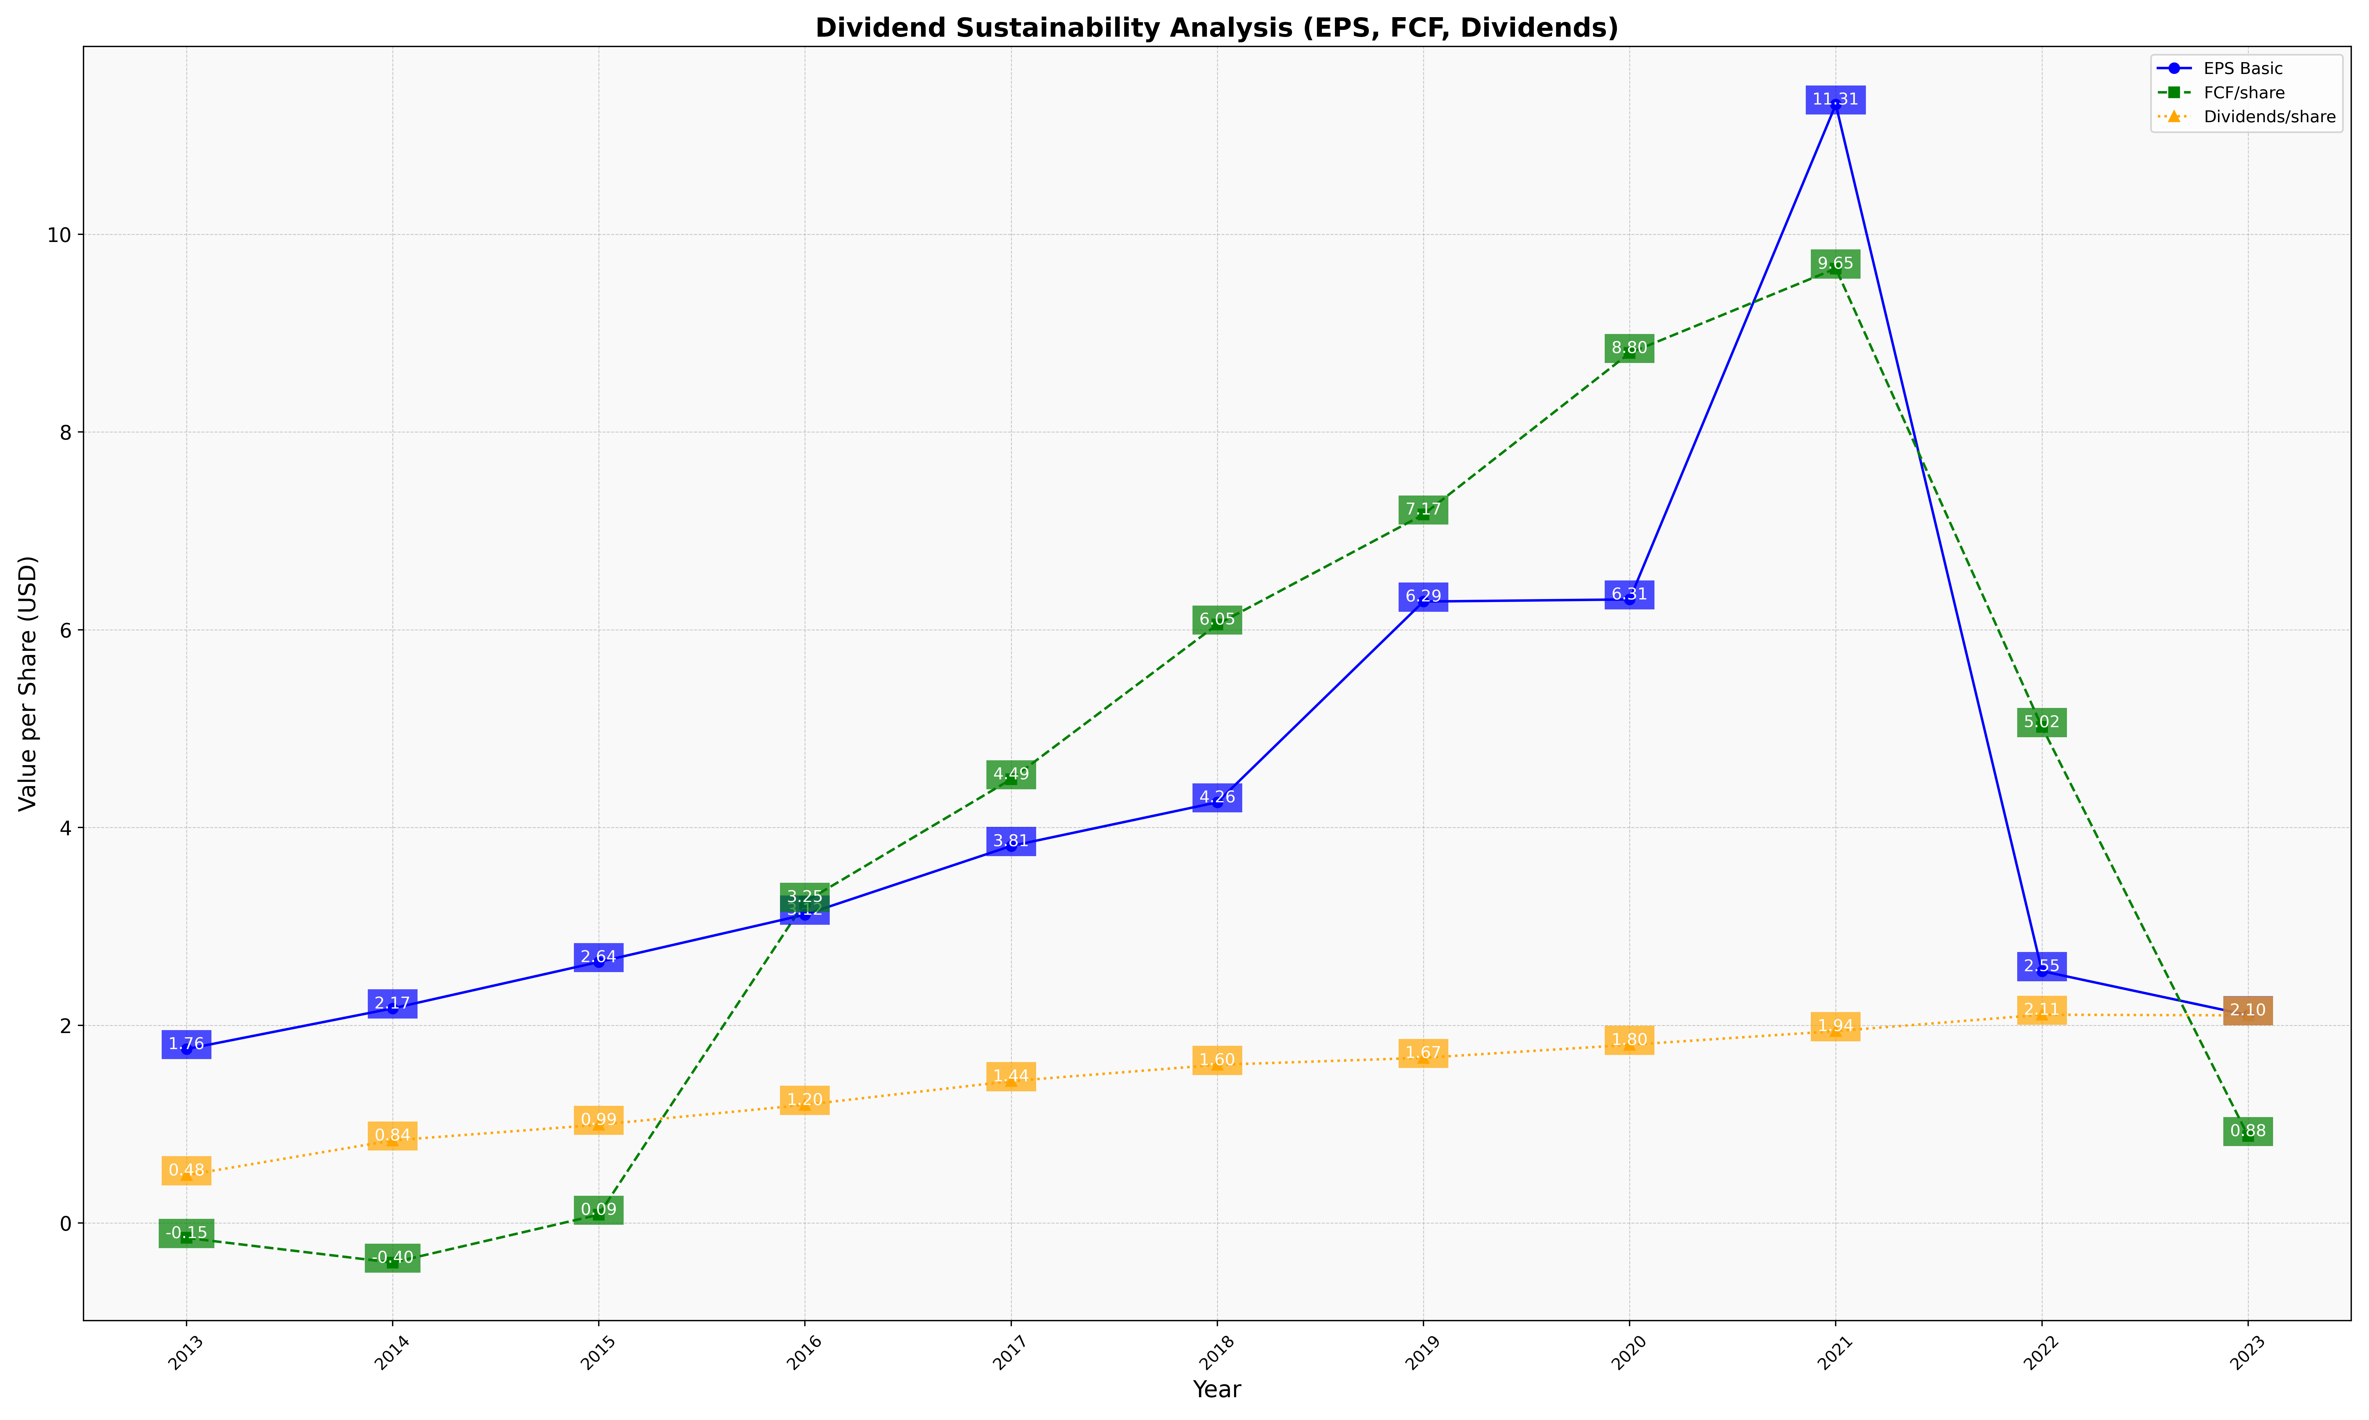
fiscal_date_ending | eps_per_share | free_cash_flow_per_share | dividend_per_share
2013 | 1.7598394712 | -0.14934844193 | 0.48464589235
2014 | 2.1715810714 | -0.39914079281 | 0.8363228908
2015 | 2.6406166932 | 0.085473610882 | 0.99473867532
2016 | 3.119706396 | 3.2484810449 | 1.1964363676
2017 | 3.8138291638 | 4.4888708587 | 1.4359612351
2018 | 4.2557221784 | 6.0539839994 | 1.6008376982
2019 | 6.285785412 | 7.1659731854 | 1.6714676909
2020 | 6.3070328854 | 8.7990358214 | 1.8033039428
2021 | 11.312670921 | 9.6536007293 | 1.9416590702
2022 | 2.5484496124 | 5.0174418605 | 2.1075581395
2023 | 2.1028128031 | 0.88166828322 | 2.1008729389

