Dividend Data Analysis
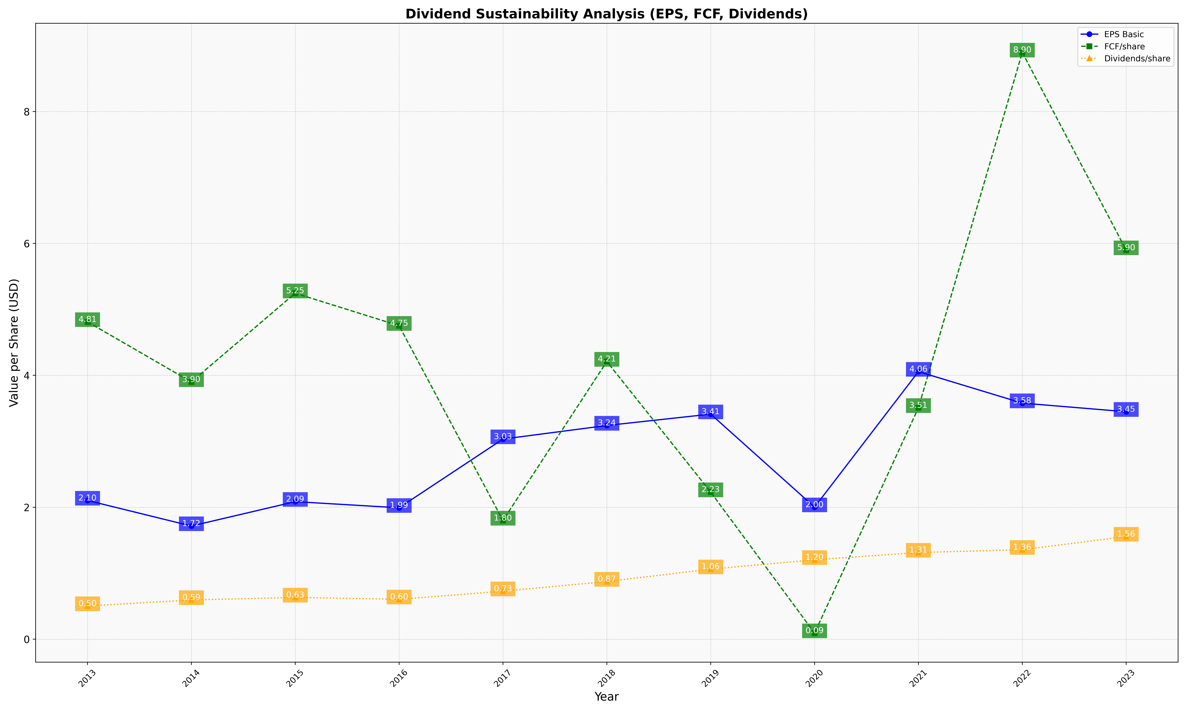
fiscal_date_ending | eps_per_share | free_cash_flow_per_share | dividend_per_share
2013 | 2.1033414197 | 4.8111450485 | 0.50274419705
2014 | 1.7159216433 | 3.9002631976 | 0.59462631202
2015 | 2.0851369864 | 5.2453232192 | 0.6330562506
2016 | 1.9920602767 | 4.7529625464 | 0.60494673285
2017 | 3.0339941693 | 1.800217918 | 0.72787033515
2018 | 3.239870132 | 4.2095114555 | 0.87375972533
2019 | 3.412253731 | 2.2301666592 | 1.0621856385
2020 | 2.0020755224 | 0.092597746655 | 1.2037707065
2021 | 4.0569575516 | 3.5077304462 | 1.313751236
2022 | 3.5792369605 | 8.8968768275 | 1.3564810558
2023 | 3.4487071466 | 5.899065694 | 1.5562492871

