Dividend Data Analysis
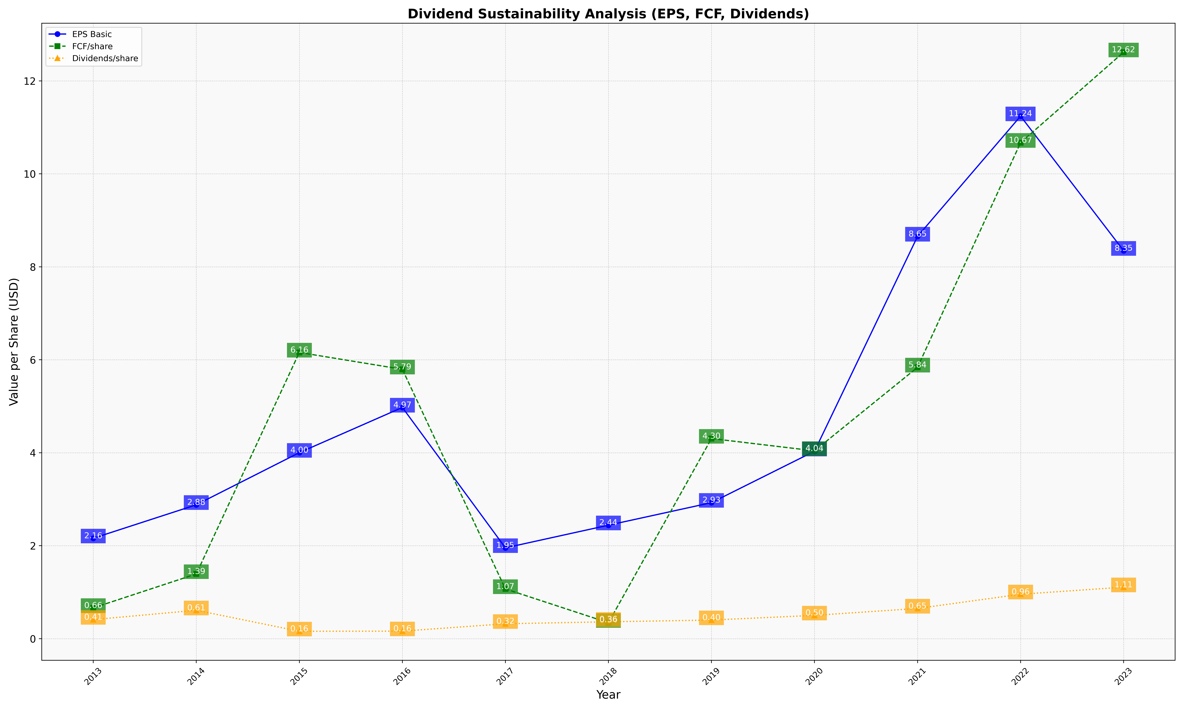
fiscal_date_ending | eps_per_share | free_cash_flow_per_share | dividend_per_share
2013 | 2.1596860279 | 0.66146086854 | 0.40935880655
2014 | 2.8797888919 | 1.3918320799 | 0.610724808
2015 | 4.0013982925 | 6.1572729504 | 0.15827852542
2016 | 4.9738795007 | 5.7941992036 | 0.16124220206
2017 | 1.9530693349 | 1.0698640317 | 0.32041828812
2018 | 2.4406841307 | 0.34201244736 | 0.3625269528
2019 | 2.9254865309 | 4.3049026904 | 0.39976492539
2020 | 4.0319394672 | 4.0403863818 | 0.50108012675
2021 | 8.6530530404 | 5.8368367692 | 0.64956054384
2022 | 11.241014484 | 10.669624797 | 0.95523735985
2023 | 8.3463748822 | 12.615519864 | 1.1073821517

