Dividend Data Analysis
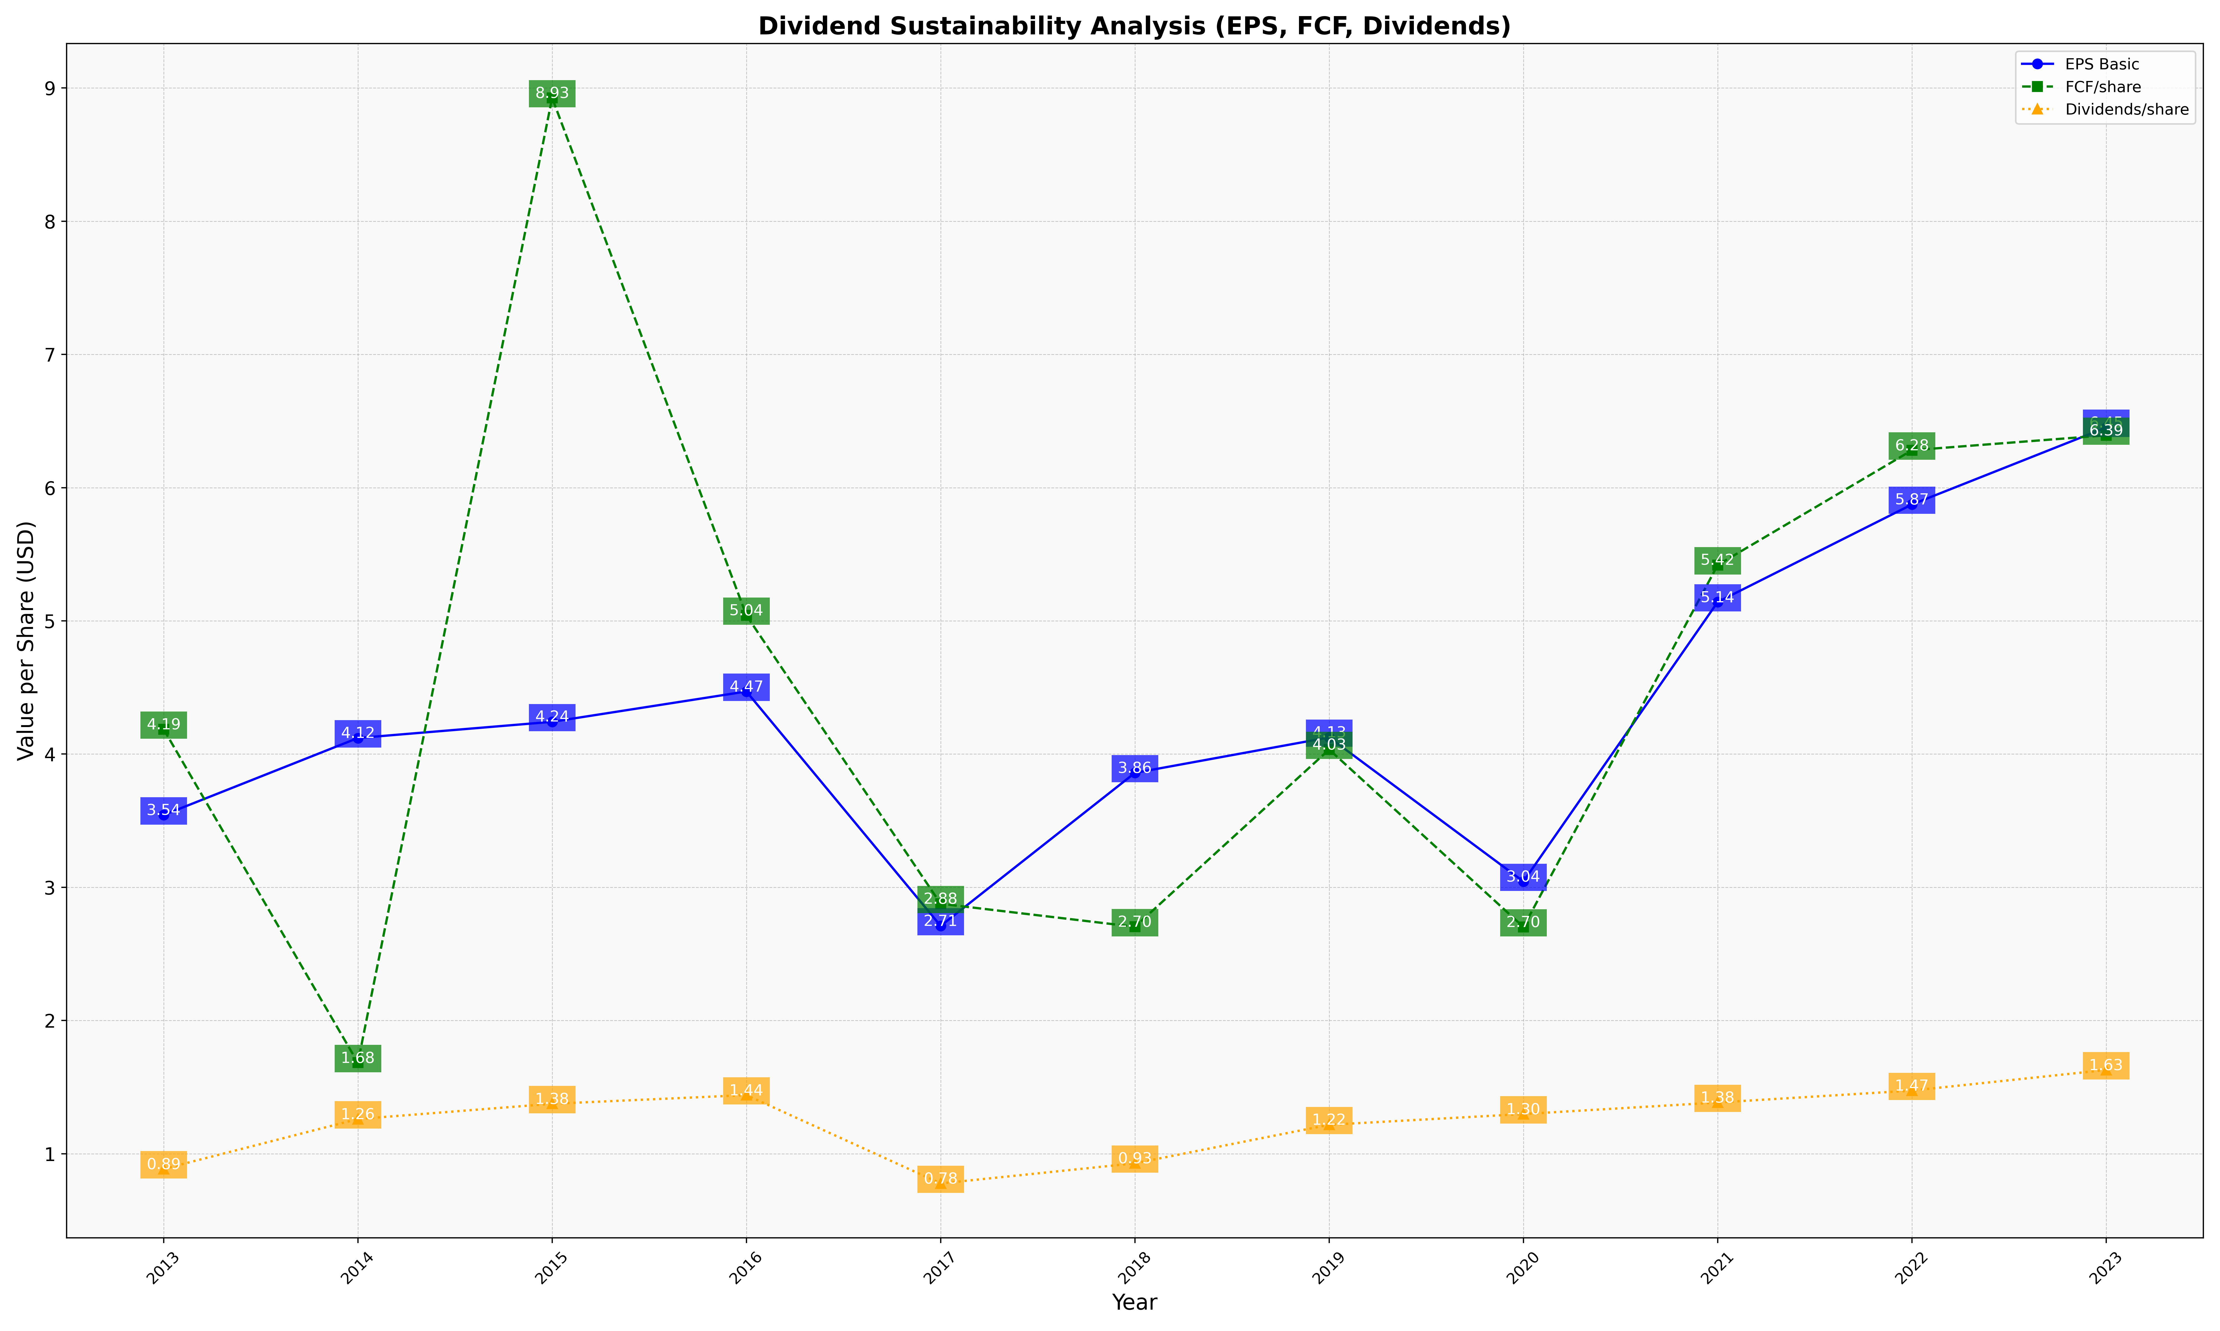
fiscal_date_ending | eps_per_share | free_cash_flow_per_share | dividend_per_share
2013 | 3.542346355 | 4.1864864022 | 0.88583114935
2014 | 4.1205421931 | 1.6833808324 | 1.2604717091
2015 | 4.2423612173 | 8.925499726 | 1.375161036
2016 | 4.4699443771 | 5.041194591 | 1.4401425343
2017 | 2.710148435 | 2.8764150178 | 0.77702898767
2018 | 3.8588604329 | 2.7035701161 | 0.928262443
2019 | 4.1254632158 | 4.034468672 | 1.2174917022
2020 | 3.043595674 | 2.7019682118 | 1.2980498812
2021 | 5.1415327822 | 5.4192056109 | 1.3845301544
2022 | 5.8736642053 | 6.2808663944 | 1.4741041674
2023 | 6.4514281685 | 6.3930065565 | 1.6288212638

