Dividend Data Analysis
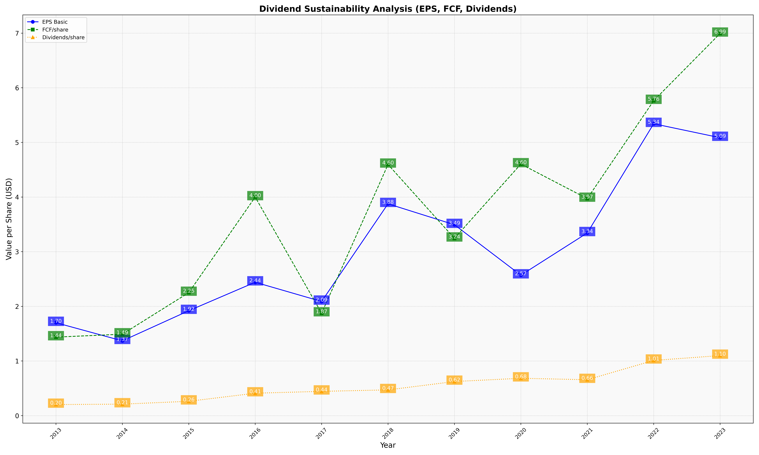
fiscal_date_ending | eps_per_share | free_cash_flow_per_share | dividend_per_share
2013 | 1.7007809289 | 1.4370119194 | 0.20273325113
2014 | 1.3684343053 | 1.4903056857 | 0.21035403132
2015 | 1.9200039948 | 2.250873864 | 0.26260860881
2016 | 2.4411176647 | 4.000049985 | 0.41042687194
2017 | 2.0888599913 | 1.8745123537 | 0.44425661032
2018 | 3.8768087603 | 4.5962282188 | 0.4712553774
2019 | 3.4935206811 | 3.2441799141 | 0.62412416183
2020 | 2.56975057 | 4.6035721689 | 0.68385960064
2021 | 3.3431227915 | 3.9717720888 | 0.6571169093
2022 | 5.3418634788 | 5.7635174899 | 1.0104610352
2023 | 5.0862961723 | 6.9938476634 | 1.0989408069

