Dividend Data Analysis
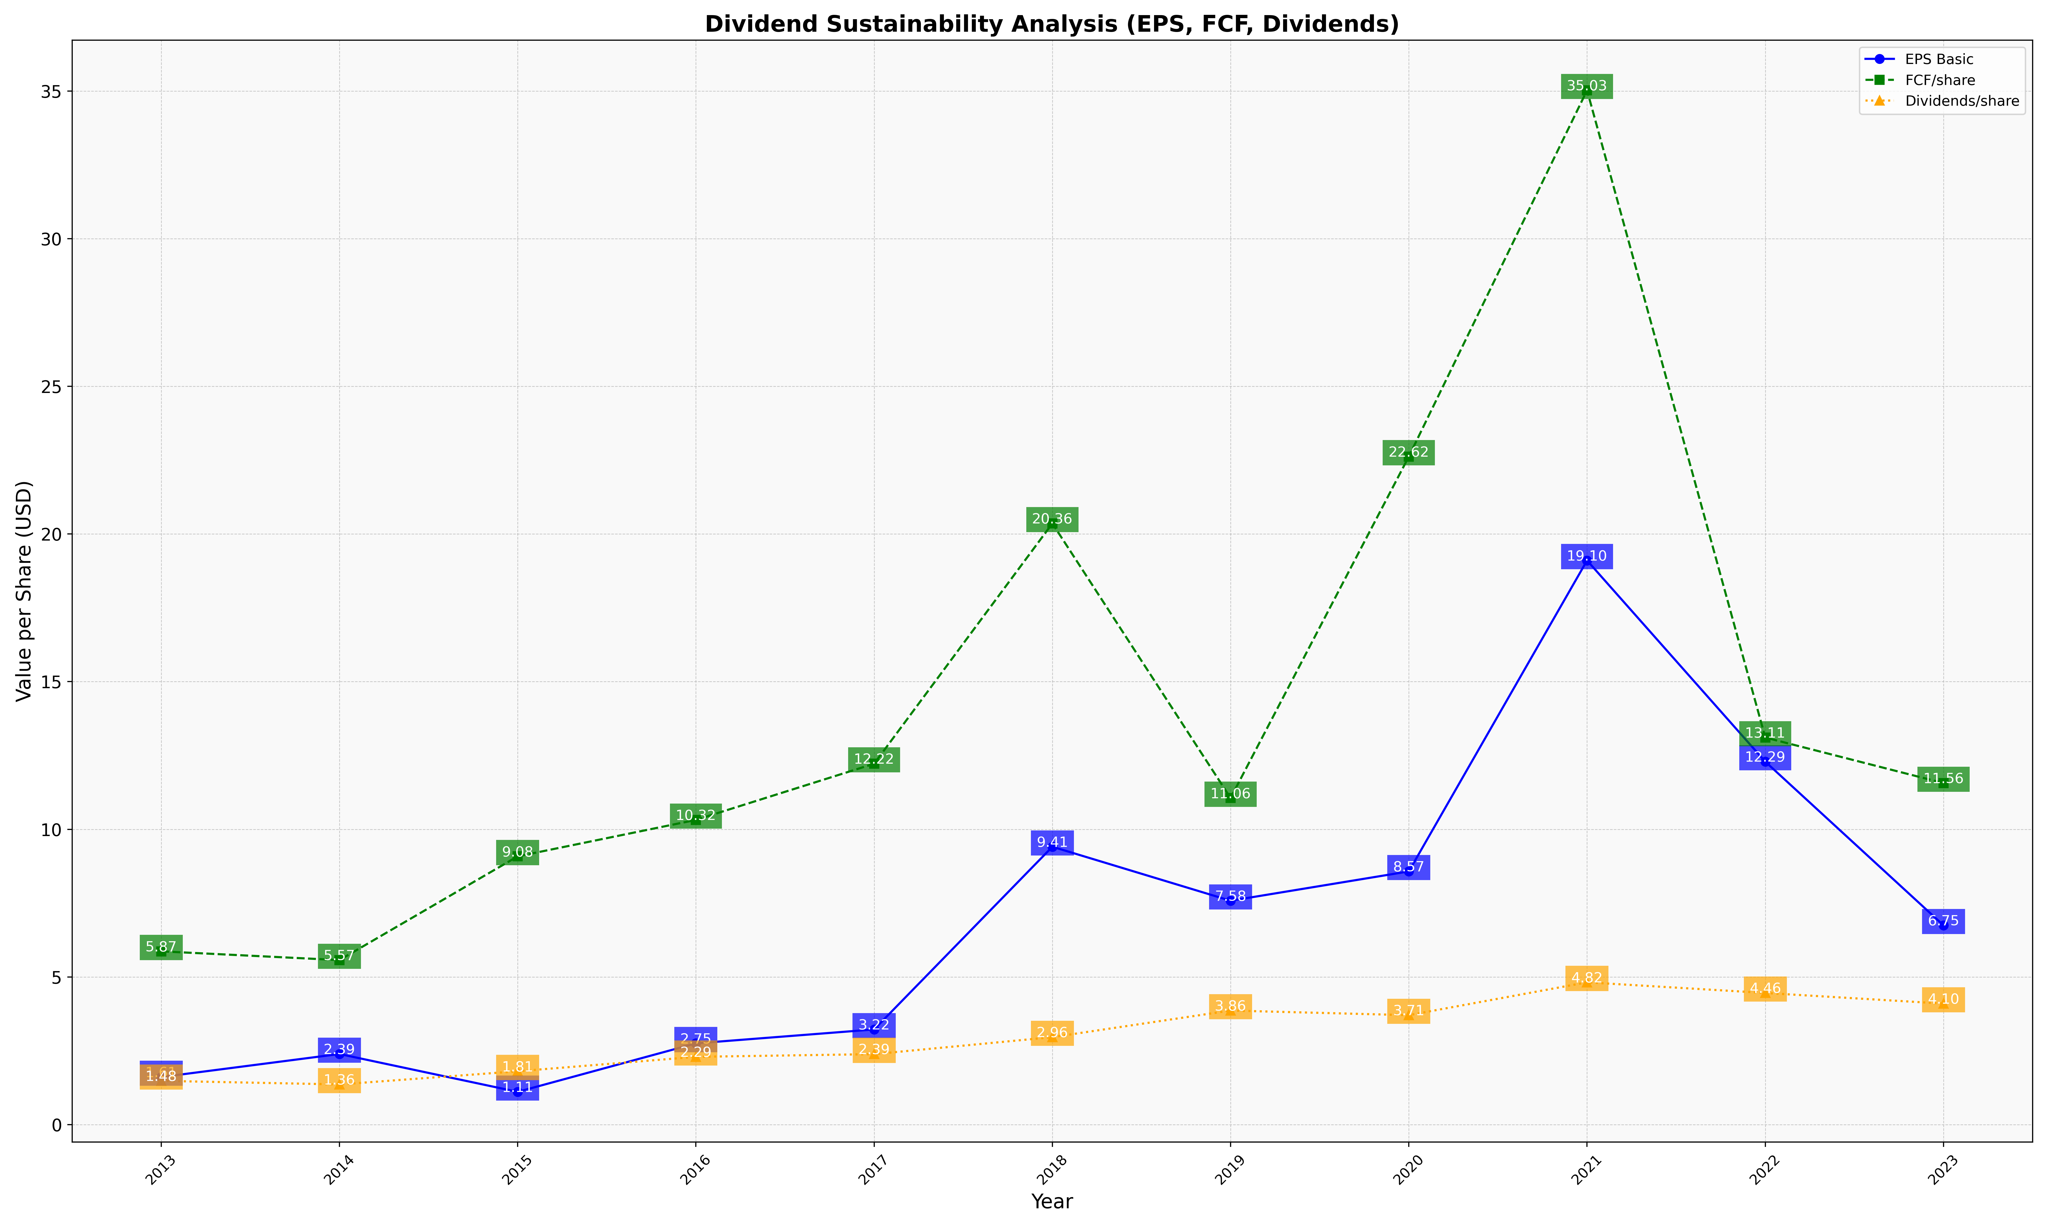
fiscal_date_ending | eps_per_share | free_cash_flow_per_share | dividend_per_share
2013 | 1.6087350489 | 5.8664673191 | 1.4812129999
2014 | 2.3903915472 | 5.570563795 | 1.359519027
2015 | 1.1076569243 | 9.082926325 | 1.805178696
2016 | 2.7498657392 | 10.317545968 | 2.2942485231
2017 | 3.2213121068 | 12.22072153 | 2.3852869431
2018 | 9.4088891106 | 20.358407742 | 2.9609168454
2019 | 7.5803048066 | 11.057673684 | 3.8612824303
2020 | 8.5737973538 | 22.62322385 | 3.7050796058
2021 | 19.104697987 | 35.026510067 | 4.8174238513
2022 | 12.290629594 | 13.107451446 | 4.4570684274
2023 | 6.7467451871 | 11.564317216 | 4.0974199171

