Dividend Data Analysis
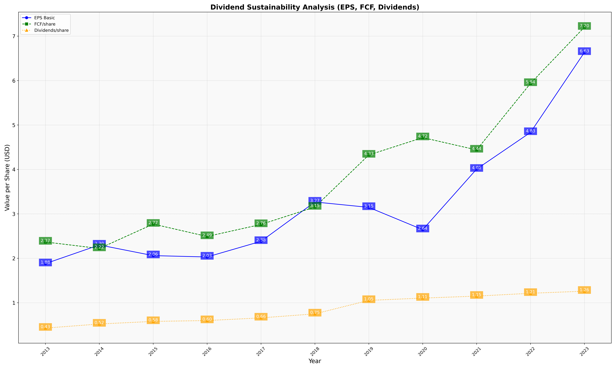
fiscal_date_ending | eps_per_share | free_cash_flow_per_share | dividend_per_share
2013 | 1.8801005601 | 2.3675538786 | 0.42994218949
2014 | 2.3004165131 | 2.2211379034 | 0.52214532604
2015 | 2.060571016 | 2.7702854103 | 0.58045209163
2016 | 2.0303484736 | 2.4916838135 | 0.59984812256
2017 | 2.3826821222 | 2.7620685106 | 0.65976424983
2018 | 3.2675788284 | 3.154402758 | 0.7505575499
2019 | 3.1461021337 | 4.3252308544 | 1.0533331067
2020 | 2.6443651516 | 4.7161393277 | 1.1051653806
2021 | 4.0071531033 | 4.4390643725 | 1.1494593526
2022 | 4.8333179672 | 5.9360083782 | 1.2134327513
2023 | 6.6347876705 | 7.2014309697 | 1.2607881886

