Dividend Data Analysis
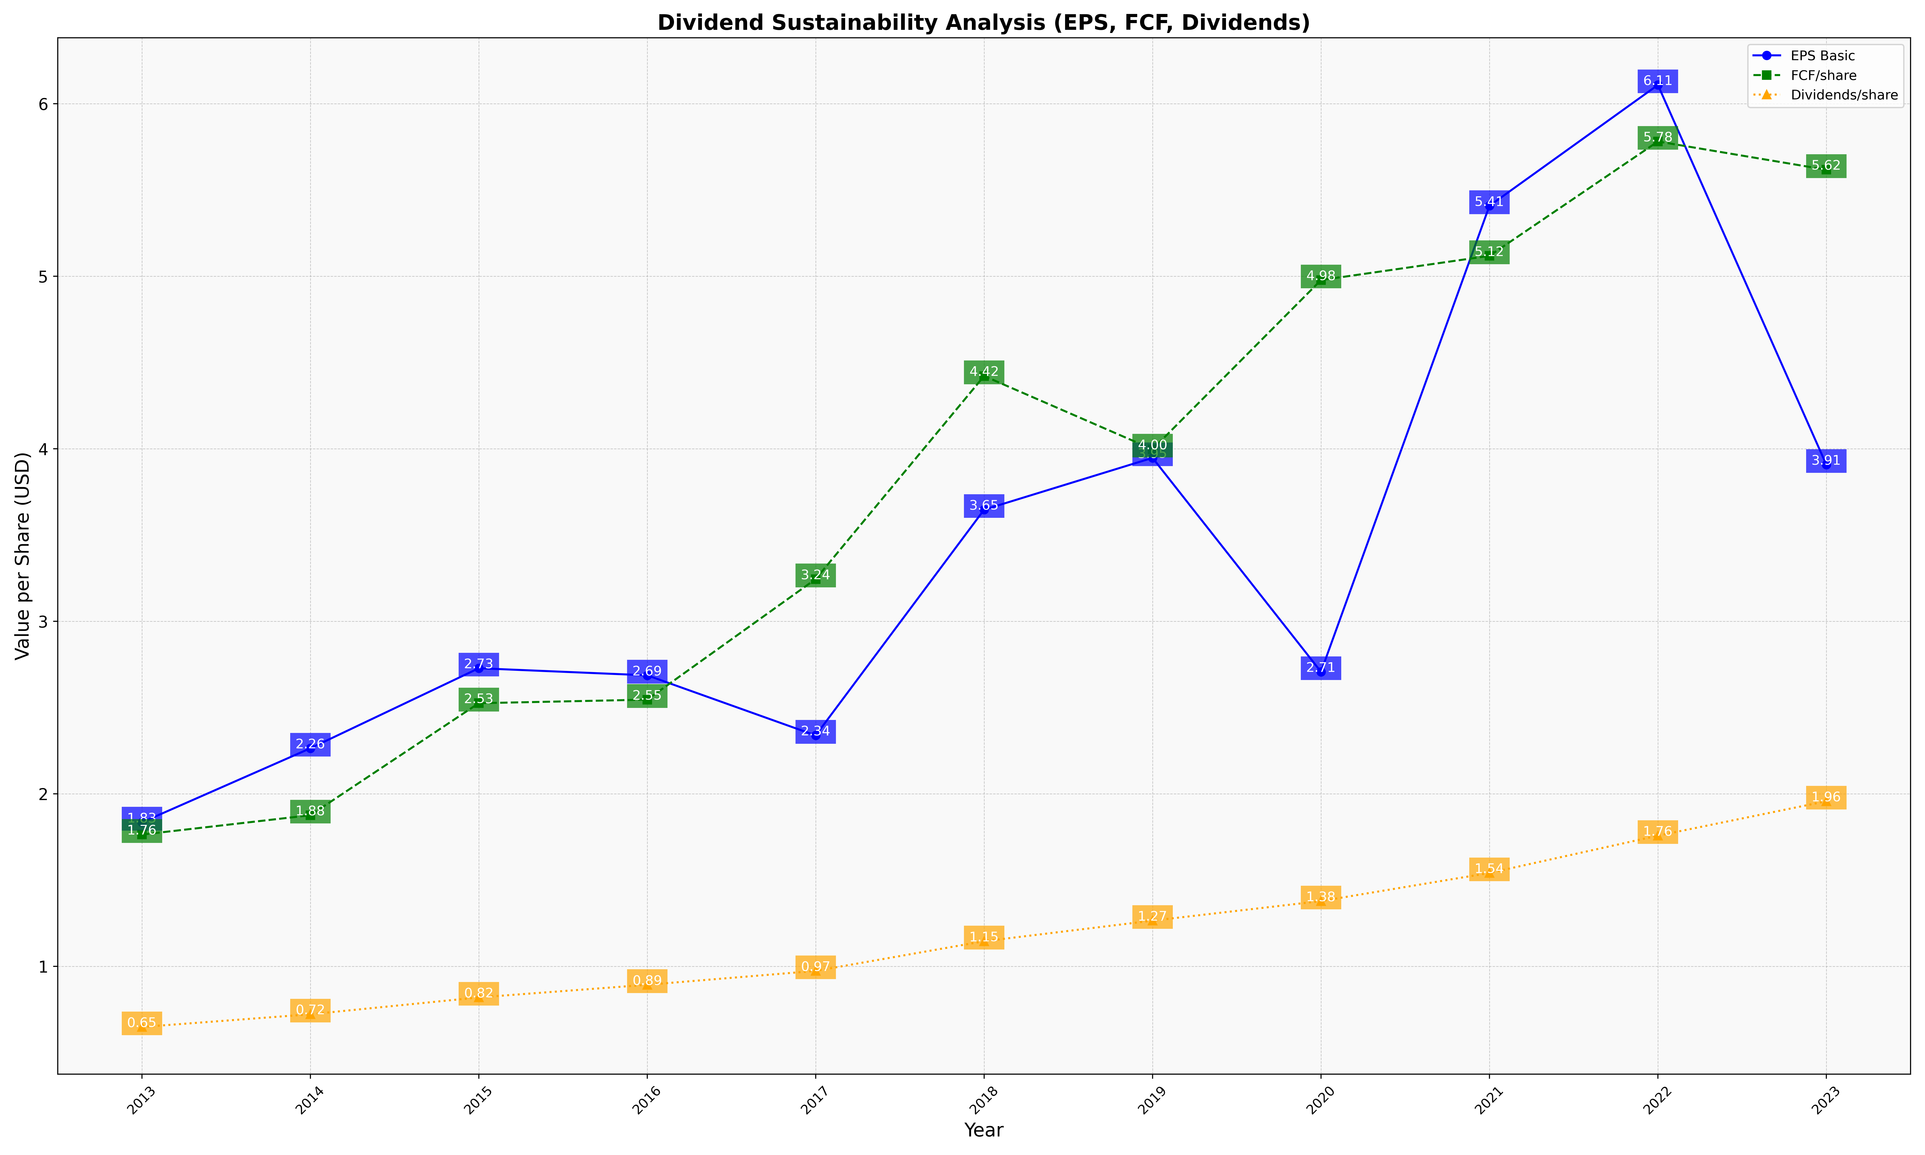
fiscal_date_ending | eps_per_share | free_cash_flow_per_share | dividend_per_share
2013 | 1.8345934823 | 1.7638125605 | 0.64879116915
2014 | 2.2638851445 | 1.8759222693 | 0.72227532504
2015 | 2.7280172116 | 2.5253502575 | 0.82009932838
2016 | 2.6869972507 | 2.5460153629 | 0.89332609412
2017 | 2.3384885762 | 3.2448355789 | 0.97375326145
2018 | 3.6470734249 | 4.4218816982 | 1.1456561034
2019 | 3.9474583498 | 3.9972496969 | 1.2650320442
2020 | 2.7073522998 | 4.9780203312 | 1.3784004652
2021 | 5.4083267937 | 5.1183081537 | 1.5414055703
2022 | 6.108896709 | 5.7812319722 | 1.7575546875
2023 | 3.9079044107 | 5.6174664525 | 1.9571553589

