Dividend Data Analysis
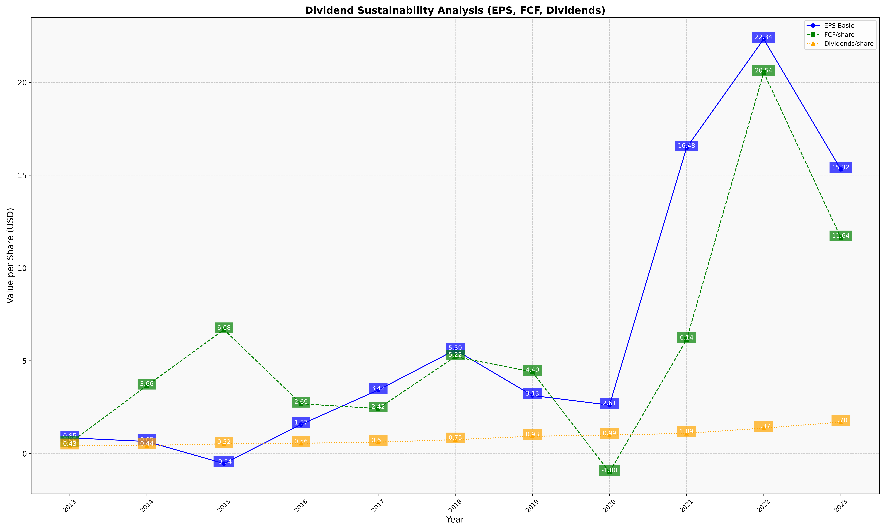
fiscal_date_ending | eps_per_share | free_cash_flow_per_share | dividend_per_share
2013 | 0.84944677061 | 0.56236127626 | 0.42541886609
2014 | 0.65033909814 | 3.6564179323 | 0.43644337059
2015 | -0.53606178998 | 6.6787125997 | 0.5247819945
2016 | 1.5674230974 | 2.6851475591 | 0.55691174559
2017 | 3.4235544307 | 2.4199353387 | 0.61317160167
2018 | 5.586038336 | 5.2207024912 | 0.74981741864
2019 | 3.1286468228 | 4.4024866286 | 0.93378804538
2020 | 2.6115919784 | -1.000515546 | 0.99209980412
2021 | 16.482565389 | 6.1431270021 | 1.0921552282
2022 | 22.3358373 | 20.536485478 | 1.3713904361
2023 | 15.316279846 | 11.63632739 | 1.6955394421

