Dividend Data Analysis
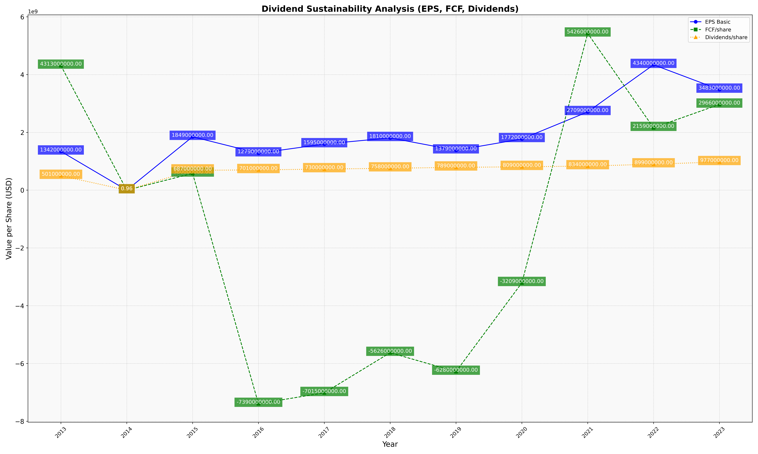
fiscal_date_ending | eps_per_share | free_cash_flow_per_share | dividend_per_share
2013 | 1342000000 | 4313000000 | 501000000
2014 | 3.4744976816 | 6.258114374 | 0.96445131376
2015 | 1849000000 | 580000000 | 687000000
2016 | 1279000000 | -7390000000 | 701000000
2017 | 1595000000 | -7015000000 | 730000000
2018 | 1810000000 | -5626000000 | 758000000
2019 | 1379000000 | -6280000000 | 789000000
2020 | 1772000000 | -3209000000 | 809000000
2021 | 2709000000 | 5426000000 | 834000000
2022 | 4340000000 | 2159000000 | 899000000
2023 | 3483000000 | 2966000000 | 977000000

